Model
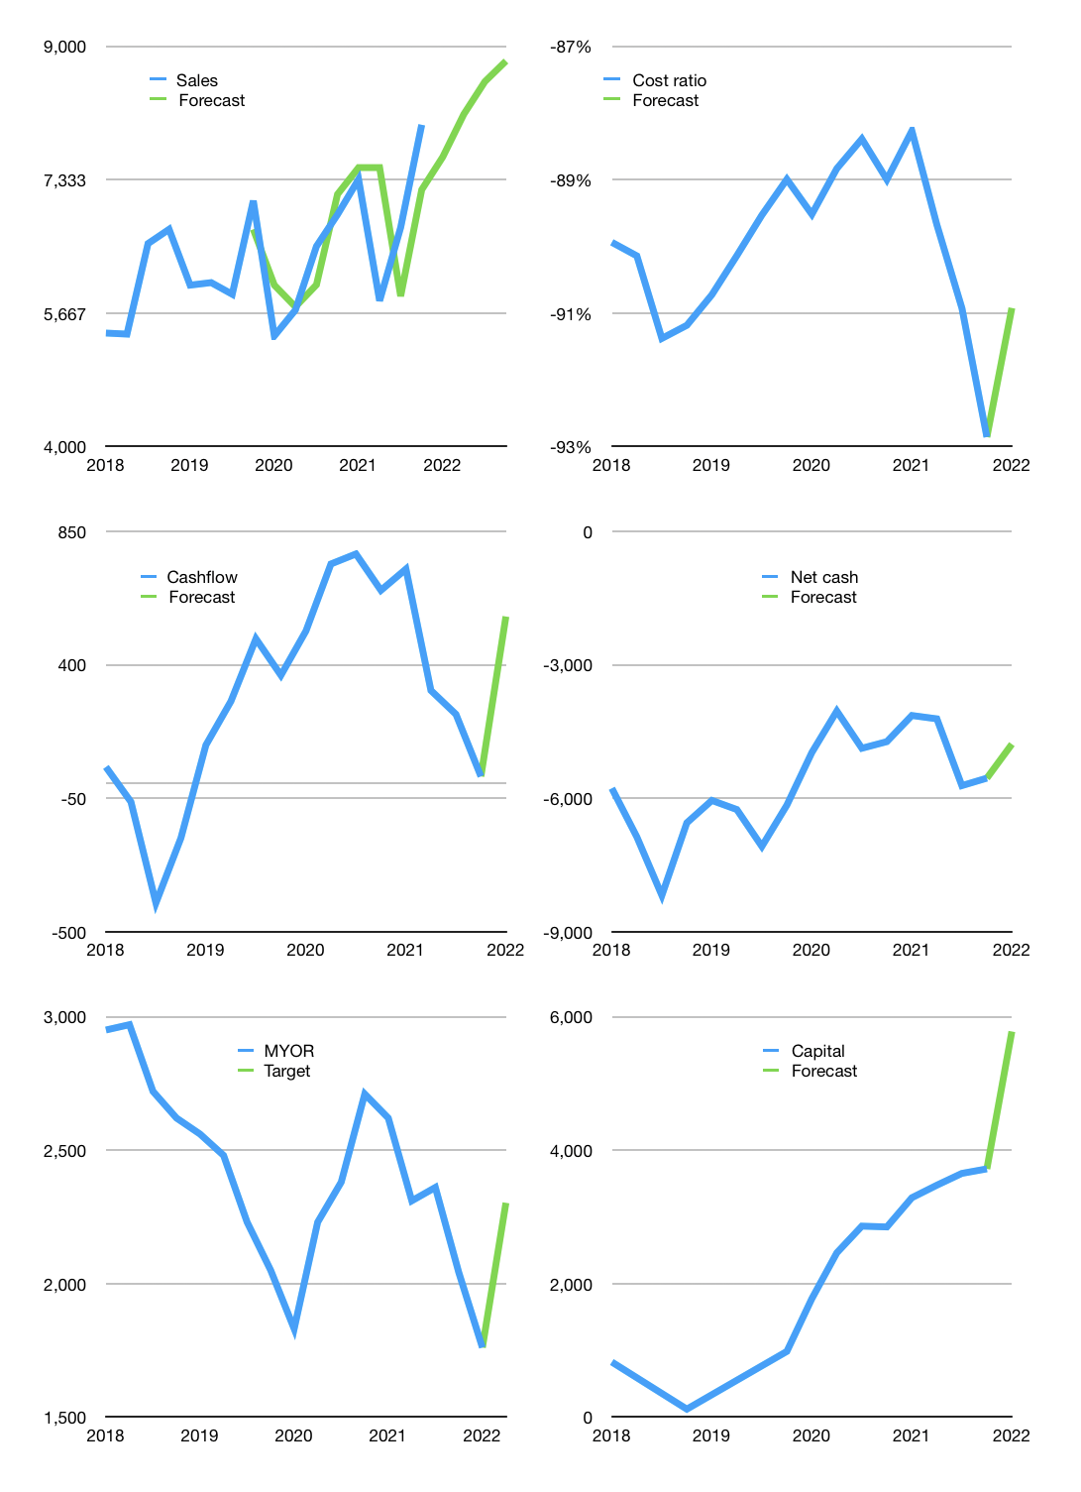
Financial model
Rpbn |  |  |  | 4Q 2022
Cashflow | 5% |  |  | 3%
Growth | -5% | 7% | 5% | 3%
Sales | 7,616 | 8,149 | 8,557 | 8,813
Cost ratio | -91% | -91% | -91% | -91%
Cash costs | -6,925 | -7,410 | -7,780 | -8,014
Operating | 691 | 739 | 776 | 800
Investment | -237 | -237 | -237 | -237
Finance | -454 | -503 | -540 | -563
Liabilities | -428 | -407 | -386 | -367
Equity | -287 | -316 | -339 | -353
Before revolver | -261 | -220 | -185 | -157
Revolver | 261 | 220 | 185 | 157
Beginning | 3,009 | 3,009 | 3,009 | 3,009
Change | 0 | 0 | 0 | 0
Ending | 3,009 | 3,009 | 3,009 | 3,009
Profit
Non cash costs | -212 | -212 | -212 | -212
Net profit | 479 | 527 | 564 | 588
Balance sheet
Other asses | 23,697 | 23,934 | 24,171 | 24,408
Depreciation | 6,763 | 6,975 | 7,187 | 7,399
Net other assets | 16,934 | 16,959 | 16,983 | 17,008
Liabilities | 8,130 | 7,724 | 7,337 | 6,971
Revolver | 261 | 481 | 667 | 823
Equity | 11,552 | 11,763 | 11,988 | 12,223
Check | 0 | 0 | 0 | 0
Net cash | -5,382 | -5,196 | -4,995 | -4,785
Valuation
Capital | 4,173 | 4,675 | 5,215 | 5,778
Current value |  |  |  | 39,351,312,449,536
Current value |  |  |  | 39,351
P/assets |  |  |  | 1.97
Yield |  |  |  | 3%
Cashflow |  |  |  | 2,059
Payback |  |  |  | 8
Valuation |  |  |  | 19
Forecast |  |  |  | 25
Value |  |  |  | 51,476
Shares |  |  |  | 22
Target |  |  |  | 2,302
Current |  |  |  | 1,760
V target |  |  |  | 31%
12 month growth |  |  |  | 16%
Sales forecasts |  |  |  | 0%

