Model
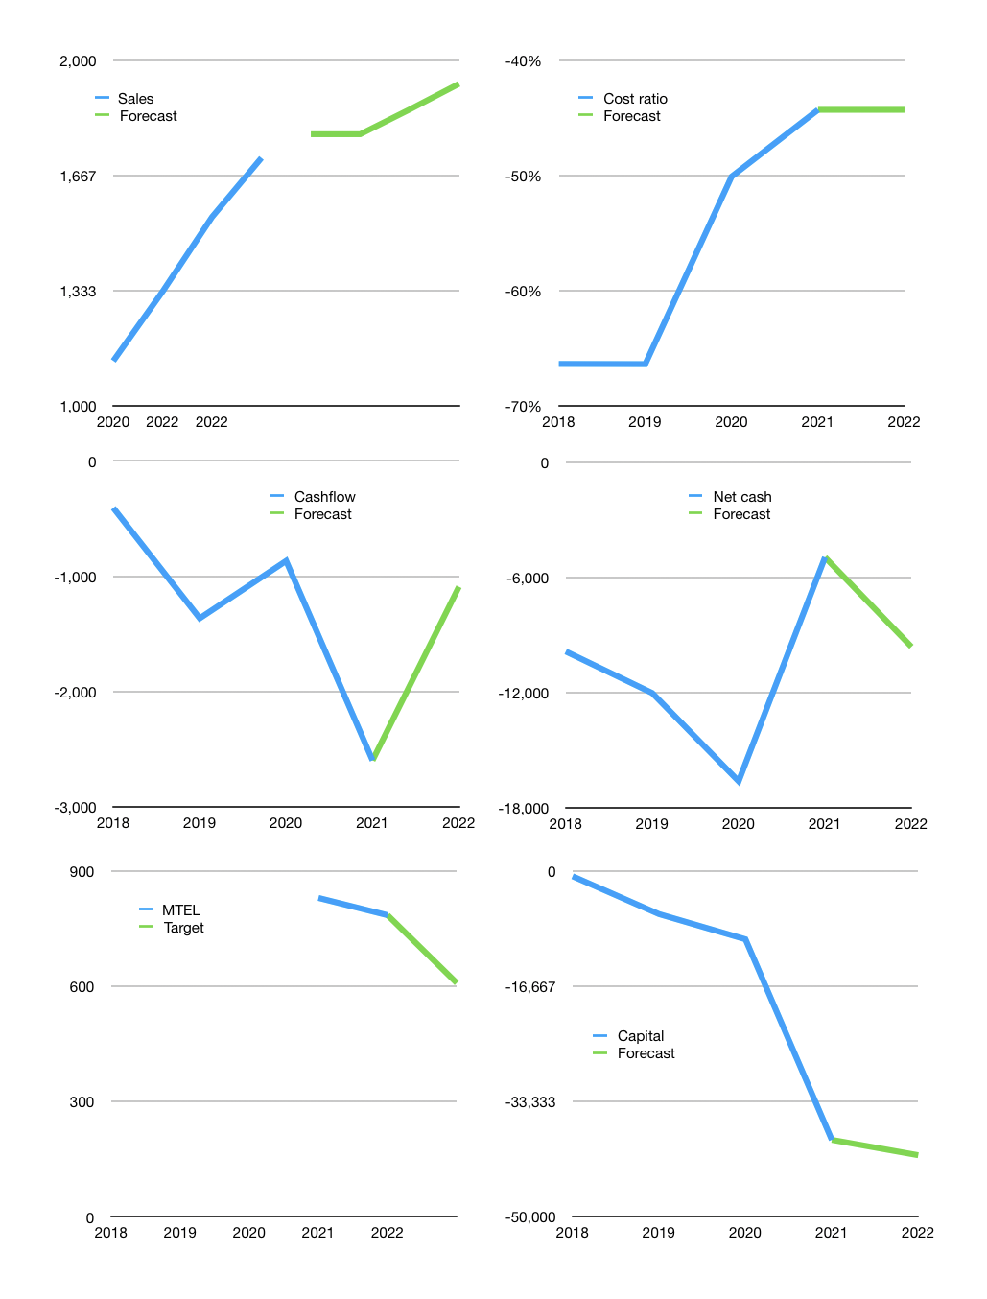
Model
Rpbn |  |  |  | 4Q 2022
Cashflow | 3% |  |  | 4%
Growth | 4% | 4% | 4% | 5%
Sales | 1,786 | 1,858 | 1,932 | 2,028
Cost ratio | -44% | -44% | -44% | -44%
Cash costs | -791 | -823 | -856 | -899
Non cash costs | -611 | -611 | -611 | -611
Profit | 384 | 423 | 465 | 519
Operating | 995 | 1,035 | 1,076 | 1,130
Investment | -2,222 | -2,222 | -2,222 | -2,222
Leases | -583 | -583 | -583 | -583
Liabilities | -1,204 | -1,144 | -1,087 | -1,032
Equity | 0 | 0 | 0 | 0
Before revolver | -2,432 | -2,332 | -2,233 | -2,125
Revolver | 2,432 | 2,332 | 2,233 | 2,125
Beginning | 19,133 | 19,133 | 19,133 | 19,133
Change | 0 | 0 | 0 | 0
Ending | 19,133 | 19,133 | 19,133 | 19,133
Balance sheet
Other assets | 49,028 | 51,250 | 53,472 | 55,695
Depreciation | 8,822 | 9,434 | 10,045 | 10,656
Liabilities | 22,879 | 21,735 | 20,648 | 19,616
Revolver | 2,432 | 4,763 | 6,996 | 9,121
Equity | 34,029 | 34,452 | 34,917 | 35,435
Check | 0 | 0 | 0 | 0
Net cash | -6,177 | -7,365 | -8,511 | -9,603
Valuation
Capital | -37,677 | -38,864 | -40,010 | -41,103
Current value |  |  |  | 65,559,589,150,720
Current value |  |  |  | 65,560
P/assets |  |  |  | 1.02
Yield |  |  |  | 0%
Cashflow |  |  |  | 4,235
Payback
Valuation |  |  |  | 15
Forecast |  |  |  | 12
Value |  |  |  | 50824
Shares |  |  |  | 84
Target |  |  |  | 609
Current |  |  |  | 785
V target |  |  |  | -22%
12 month growth |  |  |  | 11%

