Model
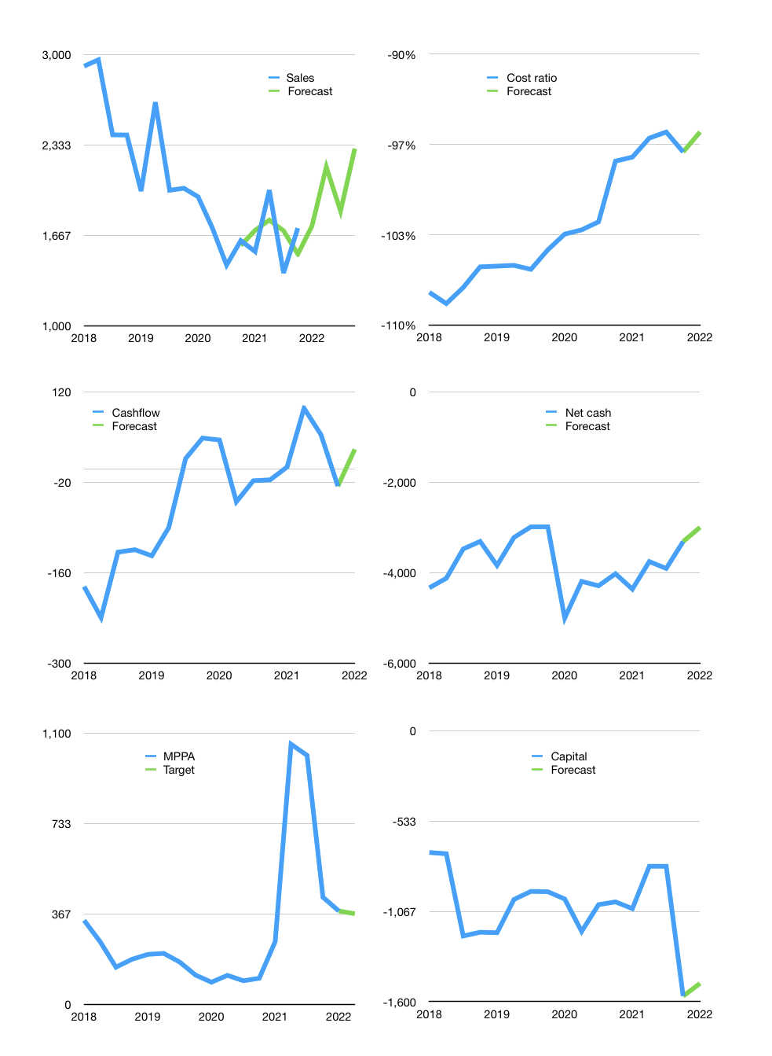
Financial model
Rpbn |  |  |  | 4Q 2022
Cashflow | 4% |  |  | 9%
Growth | 1% | 25% | -15% | 25%
Sales | 1,737 | 2,171 | 1,845 | 2,307
Cost ratio | -96% | -96% | -96% | -96%
Cash costs | -1,663 | -2,079 | -1,767 | -2,209
Operating | 74 | 92 | 78 | 98
Investment | -7 | -7 | -7 | -7
Leases | -60 | -60 | -60 | -60
Finance | -67 | -86 | -72 | -91
Liabilities | -203 | -193 | -183 | -174
Equity | 0 | 0 | 0 | 0
Before revolver | -136 | -107 | -112 | -83
Revolver | 136 | 107 | 112 | 83
Beginning | 753 | 753 | 753 | 753
Change | 0 | 0 | 0 | 0
Ending | 753 | 753 | 753 | 753
Profit
Non cash | -129 | -129 | -129 | -129
Profit | -55 | -36 | -50 | -31
Balance sheet
Other assets | 6,814 | 6,820 | 6,827 | 6,833
Depreciation | 3,039 | 3,167 | 3,296 | 3,424
Net other assets | 3,775 | 3,653 | 3,531 | 3,409
Liabilities | 3,863 | 3,670 | 3,486 | 3,312
Revolver | 136 | 244 | 355 | 438
Equity | 529 | 493 | 443 | 412
Check | 0 | 0 | 0 | 0
Net cash | -3,246 | -3,160 | -3,088 | -2,997
Valuation
Capital | -1,560 | -1,535 | -1,523 | -1,492
Current value |  |  |  | 3,204,581,949,440
Current value |  |  |  | 3,205
P/assetd |  |  |  | 0.77
Yield |  |  |  | 0.0%
Cashflow |  |  |  | 124
Payback |  |  |  | 31
Valuation |  |  |  | 26
Forecast |  |  |  | 25
Value |  |  |  | 3,112
Shares |  |  |  | 8.5
Target |  |  |  | 367
Current |  |  |  | 378
V target |  |  |  | -3%
12 month growth |  |  |  | 6%
Sales forecasts |  |  |  | 0%

