Model
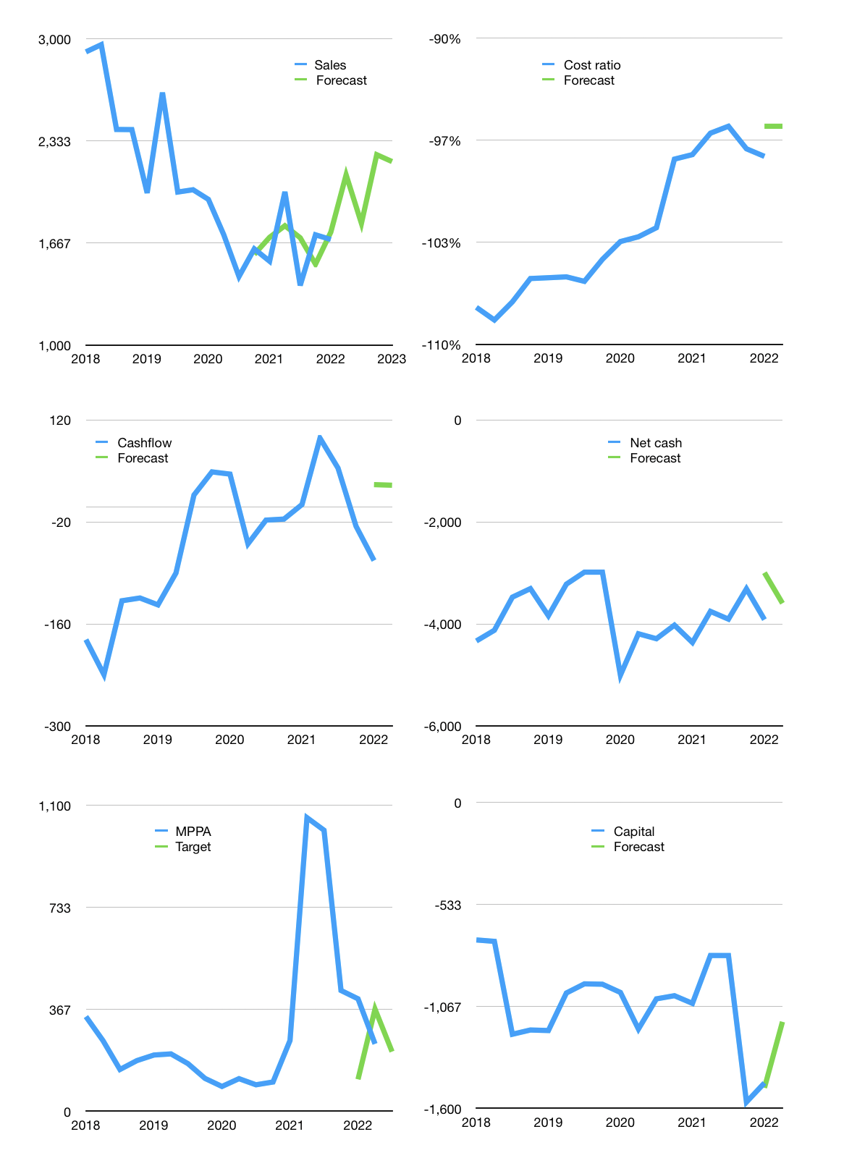
Financial model
Rpbn |  |  | 4Q 2022
Cashflow | 5% |  |  | 8%
Growth | 25% | -15% | 25% | -2%
Sales | 2,111 | 1,794 | 2,243 | 2,198
Cost ratio | -96% | -96% | -96% | -96%
Cash costs | -2,021 | -1,718 | -2,148 | -2,105
Operating | 90 | 76 | 95 | 93
Investment | -9 | -9 | -9 | -9
Leases | -54 | -54 | -54 | -54
Finance | -81 | -68 | -87 | -85
Liabilities | -213 | -203 | -192 | -183
Revolver | 132 | 135 | 106 | 98
Payout | 0.0
Equity | 0 | 0 | 0 | 0
Before revolver | -132 | -135 | -106 | -98
Beginning | 348 | 348 | 348 | 348
Change | 0 | 0 | 0 | 0
Ending | 348 | 348 | 348 | 348
Profit
Non cash | -133 | -133 | -133 | -133
Profit | -44 | -57 | -38 | -40
Balance sheet
Other assets | 7,426 | 7,435 | 7,443 | 7,452
Depreciation | 3,159 | 3,293 | 3,426 | 3,559
Net other assets | 4,266 | 4,142 | 4,017 | 3,893
Liabilities | 4,051 | 3,848 | 3,656 | 3,473
Revolver | 132 | 267 | 373 | 471
Equity | 431 | 374 | 336 | 297
Check | 0 | 0 | 0 | 0
Net cash | -3,835 | -3,768 | -3,681 | -3,596
Valuation
Capital | -1,386 | -1,319 | -1,232 | -1,147
Current value |  |  |  | 2,051,610,609,664
Current value |  |  |  | 2,052
P/assetd |  |  |  | 0.48
Yield |  |  |  | 0.0%
Cashflow |  |  |  | 121
Payback |  |  |  | 36
Valuation |  |  |  | 17
Forecast |  |  |  | 15
Value |  |  |  | 1,816
Shares |  |  |  | 8.5
Target |  |  |  | 214
Current |  |  |  | 242
V target |  |  |  | -11%
12 month growth |  |  |  | 9%
Sales forecasts |  |  |  | 1%

