Model
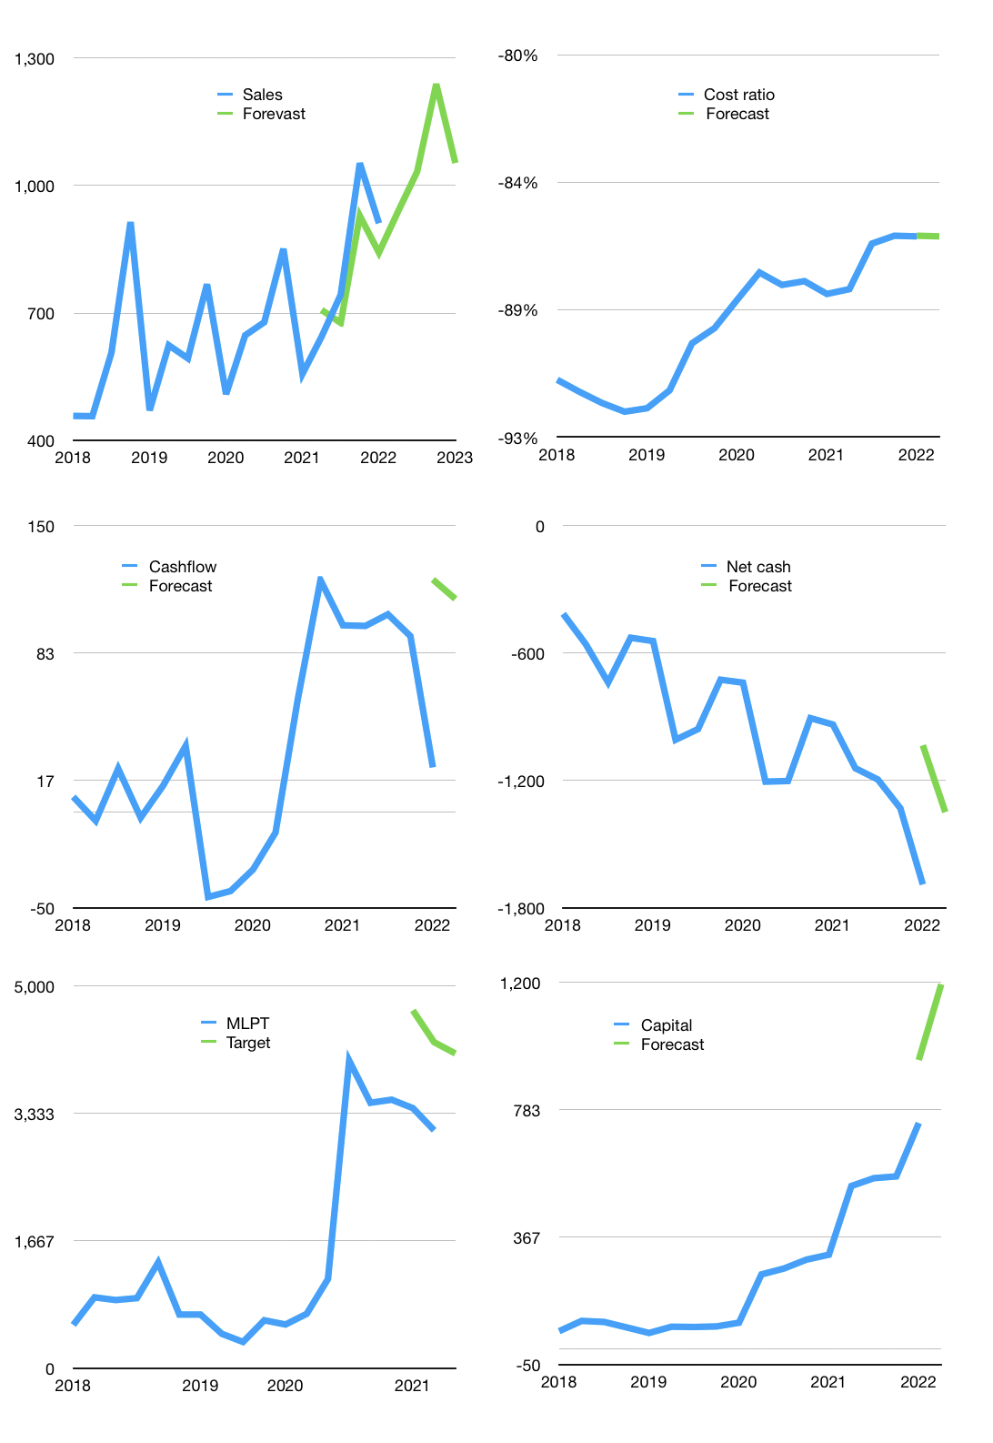
Financial model
Rpbn |  |  | 4Q 2022
Cashflow | 15% |  |  | 5%
Growth | 3% | 10.0% | 20.0% | -15%
Sales | 939 | 1,033 | 1,239 | 1,053
Cost ratio | -86% | -86% | -86% | -86%
Costs | -809 | -890 | -1068 | -908
Operating | 130 | 143 | 171 | 146
Investment | -30 | -30 | -30 | -30
Leases | -4 | -4 | -4 | -4
Finance | -100 | -113 | -142 | -116
Liabilities | -95 | -90 | -86 | -81
Revolver | 22 | 8 | -16 | -3
Payout | 0.3
Equity | -27 | -31 | -40 | -32
Before revolver | -22 | -8 | 16 | 3
Beginning | 206 | 206 | 206 | 206
Change | 0 | 0 | 0 | 0
Ending | 206 | 206 | 206 | 206
Profit
Non cash costs | -38 | -38 | -38 | -38
Profit | 92 | 105 | 133 | 107
Balance sheet
Other assets | 3,295 | 3,324 | 3,354 | 3,383
Depreciation | 760 | 798 | 837 | 875
Net other assets | 2,534 | 2,526 | 2,517 | 2,508
Liabilities | 1,800 | 1,710 | 1,625 | 1,543
Revolver | 22 | 30 | 14 | 11
Equity | 918 | 991 | 1,084 | 1,160
Check | 0 | 0 | 0 | 0
Net cash | -1,616 | -1,534 | -1,432 | -1,349
Valuation
Capital | 836 | 944 | 1,082 | 1,193
Current value |  |  |  | 5,831,250,149,376
Current value |  |  |  | 5,831
P/assets |  |  |  | 2.15
Yield |  |  |  | 2%
Cashflow |  |  |  | 454
Payback |  |  |  | 6
Valuation |  |  |  | 13
Forecast |  |  |  | 17
Value |  |  |  | 7,715
Shares |  |  |  | 1.9
Target |  |  |  | 4,115
Current |  |  |  | 3,110
V target |  |  |  | 32%
12 month growth |  |  |  | 64%
Sales forecasts |  |  |  | -6%

