Model
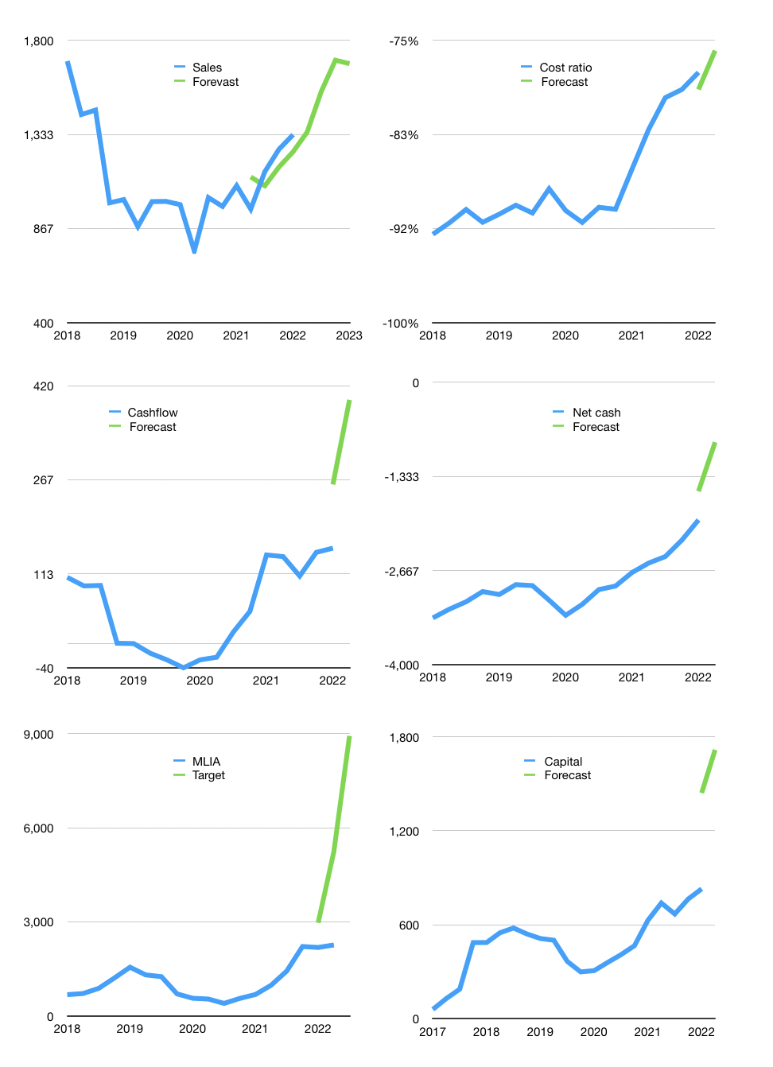
Financial model
Rpbn |  |  | 4Q 2022
Cashflow | 6% |  |  | 6%
Growth | 1% | 15% | 10.0% | -1%
Sales | 1,345 | 1,547 | 1,701 | 1,684
Cost ratio | -76% | -76% | -76% | -76%
Cash costs | -1021 | -1174 | -1291 | -1279
Operating | 324 | 373 | 410 | 406
Investment | -9 | -9 | -9 | -9
Finance | -216 | -223 | -228 | -220
Liabilities | -138 | -131 | -125 | -118
Revolver | 0 | 0 | 0 | 0
Payout | 0.3
Equity | -77 | -92 | -103 | -102
Before revolver | 99 | 140 | 173 | 176
Beginning | 812 | 911 | 1,052 | 1,225
Change | 99 | 140 | 173 | 176
Ending | 911 | 1,052 | 1,225 | 1,401
Profit
Non cash costs | -66 | -66 | -66 | -66
Profit | 258 | 307 | 344 | 340
Balance sheet
Other assets | 10,389 | 10,398 | 10,407 | 10,416
Depreciation | 4,829 | 4,895 | 4,961 | 5,027
Net other assets | 5,560 | 5,503 | 5,446 | 5,389
Liabilities | 2,625 | 2,494 | 2,369 | 2,250
Revolver | 0 | 0 | 0 | 0
Equity | 3,847 | 4,061 | 4,302 | 4,540
Check | 0 | 0 | 0 | 0
Net cash | -1,713 | -1,442 | -1,144 | -849
Valuation
Capital | 1,044 | 1,267 | 1,495 | 1,716
Current value |  |  |  | 2,989,980,144,640
Current value |  |  |  | 2,990
P/assets |  |  |  | 0.44
Yield |  |  |  | 13%
Cashflow |  |  |  | 1,476
Payback |  |  |  | 4
Valuation |  |  |  | 2
Forecast |  |  |  | 8
Value |  |  |  | 11,811
Shares |  |  |  | 1.3
Target |  |  |  | 8,927
Current |  |  |  | 2,260
V target |  |  |  | 295%
12 month growth |  |  |  | 23%
Sales forecasts |  |  |  | -2%

Capital
Capital
Rpbn | Liabilities | Equity | Total | Liabilities | Equity | Total
2009 | -325 | 0 | -325 | -325 | 0 | -325
2010 | -495 | 0 | -495 | -820 | 0 | -820
2011 | -103 | 0 | -103 | -923 | 0 | -923
2012 | -144 | 0 | -144 | -1,067 | 0 | -1,067
2013 | -191 | -6 | -197 | -1,258 | -6 | -1,264
2014 | -261 | -14 | -275 | -1,519 | -20 | -1,539
2015 | -207 | -3 | -210 | -1,726 | -23 | -1,749
2016 | -52 | 0 | -52 | -1,778 | -23 | -1,801
2017 | -524 | 0 | -524 | -2,302 | -23 | -2,325
2018 | -52 | 0 | -52 | -2,354 | -23 | -2,377
2019 | 307 | 71 | 378 | -2,047 | 48 | -1,999
2020 | -174 | -1 | -175 | -2,221 | 47 | -2,174
2021 | -259 | 1 | -258 | -2,480 | 48 | -2,432 | -187 | -126 | -193.6
2022 | -65 | 0 | -65 | -2,544 | 48 | -2,496

 |  |  |  |  |  |  |  |  |  | Table 1

MLIA HAS PAID 2.4 TRILLION RUPIAH
 |  |  |  |  |  |  |  |  |  |  | Market value | IDR2989980144640
 |  |  |  |  |  |  |  |  |  |  | MLIA | capital history | -6% | of market value | paid every year.
 |  |  |  |  |  |  |  |  |  |  | 2022-03-28
 |  |  |  |  |  |  |  |  |  |  | Start date | 2009
 |  |  |  |  |  |  |  |  |  |  | Number of quarters | 52
 |  |  |  |  |  |  |  |  |  |  | Market value Rpbn | 2,990
 |  |  |  |  |  |  |  |  |  |  | Liabilities | -2,480 | billion rupiah | paid
 |  |  |  |  |  |  |  |  |  |  | MLIA | has | paid | liabilities | by an average | -191 | billion rupiah | every year | -6% | of market value
 |  |  |  |  |  |  |  |  |  |  | In the last 5 years | liabilities | were | paid | by an average | -140 | billion rupiah | every year | -5% | of market value
 |  |  |  |  |  |  |  |  |  |  | The peak in cumulative liabilities | was | -325 | billion rupiah | in | 2009
 |  |  |  |  |  |  |  |  |  |  | As of the latest quarter | liabilities | cumulative | are | down | to | -2,480 | billion rupiah
 |  |  |  |  |  |  |  |  |  |  | Equity | 48 | billion rupiah | raised
 |  |  |  |  |  |  |  |  |  |  | MLIA | has | raised | equity | by an average | 4 | billion rupiah | every year | 0% | of market value
 |  |  |  |  |  |  |  |  |  |  | In the last 5 years | equity | was | raised | by an average | 14 | billion rupiah | every year | 0% | of market value
 |  |  |  |  |  |  |  |  |  |  | The peak in cumulative equity | was | 48 | billion rupiah | in | 2021
 |  |  |  |  |  |  |  |  |  |  | As of the latest quarter | equity | cumulative | is | up | to | 48 | billion rupiah
 |  |  |  |  |  |  |  |  |  |  | Total capital | -2,432 | billion rupiah | paid
 |  |  |  |  |  |  |  |  |  |  | MLIA | has | paid | total capital | by an average | -187 | billion rupiah | every year | -6% | of market value
 |  |  |  |  |  |  |  |  |  |  | In the last 5 years | total capital | was | paid | by an average | -126 | billion rupiah | every year | -4% | of market value
 |  |  |  |  |  |  |  |  |  |  | The peak in cumulative total capital | was | -325 | billion rupiah | in | 2009
 |  |  |  |  |  |  |  |  |  |  | As of the latest quarter | total capital | cumulative | is | down | to | -2431.7 | billion rupiah | -6% | of market value | paid every year.

