Model
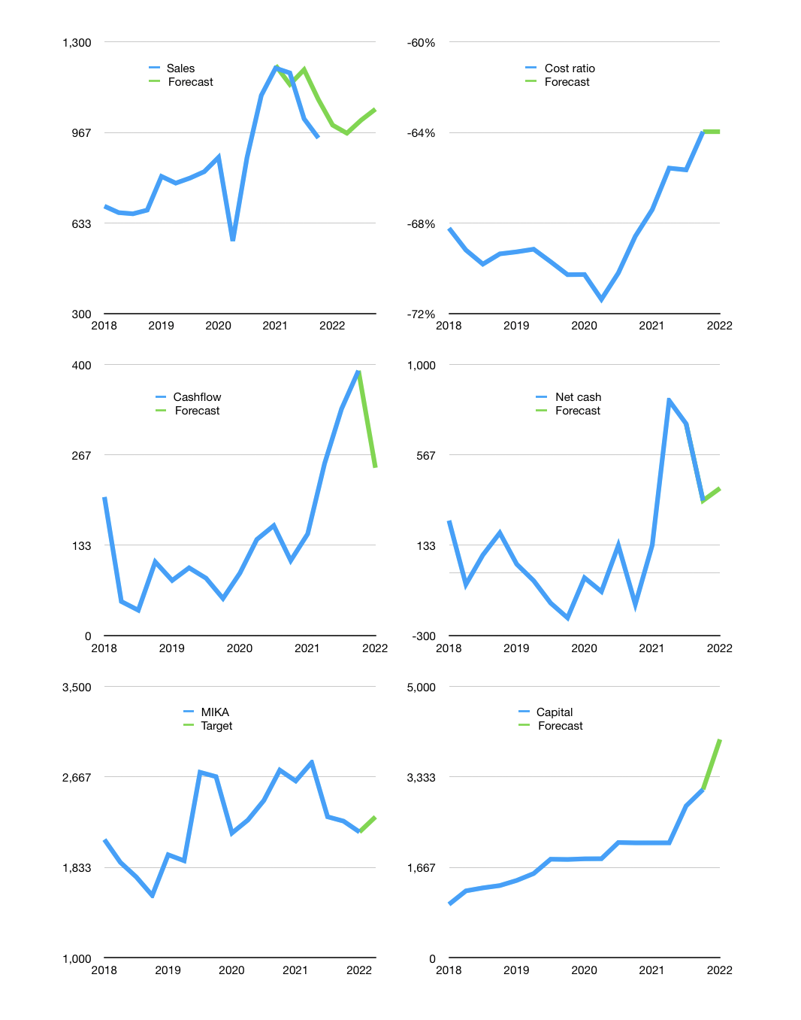
Financial model
Rpbn |  |  |  | 4Q 2022
Cashflow | -3% |  |  | 3%
Growth | 5% | -3% | 5% | 4%
Sales | 994 | 964 | 1,012 | 1,052
Cost ratio | -64% | -64% | -64% | -64%
Cash costs | -636 | -617 | -647 | -673
Operating | 358 | 347 | 365 | 379
Investment | -132 | -132 | -132 | -132
Finance | -226 | -215 | -233 | -247
Liabilities | -47 | -44 | -42 | -40
Equity | -213 | -205 | -217 | -228
Before revolver | -33 | -34 | -27 | -20
Revolver | 33 | 34 | 27 | 20
Beginning | 1,283 | 1,283 | 1,283 | 1,283
Change | 0 | 0 | 0 | 0
Ending | 1,283 | 1,283 | 1,283 | 1,283
Profit
Non cash costs | -54 | -54 | -54 | -54
Profit | 304 | 293 | 311 | 325
Balance sheet
Other assets | 7,322 | 7,454 | 7,585 | 7,717
Depreciation | 1,666 | 1,720 | 1,774 | 1,828
Net other assets | 5,656 | 5,733 | 5,811 | 5,889
Liabilities | 889 | 845 | 803 | 762
Revolver | 33 | 68 | 94 | 115
Equity | 6,016 | 6,104 | 6,197 | 6,295
Check | 0 | 0 | 0 | 0
Net cash | 360 | 371 | 386 | 406
Valuation
Capital | 3,330 | 3,546 | 3,779 | 4,026
Current value |  |  |  | 30,320,134,963,200
Current value |  |  |  | 30,320
P/assets |  |  |  | 4.2
Yield |  |  |  | 3%
Cashflow |  |  |  | 922
Payback |  |  |  | 6
Valuation |  |  |  | 33
Forecast |  |  |  | 35
Value |  |  |  | 32,271
Shares |  |  |  | 14
Target |  |  |  | 2,299
Current |  |  |  | 2,160
V target |  |  |  | 6%
12 month growth |  |  |  | -14%
Sales forecasts |  |  |  | 7%

