Model
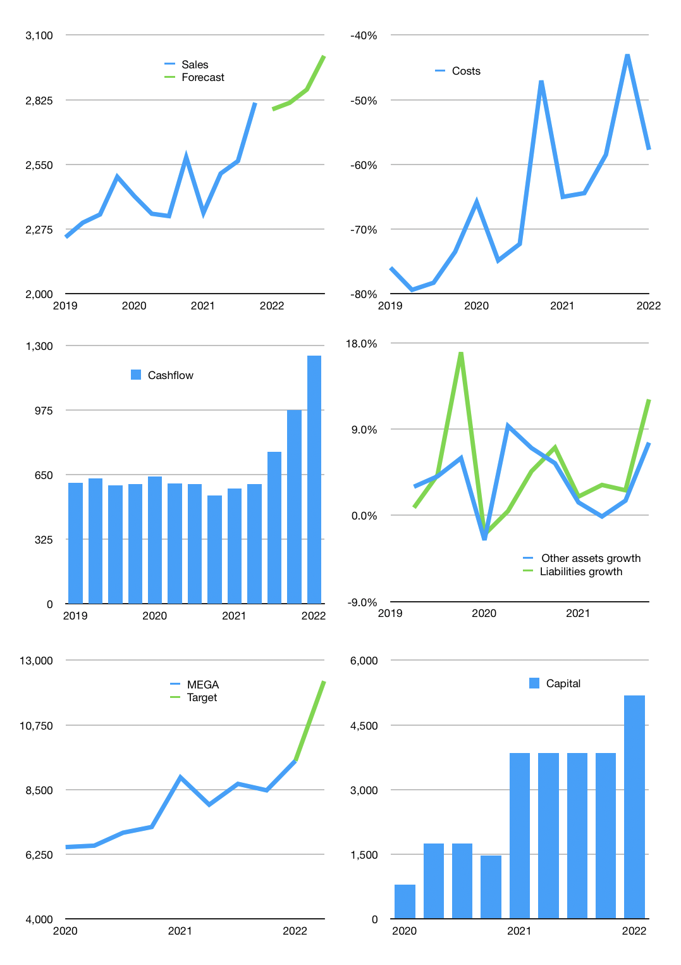
Financial model
Rpbn |  |  |  | 4Q 2022
Cashflow | 2% |  |  | 2%
Growth | -1% | 1% | 2% | 5%
Sales | 2,784 | 2,812 | 2,868 | 3,011
Cost ratio | -58% | -58% | -58% | -58%
Cash costs | -1,608 | -1,624 | -1,656 | -1,739
Operating | 1,176 | 1,188 | 1,212 | 1,272
Investment | -25 | -25 | -25 | -25
Finance | -325 | -329 | -336 | -354
Equity | -325 | -329 | -336 | -354
Before revolver | 826 | 834 | 851 | 893
Revolver | 0 | 0 | 0 | 0
Beginning | 17,312 | 18,138 | 18,973 | 19,824
Change | 826 | 834 | 851 | 893
Ending | 18,138 | 18,973 | 19,824 | 20,717
Profit
Depreciation | -67 | -67 | -67 | -67
Provision | -26 | -26 | -26 | -26
Net profit | 1,084 | 1,095 | 1,119 | 1,180
Balance sheet
Other assets | 117,530 | 117,555 | 117,580 | 117,605
Depreciation | 2,031 | 2,124 | 2,216 | 2,309
Net other assets | 115,499 | 115,432 | 115,364 | 115,296
Liabilities | 113,735 | 113,735 | 113,735 | 113,735
Revolver | 0 | 0 | 0 | 0
Equity | 19,902 | 20,669 | 21,452 | 22,278
Check | 0 | 0 | 0 | 0
Valuation
Capital | 4,172 | 4,501 | 4,836 | 5,190
Current value |  |  |  | 66,160
P/assets |  |  |  | 0.49
Yield |  |  |  | 2%
Cashfkow |  |  |  | 4,748
Valuation |  |  |  | 14
Forecast |  |  |  | 18
Value |  |  |  | 85,472
Shares |  |  |  | 7
Target |  |  |  | 12,273
Current |  |  |  | 9,500
V target |  |  |  | 29%
12 month growth |  |  |  | 9%
Sales forecasts |  |  |  | -100%

Capital
Capital
 | Liabilities | Equity | Total | Liabilities | Equity | Total
1998 |  |  | 0 | 0 | 0 | 0
1999 |  |  | 0 | 0 | 0 | 0
2000 |  |  | 0 | 0 | 0 | 0
2001 |  |  | 0 | 0 | 0 | 0
2002 |  |  | 0 | 0 | 0 | 0 | 4
2003 |  |  | 0 | 0 | 0 | 0 | 8
2004 |  |  | 0 | 0 | 0 | 0 | 12
2005 |  |  | 0 | 0 | 0 | 0 | 16
2006 |  |  | 0 | 0 | 0 | 0 | 20
2007 |  |  | 0 | 0 | 0 | 0 | 24
2008 |  |  | 0 | 0 | 0 | 0 | 28
2009 |  |  | 0 | 0 | 0 | 0 | 32
2010 |  |  | 0 | 0 | 0 | 0 | 36
2011 |  |  | 0 | 0 | 0 | 0 | 40
2012 |  |  | 0 | 0 | 0 | 0 | 44
2013 |  |  | 0 | 0 | 0 | 0 | 48
2014 |  |  | 0 | 0 | 0 | 0 | 52
2015 |  |  | 0 | 0 | 0 | 0 | 56
2016 |  |  | 0 | 0 | 0 | 0 | 60
2017 |  |  | 0 | 0 | 0 | 0 | 64
2018 |  |  | 0 | 0 | 0 | 0 | 68
2019 |  |  | 0 | 0 | 0 | 0 | 72
2020 |  |  | 0 | 0 | 0 | 0 | 76
2021 |  |  | 0 | 0 | 0 | 0 | 80

