Model
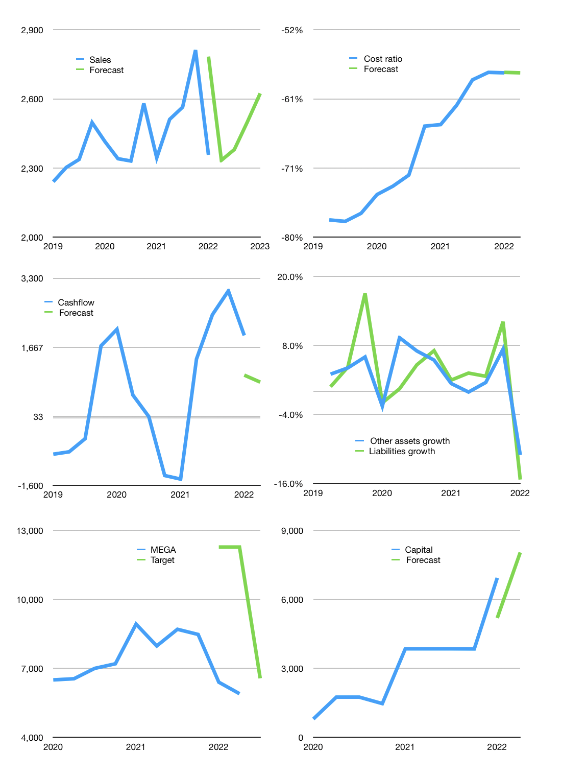
Financial model
Rpbn |  |  | 4Q 2022
Cashflow | 1% |  |  | 3%
Growth | -1% | 2% | 5% | 5%
Sales | 2,333 | 2,380 | 2,499 | 2,624
Cost ratio | -58% | -58% | -58% | -58%
Cash costs | -1,349 | -1,376 | -1,445 | -1,517
Operating | 984 | 1,004 | 1,054 | 1,107
Investment | -266 | -266 | -266 | -266
Finance | -261 | -267 | -282 | -298
Payout | 0.3
Equity | -261 | -267 | -282 | -298
Before revolver | 457 | 471 | 506 | 543
Revolver | 0 | 0 | 0 | 0
Beginning | 10,654 | 11,111 | 11,582 | 12,088
Change | 457 | 471 | 506 | 543
Ending | 11,111 | 11,582 | 12,088 | 12,631
Profit
Depreciation | -68 | -68 | -68 | -68
Provision | -46 | -46 | -46 | -46
Net profit | 870 | 890 | 940 | 992
Balance sheet
Other assets | 104,802 | 105,068 | 105,334 | 105,600
Depreciation | 2,109 | 2,224 | 2,338 | 2,453
Net other assets | 102,693 | 102,845 | 102,996 | 103,148
Liabilities | 96,290 | 96,290 | 96,290 | 96,290
Revolver | 0 | 0 | 0 | 0
Equity | 17,514 | 18,137 | 18,794 | 19,489
Check | 0 | 0 | 0 | 0
Valuation
Capital | 7,193 | 7,460 | 7,742 | 8,040
Current value |  |  |  | 69,271,312,076,800
Current value |  |  |  | 69,271
P/assets |  |  |  | 0.60
Yield |  |  |  | 2%
Cashfkow |  |  |  | 3,085
Valuation |  |  |  | 22
Forecast |  |  |  | 25
Value |  |  |  | 77,134
Shares |  |  |  | 12
Target |  |  |  | 6,570
Current |  |  |  | 5,900
V target |  |  |  | 11%
12 month growth |  |  |  | 1%
Sales forecasts |  |  |  | 18%

Capital
Capital
 | Liabilities | Equity | Total | Liabilities | Equity | Total
1998 |  |  | 0 | 0 | 0 | 0
1999 |  |  | 0 | 0 | 0 | 0
2000 |  |  | 0 | 0 | 0 | 0
2001 |  |  | 0 | 0 | 0 | 0
2002 |  |  | 0 | 0 | 0 | 0
2003 |  |  | 0 | 0 | 0 | 0
2004 |  |  | 0 | 0 | 0 | 0
2005 |  |  | 0 | 0 | 0 | 0
2006 |  |  | 0 | 0 | 0 | 0
2007 | 254 |  | 254 | 254 | 0 | 254
2008 | 646 | -104 | 542 | 900 | -104 | 796
2009 | -121 |  | -121 | 779 | -104 | 675
2010 | 243 |  | 243 | 1,022 | -104 | 918
2011 | 101 | -500 | -399 | 1,123 | -604 | 519
2012 | -152 |  | -152 | 971 | -604 | 367
2013 | -1,071 | -693 | -1,764 | -100 | -1,297 | -1,397
2014 | -28 |  | -28 | -128 | -1,297 | -1,425
2015 | 1,116 | -100 | 1,016 | 988 | -1,397 | -409
2016 | -670 | -526 | -1,196 | 318 | -1,923 | -1,605
2017 | -403 | -579 | -982 | -85 | -2,502 | -2,587
2018 | -144 | -650 | -794 | -229 | -3,152 | -3,381
2019 |  | -800 | -800 | -229 | -3,952 | -4,181
2020 | 331 | -1,001 | -670 | 102 | -4,953 | -4,851
2021 | -277 | -2,100 | -2,377 | -175 | -7,053 | -7,228 | -482 | -1,125 | -3081
2022 | -285 | -2,800 | -3,085 | -460 | -9,853 | -10,313

MEGA HAS RAPIDLY PAID OUT -7.2 TRILLION RUPIAH

