Model
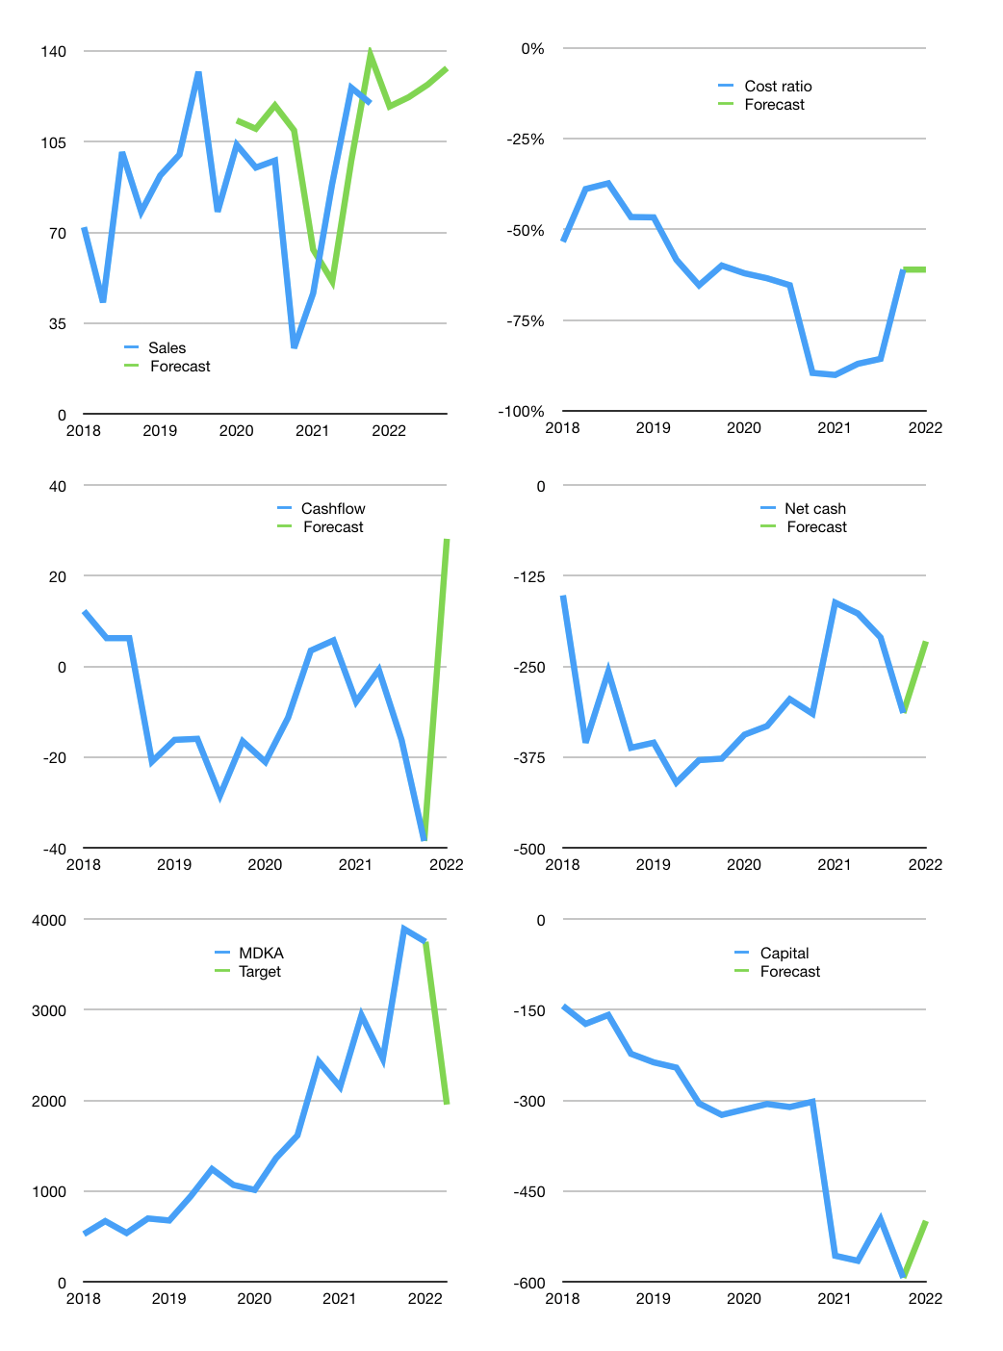
Financial model
$m |  |  |  | 4Q 2022
Cashflow | 53% |  |  | 3%
Growth | -1% | 3% | 4% | 5%
Sales | 119 | 122 | 127 | 133
Cost ratio | -61% | -61% | -61% | -61%
Cash costs | -72 | -75 | -78 | -82
Operating | 46 | 48 | 49 | 52
Leases | -6 | -6 | -6 | -6
Investment | -18 | -18 | -18 | -18
Finance | -28 | -29 | -31 | -28
Liabilities | -25 | -24 | -23 | -21
Equity | -5 | -5 | -6 | -7
Before revolver | -2 | 0 | 3 | 5
Revolver | 2 | 0 | -2 | 0
Beginning | 185 | 185 | 185 | 186
Change | 0 | 0 | 1 | 5
Ending | 185 | 185 | 186 | 191
Profit
Non cash costs | -29 | -29 | -29 | -29
Net profit | 17 | 18 | 20 | 23
Balance sheet
Other assets | 1,500 | 1,518 | 1,537 | 1,555
Depreciation | 417 | 447 | 476 | 505
Net other assets | 1,083 | 1,072 | 1,061 | 1,050
Liabilities | 474 | 450 | 428 | 406
Revolver | 2 | 2 | 0 | 0
Equity | 792 | 805 | 819 | 834
Check | 0 | 0 | 0 | 0
Net cash | -291 | -267 | -242 | -215
Valuation
Rupiah |  |  |  | 14
Capital | -571 | -547 | -522 | -499
Current value |  |  |  | 6,135
P/assets |  |  |  | 4.94
Yield |  |  |  | 1%
Cashflow |  |  |  | 100
Payback |  |  |  | 11
Valuation |  |  |  | 61
Forecast |  |  |  | 32
Value |  |  |  | 3,200
Shares |  |  |  | 23
Target |  |  |  | 1,956
Current |  |  |  | 3,750
V target |  |  |  | -48%
12 month growth |  |  |  | 372%
Sales v forecast |  |  |  | 14%

Capital
Capital
$m | Liabilities | Equity | Total | Liabilities | Equity | Total
2012 |  | 6 | 6 | 0 | 6 | 6
2013 |  | 14 | 14 | 0 | 20 | 20
2014 |  | 7 | 7 | 0 | 26 | 26
2015 |  | 71 | 71 | 0 | 98 | 98
2016 | 120 |  | 120 | 120 | 98 | 218
2017 | 0 |  | 0 | 120 | 98 | 218
2018 | -38 | 92 | 53 | 82 | 189 | 271
2019 | -10 | 60 | 50 | 72 | 249 | 321
2020 | -24 | 2 | -22 | 49 | 251 | 299
2021 | 16 | 182 | 198 | 65 | 432 | 497

MDKA HALF A BILLION DOLLARS RAISED MOSTLY EQUITY

