Model
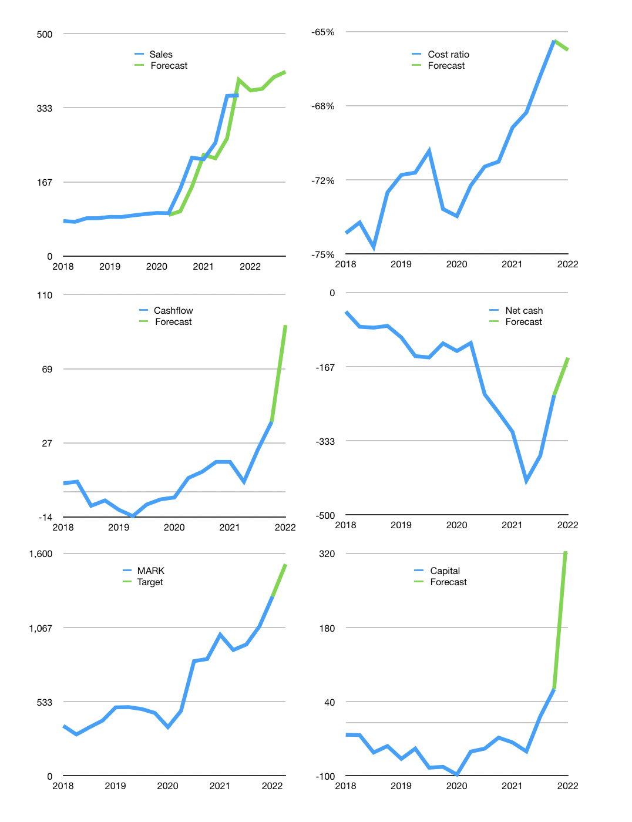
Financial model
Rpbn |  |  |  | 4Q 2022
Cashflow | 14% |  |  | 4%
Growth | 3% | 1% | 7% | 3%
Sales | 372 | 376 | 402 | 414
Cost ratio | -66% | -66% | -66% | -66%
Cash costs | -245 | -247 | -265 | -273
Operating | 127 | 128 | 137 | 142
Investment | -49 | -49 | -49 | -49
Finance | -78 | -77 | -81 | -82
Liabilities | -17 | -16 | -15 | -14
Equity | -61 | -61 | -66 | -68
Before revolver | 1 | 3 | 8 | 11
Revolver | 0 | 0 | 0 | 0
Beginning | 104 | 105 | 108 | 116
Change | 1 | 3 | 8 | 11
Ending | 105 | 108 | 116 | 126
Profit
Non cash costs | -6 | -6 | -6 | -6
Net profit | 122 | 123 | 132 | 136
Balance sheet
Other assets | 1,119 | 1,167 | 1,216 | 1,264
Depreciation | 102 | 107 | 113 | 119
Net other assets | 1,017 | 1,060 | 1,103 | 1,146
Liabilities | 318 | 302 | 287 | 273
Revolver | 0 | 0 | 0 | 0
Equity | 804 | 865 | 931 | 999
Check | 0 | 0 | 0 | 0
Net cash | -213 | -195 | -172 | -147
Valuation
Capital | 141 | 218 | 299 | 382
Current value |  |  |  | 4,902,000,000,000
Current value |  |  |  | 4,902
P/assets |  |  |  | 3.9
Yield |  |  |  | 5%
Cashflow |  |  |  | 340
Payback |  |  |  | 3
Valuation |  |  |  | 14
Forecast |  |  |  | 17
Value |  |  |  | 5,786
Shares |  |  |  | 4
Target |  |  |  | 1,523
Current |  |  |  | 1,290
V target |  |  |  | 18%
12 month growth |  |  |  | 64%
Sales forecasts |  |  |  | -12%

