Model
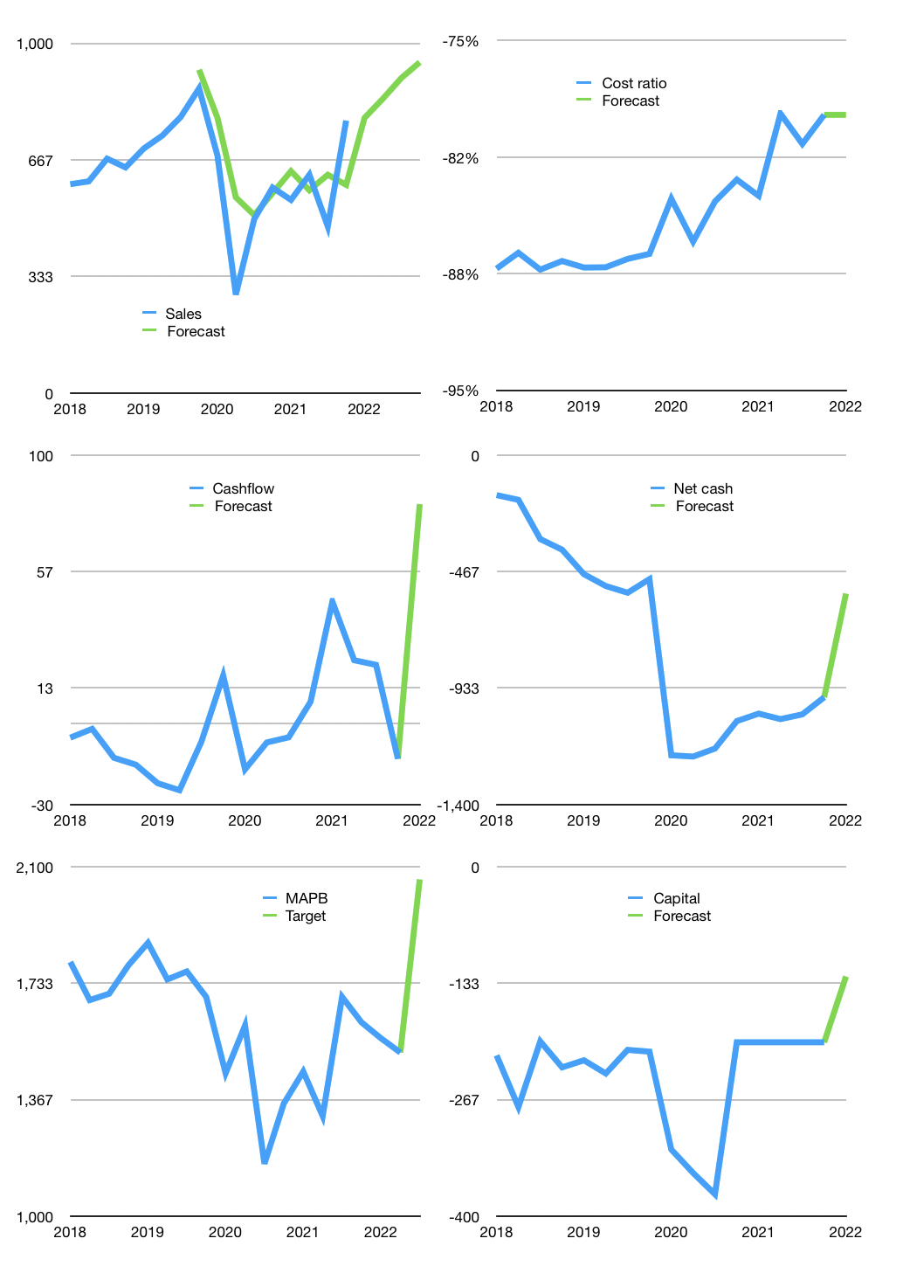
Financial model
Rpbn |  |  |  | 4Q 2022
Cashflow | 12% |  |  | 5%
Growth | 1% | 7% | 7% | 5%
Sales | 787 | 842 | 901 | 946
Cost ratio | -79% | -79% | -79% | -79%
Cash costs | -623 | -667 | -714 | -749
Operating | 163 | 175 | 187 | 196
Investment | -62 | -62 | -62 | -62
Leases | -53 | -53 | -53 | -53
Finance | -71 | -72 | -72 | -72
Liabilities | -61 | -58 | -55 | -53
Revolver | 0 | 0 | 0 | 0
Payout | 0.3
Equity | -10 | -13 | -17 | -20
Before revolver | 31 | 42 | 53 | 62
Beginning | 256 | 287 | 329 | 382
Change | 31 | 42 | 53 | 62
Ending | 287 | 329 | 382 | 444
Profit
Non cash costs | -131 | -131 | -131 | -131
Net profit | 33 | 44 | 56 | 66
Balance sheet
Other assets | 4,174 | 4,235 | 4,297 | 4,358
Depreciation | 2,258 | 2,389 | 2,519 | 2,650
Net other assets | 1,916 | 1,847 | 1,778 | 1,709
Liabilities | 1,166 | 1,107 | 1,052 | 999
Revolver | 0 | 0 | 0 | 0
Equity | 1,037 | 1,068 | 1,107 | 1,153
Check | 0 | 0 | 0 | 0
Net debt | -879 | -779 | -670 | -555
Valuation
Capital | -183 | -164 | -145 | -126
Current value |  |  |  | 3,288,943,703,040
Current value |  |  |  | 3,289
P/assets |  |  |  | 1.53
Yield |  |  |  | 1.8%
Cashflow |  |  |  | 263
Payback |  |  |  | 8
Valuation |  |  |  | 13
Forecast |  |  |  | 17
Value |  |  |  | 4,472
Shares |  |  |  | 2
Target |  |  |  | 2,060
Current |  |  |  | 1,515
V target |  |  |  | 36%
12 month growth |  |  |  | 33%
Sales forecasts |  |  |  | 8%

Share price
Share price
 | MAPB | Target | Previous
2018 | 1,800
 | 1,680
 | 1,700
 | 1,790
2019 | 1,860
 | 1,745
 | 1,770
 | 1,690
2020 | 1,450
 | 1,600
 | 1,165
 | 1,355
2021 | 1,455
 | 1,315
 | 1,690
 | 1,610
 | Region 1 | Region 2
April | 17 | 55
May | 26 | 43
June | 53 | 70
July | 96 | 58
2022 | 1,560
 | 1,515 | 1,515 | 1,746
 |  | 2,060

Capital
Capital
Rpbn | Liabilities | Equity | Total | Liabilities | Equity | Total
2013 |  | 13 | 13 | 0 | 13 | 13
2014 |  |  | 0 | 0 | 13 | 13
2015 |  |  | 0 | 0 | 13 | 13
2016 | 725 | -146 | 579 | 725 | -134 | 592
2017 |  | 15 | 15 | 725 | -119 | 607
2018 |  | 74 | 74 | 725 | -45 | 681
2019 |  |  | 0 | 725 | -45 | 681
2020 |  |  | 0 | 725 | -45 | 681
2021 |  |  | 0 | 725 | -45 | 681

 |  |  |  |  |  |  | Table 1

 |  |  |  |  |  |  |  | MAPB | capital history
 |  |  |  |  |  |  |  | 2022-02-01 | 22 | 2022
 |  |  |  |  |  |  |  | Start date | 2013
 |  |  |  |  |  |  |  | Number of quarters | 35
 |  |  |  |  |  |  |  | Liabilities | 725 | billion rupiah | raised
 |  |  |  |  |  |  |  | MAPB | has | raised | liabilities | by an average | 81 | billion rupiah | every year
 |  |  |  |  |  |  |  | In the last 5 years | liabilities | were | paid | by an average | 0 | billion rupiah | every year
 |  |  |  |  |  |  |  | The peak in cumulative liabilities | was | 725 | billion rupiah | in | 2016
 |  |  |  |  |  |  |  | As of the latest quarter | liabilities | cumulative | are | up | to | 725 | billion rupiah
MAPB HAS 681 BILLION RUPIAH TO PAY
 |  |  |  |  |  |  |  | Equity | -45 | billion rupiah | paid
 |  |  |  |  |  |  |  | MAPB | has | paid | equity | by an average | -5 | billion rupiah | every year
 |  |  |  |  |  |  |  | In the last 5 years | equity | was | raised | by an average | 18 | billion rupiah | every year
 |  |  |  |  |  |  |  | The peak in cumulative equity | was | 13 | billion rupiah | in | 2013
 |  |  |  |  |  |  |  | As of the latest quarter | equity | cumulative | is | down | to | -45 | billion rupiah
 |  |  |  |  |  |  |  | Total capital | 681 | billion rupiah | raised
 |  |  |  |  |  |  |  | MAPB | has | raised | total capital | by an average | 76 | billion rupiah | every year
 |  |  |  |  |  |  |  | In the last 5 years | total capital | was | raised | by an average | 18 | billion rupiah | every year
 |  |  |  |  |  |  |  | The peak in cumulative total capital | was | 681 | billion rupiah | in | 2018
 |  |  |  |  |  |  |  | As of the latest quarter | total capital | cumulative | is | up | to | 681 | billion rupiah

