Model
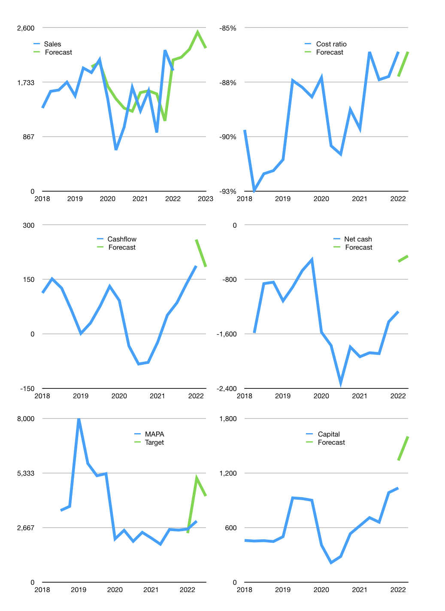
Financial model
Rpbn |  |  | 4Q 2022
Cashflow | 27% |  |  | 5%
Growth | 11% | 6% | 12% | -10%
Sales | 2,127 | 2,255 | 2,526 | 2,273
Cost ratio | -86% | -86% | -86% | -86%
Cash costs | -1,833 | -1,943 | -2,177 | -1,959
Operating | 294 | 312 | 349 | 314
Investment | -65 | -65 | -65 | -65
Leases | -65 | -65 | -65 | -65
Finance | -142 | -142 | -149 | -134
Liabilities | -100 | -95 | -91 | -86
Revolver | 0 | 0 | 0 | 0
Payout | 0.3
Equity | -42 | -47 | -58 | -48
Before revolver | 87 | 105 | 135 | 116
Beginning | 733 | 820 | 925 | 1,060
Change | 87 | 105 | 135 | 116
Ending | 820 | 925 | 1,060 | 1,176
Profit
Non cash costs | -155 | -155 | -155 | -155
Net profit | 139 | 157 | 194 | 159
Balance sheet
Other assets | 6,805 | 6,870 | 6,934 | 6,999
Depreciation | 2,222 | 2,377 | 2,532 | 2,687
Net other assets | 4,583 | 4,493 | 4,402 | 4,312
Liabilities | 1,906 | 1,810 | 1,720 | 1,634
Revolver | 0 | 0 | 0 | 0
Equity | 3,497 | 3,607 | 3,743 | 3,854
Check | 0 | 0 | 0 | 0
Net cash | -1,086 | -886 | -660 | -458
Valuation
Capital | 1,177 | 1,319 | 1,468 | 1,602
Current value |  |  |  | 8,494,192,000,000
Current value |  |  |  | 8,494
P/assets |  |  |  | 1.55
Yield |  |  |  | 2%
Cashflow |  |  |  | 749
Payback |  |  |  | 6
Valuation |  |  |  | 11
Forecast |  |  |  | 16
Value |  |  |  | 11,984
Shares |  |  |  | 3
Target |  |  |  | 4,204
Current |  |  |  | 2,980
V target |  |  |  | 41%
12 month growth |  |  |  | 50%
Sales forecasts |  |  |  | 6%

