Model
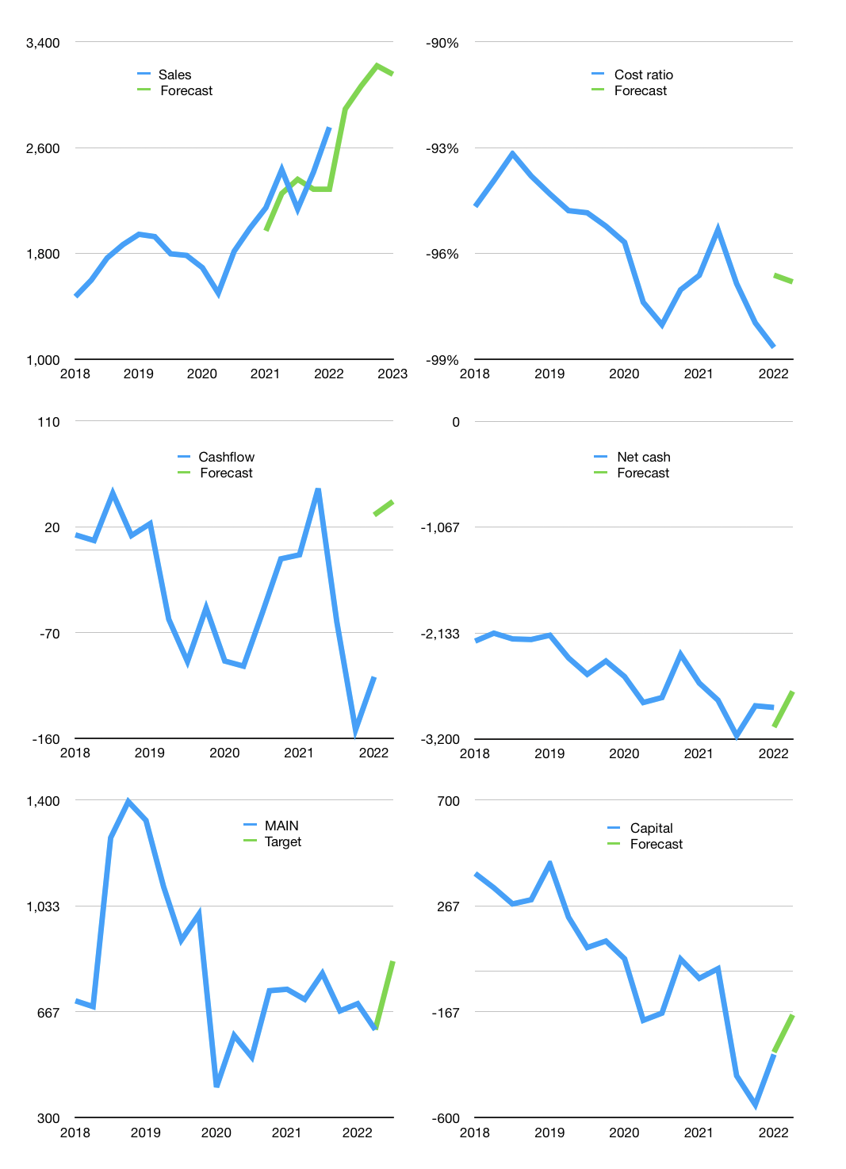
Financial model
Rp bn |  |  | 4Q 2022
Cashflow | 7% |  |  | 4%
Growth | 5% | 6% | 5% | -2%
Sales | 2,892 | 3,065 | 3,218 | 3,154
Cost ratio | -97% | -97% | -97% | -97%
Cash costs | -2,799 | -2,967 | -3,116 | -3,053
Operating | 92 | 98 | 103 | 101
Investment | -58 | -58 | -58 | -58
Leases | -1 | -1 | -1 | -1
Finance | -34 | -40 | -45 | -43
Liabilities | -150 | -143 | -136 | -129
Revolver | 116 | 103 | 91 | 86
Payout | 0.0
Equity | 0 | 0 | 0 | 0
Before revolver | -116 | -103 | -91 | -86
Beginning | 122 | 122 | 122 | 122
Change | 0 | 0 | 0 | 0
Ending | 122 | 122 | 122 | 122
Profit
Non cash costs | -68 | -68 | -68 | -68
Profit | 24 | 30 | 35 | 33
Balance sheet
Other assets | 7,557 | 7,615 | 7,673 | 7,731
Depreciation | 2,288 | 2,356 | 2,424 | 2,492
Net other assets | 5,269 | 5,259 | 5,249 | 5,239
Liabilities | 2,857 | 2,714 | 2,578 | 2,449
Revolver | 116 | 219 | 310 | 396
Equity | 2,418 | 2,448 | 2,483 | 2,516
Check | 0 | 0 | 0 | 0
Net cash | -2,851 | -2,811 | -2,766 | -2,723
Valuation
Capital | -307 | -267 | -222 | -179
Current value |  |  |  | 1,354,443,720,960
Current value |  |  |  | 1,354
P/assets |  |  |  | 0.25
Yield |  |  |  | 0%
Cashflow |  |  |  | 157
Payback |  |  |  | 34
Valuation |  |  |  | 9
Forecast |  |  |  | 12
Value |  |  |  | 1,886
Shares |  |  |  | 2
Target |  |  |  | 842
Current |  |  |  | 605
V target |  |  |  | 39%
12 month growth |  |  |  | 28%
Sales v forecasts |  |  |  | -6%

