Model
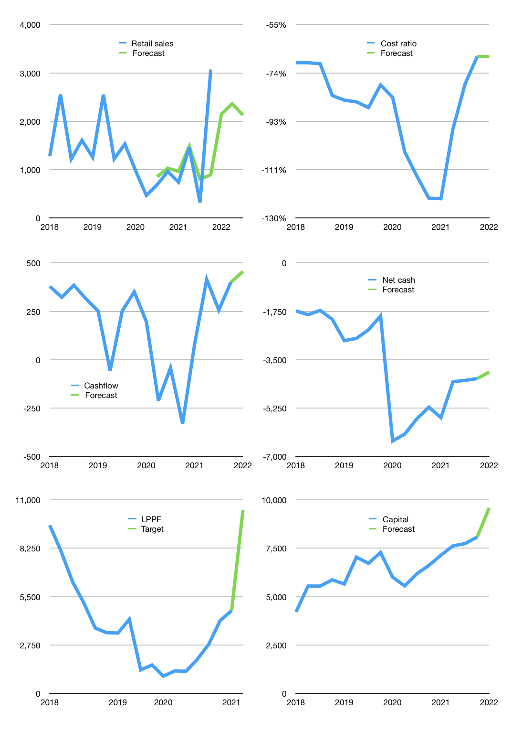
Financial model
Rpbn |  |  |  | 4Q 2022
Cashflow | 214% |  |  | -3%
Growth | -30% | 10% | -10% | 20%
Sales | 2,149 | 2,364 | 2,127 | 2,553
Cost ratio | -67% | -67% | -67% | -67%
Cash costs | -1449 | -1594 | -1434 | -1721
Operating | 700 | 770 | 693 | 831
Investment | -143 | -143 | -143 | -143
Leases | -150 | -150 | -150 | -150
Finance | -381 | -389 | -355 | -385
Liabilities | -242 | -230 | -219 | -208
Revolver | 0 | 0 | 0 | 0
Equity | -138 | -159 | -136 | -178
Before revolver | 176 | 237 | 195 | 303
Beginning | 661 | 837 | 1,075 | 1,269
Change | 176 | 237 | 195 | 303
Ending | 837 | 1,075 | 1,269 | 1,572
Profit
Non cash costs | -239 | -239 | -239 | -239
Net profit | 461 | 531 | 454 | 593
Balance sheet
Other assets | 9,015 | 9,158 | 9,301 | 9,444
Depreciation | 3,920 | 4,159 | 4,398 | 4,637
Net other assets | 5,094 | 4,999 | 4,903 | 4,807
Liabilities | 4,603 | 4,373 | 4,154 | 3,946
Revolver | 0 | 0 | 0 | 0
Equity | 1,329 | 1,701 | 2,018 | 2,433
Check | 0 | 0 | 0 | 0
Net cash | -4,603 | -4,373 | -4,154 | -3,946
Valuation
Capital | 8,457 | 8,847 | 9,202 | 9,587
Current value |  |  |  | 12,342,904,487,936
Current value |  |  |  | 12,343
P/assets |  |  |  | 1.93
Yield |  |  |  | 5%
Cashflow |  |  |  | 1,823
Payback |  |  |  | 3
Valuation |  |  |  | 7
Forecast |  |  |  | 15
Value |  |  |  | 27,341
Shares |  |  |  | 3
Target |  |  |  | 10,411
Current |  |  |  | 4,700
V target |  |  |  | 122%
12 month growth |  |  |  | 219%
Sales v forecast |  |  |  | -17%

Capital
Capital
Rpbn | Liabilities | Equity | Total | Liabilities | Equity | Total
2008 | -5 |  | -5 | -5 | 0 | -5
2009 | -13 | 420 | 408 | -17 | 420 | 403
2010 | 3,946 | 4,036 | 7,982 | 3,929 | 4,456 | 8,385
2011 | 626 | -3 | 624 | 4,555 | 4,454 | 9,008
2012 | -679 |  | -679 | 3,876 | 4,454 | 8,329
2013 | -1,400 |  | -1,400 | 2,476 | 4,454 | 6,929
2014 | -988 | -460 | -1,448 | 1,488 | 3,994 | 5,481
2015 | -700 | -851 | -1,551 | 788 | 3,143 | 3,930
2016 |  | -1,247 | -1,247 | 788 | 1,896 | 2,683
2017 |  | -1,414 | -1,414 | 788 | 482 | 1,269
2018 |  | -1,659 | -1,659 | 788 | -1,177 | -390
2019 |  | -1,416 | -1,416 | 788 | -2,593 | -1,806
2020 | 1,011 | -337 | 674 | 1,799 | -2,930 | -1,132
2021 | -1,011 | -120 | -1,131 | 788 | -3,050 | -2,263

LPPF RAISED 9 TRILLION & HAS NOW PAID 2.2 TRILLION RUPIAH
 |  |  |  |  |  |  | Table 1

 |  |  |  |  |  |  |  | LPPF | capital history
 |  |  |  |  |  |  |  | 2022-02-01 | 19 | 2022
 |  |  |  |  |  |  |  | Start date | 2008
 |  |  |  |  |  |  |  | Number of quarters | 51
 |  |  |  |  |  |  |  | Liabilities | 788 | billion rupiah | raised
 |  |  |  |  |  |  |  | LPPF | has | raised | liabilities | by an average | 79 | billion rupiah | every year
 |  |  |  |  |  |  |  | In the last 5 years | liabilities | were | paid | by an average | 0 | billion rupiah | every year
 |  |  |  |  |  |  |  | The peak in cumulative liabilities | was | 4,555 | billion rupiah | in | 2011
 |  |  |  |  |  |  |  | As of the latest quarter | liabilities | cumulative | are | down | to | 788 | billion rupiah
 |  |  |  |  |  |  |  | Equity | -3,050 | billion rupiah | paid
 |  |  |  |  |  |  |  | LPPF | has | paid | equity | by an average | -277 | billion rupiah | every year
 |  |  |  |  |  |  |  | In the last 5 years | equity | was | paid | by an average | -989 | billion rupiah | every year
 |  |  |  |  |  |  |  | The peak in cumulative equity | was | 4,456 | billion rupiah | in | 2010
 |  |  |  |  |  |  |  | As of the latest quarter | equity | cumulative | is | down | to | -3,050 | billion rupiah
 |  |  |  |  |  |  |  | Total capital | -2,263 | billion rupiah | paid
 |  |  |  |  |  |  |  | LPPF | has | paid | total capital | by an average | -162 | billion rupiah | every year
 |  |  |  |  |  |  |  | In the last 5 years | total capital | was | paid | by an average | -989 | billion rupiah | every year
 |  |  |  |  |  |  |  | The peak in cumulative total capital | was | 9,008 | billion rupiah | in | 2011
 |  |  |  |  |  |  |  | As of the latest quarter | total capital | cumulative | is | down | to | -2,263 | billion rupiah

