Model
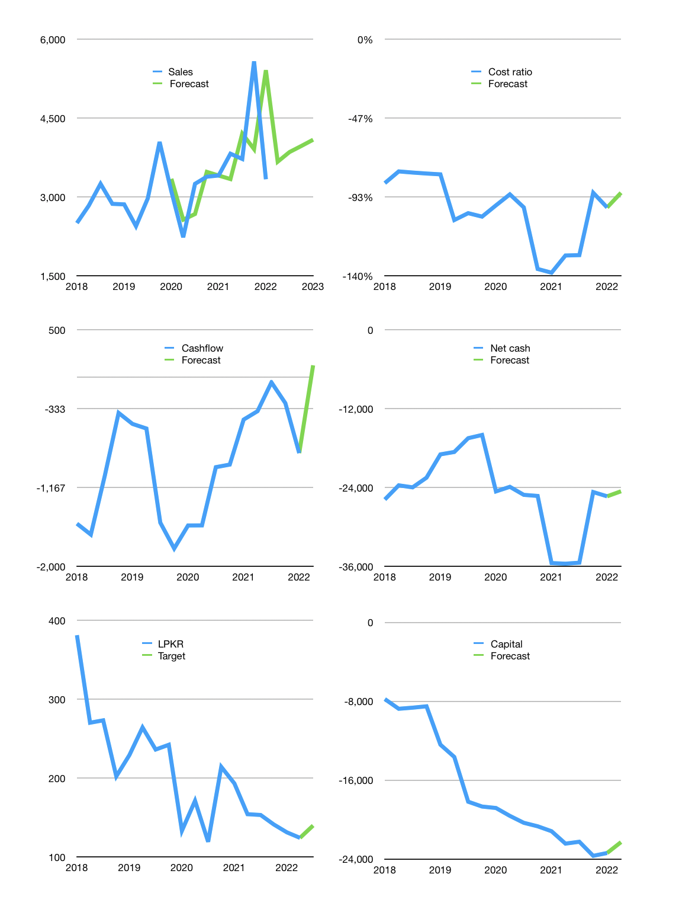
Financial model
Rpbn |  |  | 4Q 2022
Cashflow | 5% |  |  | 5%
Growth | 10% | 5% | 3% | 3%
Sales | 3,669 | 3,853 | 3,969 | 4,088
Cost ratio | -91% | -91% | -91% | -91%
Cash costs | -3,335 | -3,502 | -3,607 | -3,715
Operating | 334 | 351 | 362 | 372
Investment | -164 | -164 | -164 | -164
Leases | -85 | -85 | -85 | -85
Finance | -170 | -187 | -198 | -209
Liabilities | -1,489 | -1,415 | -1,344 | -1,277
Revolver | 1,319 | 1,228 | 1,146 | 1,068
Payout | 0.0
Equity | 0 | 0 | 0 | 0
Before revolver | -1,319 | -1,228 | -1,146 | -1,068
Beginning | 4,434 | 4,434 | 4,434 | 4,434
Change | 0 | 0 | 0 | 0
Ending | 4,434 | 4,434 | 4,434 | 4,434
Profit
Non cash costs | -337 | -337 | -337 | -337
Profit | -3 | 14 | 25 | 36
Balance sheet
Other assets | 55,575 | 55,739 | 55,903 | 56,067
Depreciation | 8,335 | 8,672 | 9,009 | 9,346
Net other assets | 47,240 | 47,067 | 46,894 | 46,721
Liabilities | 28,298 | 26,883 | 25,539 | 24,262
Revolver | 1,319 | 2,547 | 3,693 | 4,761
Equity | 22,057 | 22,072 | 22,096 | 22,132
Check | 0 | 0 | 0 | 0
Net cash | -25,183 | -24,995 | -24,798 | -24,589
Valuation
Capital | -23,141 | -22,869 | -22,586 | -22,293
Current value |  |  |  | 8,782,821,195,776
Current value |  |  |  | 8,783
P/assets |  |  |  | 0.17
Yield |  |  |  | 0%
Cashflow |  |  |  | 494
Payback |  |  |  | 96
Valuation |  |  |  | 18
Forecast |  |  |  | 20
Value |  |  |  | 9,890
Shares |  |  |  | 71
Target |  |  |  | 140
Current |  |  |  | 124
V target |  |  |  | 13%
12 month growth |  |  |  | -2%
Sales forecasts |  |  |  | 2%

Capital
Capital
Rpbn | Liabilities | Equity | Total | Liabilities | Equity | Total
2005 | 524 | 889 | 1,413 | 524 | 889 | 1,413
2006 | 1,637 | -42 | 1,595 | 2,161 | 847 | 3,008
2007 | 303 | 887 | 1,190 | 2,464 | 1,734 | 4,198
2008 | -60 | 0 | -60 | 2,404 | 1,734 | 4,138
2009 | 61 | 0 | 61 | 2,465 | 1,734 | 4,199
2010 | 633 | 2,323 | 2,956 | 3,098 | 4,057 | 7,155
2011 | 297 | 794 | 1,091 | 3,395 | 4,851 | 8,246
2012 | 2,092 | -341 | 1,751 | 5,487 | 4,510 | 9,997
2013 | 125 | 1,038 | 1,163 | 5,612 | 5,548 | 11,160
2014 | 1,805 | -349 | 1,456 | 7,417 | 5,199 | 12,616
2015 | 1,266 | -518 | 748 | 8,683 | 4,681 | 13,364
2016 | 1,199 | 407 | 1,606 | 9,882 | 5,088 | 14,970
2017 | -52 | 5,938 | 5,886 | 9,830 | 11,026 | 20,856
2018 | 147 | -76 | 71 | 9,977 | 10,950 | 20,927
2019 | -2,181 | 11,904 | 9,723 | 7,796 | 22,854 | 30,650
2020 | 1,421 | 0 | 1,421 | 9,217 | 22,854 | 32,071
2021 | 3,250 | -253 | 2,997 | 12,467 | 22,601 | 35,068

LPKR 35 trillion raised
 |  |  |  |  |  |  | Table 1-1

 |  |  |  |  |  |  |  | Market value | IDR8782821195776
 |  |  |  |  |  |  |  | LPKR | capital history | 35,068 | billion rupiah | raised
 |  |  |  |  |  |  |  | 2022-04-12
 |  |  |  |  |  |  |  | Start date | 2005
 |  |  |  |  |  |  |  | Number of quarters | 68
 |  |  |  |  |  |  |  | Market value Rpbn | 8,783
 |  |  |  |  |  |  |  | Liabilities | 12,467 | billion rupiah | raised
 |  |  |  |  |  |  |  | LPKR | has | raised | liabilities | by an average | 733 | billion rupiah | every year | 8% | of market value
 |  |  |  |  |  |  |  | In the last 5 years | liabilities | were | raised | by an average | 517 | billion rupiah | every year | 6% | of market value
 |  |  |  |  |  |  |  | The peak in cumulative liabilities | was | 12,467 | billion rupiah | in | 2021
 |  |  |  |  |  |  |  | As of the latest quarter | liabilities | cumulative | are | up | to | 12,467 | billion rupiah
 |  |  |  |  |  |  |  | Equity | 22,601 | billion rupiah | raised
 |  |  |  |  |  |  |  | LPKR | has | raised | equity | by an average | 1,329 | billion rupiah | every year | 15% | of market value
 |  |  |  |  |  |  |  | In the last 5 years | equity | was | raised | by an average | 3,503 | billion rupiah | every year | 40% | of market value
 |  |  |  |  |  |  |  | The peak in cumulative equity | was | 22,854 | billion rupiah | in | 2019
 |  |  |  |  |  |  |  | As of the latest quarter | equity | cumulative | is | down | to | 22,601 | billion rupiah
 |  |  |  |  |  |  |  | Total capital | 35,068 | billion rupiah | raised
 |  |  |  |  |  |  |  | LPKR | has | raised | total capital | by an average | 2,063 | billion rupiah | every year | 23% | of market value
 |  |  |  |  |  |  |  | In the last 5 years | total capital | was | raised | by an average | 4,020 | billion rupiah | every year | 46% | of market value
 |  |  |  |  |  |  |  | The peak in cumulative total capital | was | 35,068 | billion rupiah | in | 2021
 |  |  |  |  |  |  |  | As of the latest quarter | total capital | cumulative | is | up | to | 35,068 | billion rupiah | 25% | of market value | paid every year since 2019

