Model
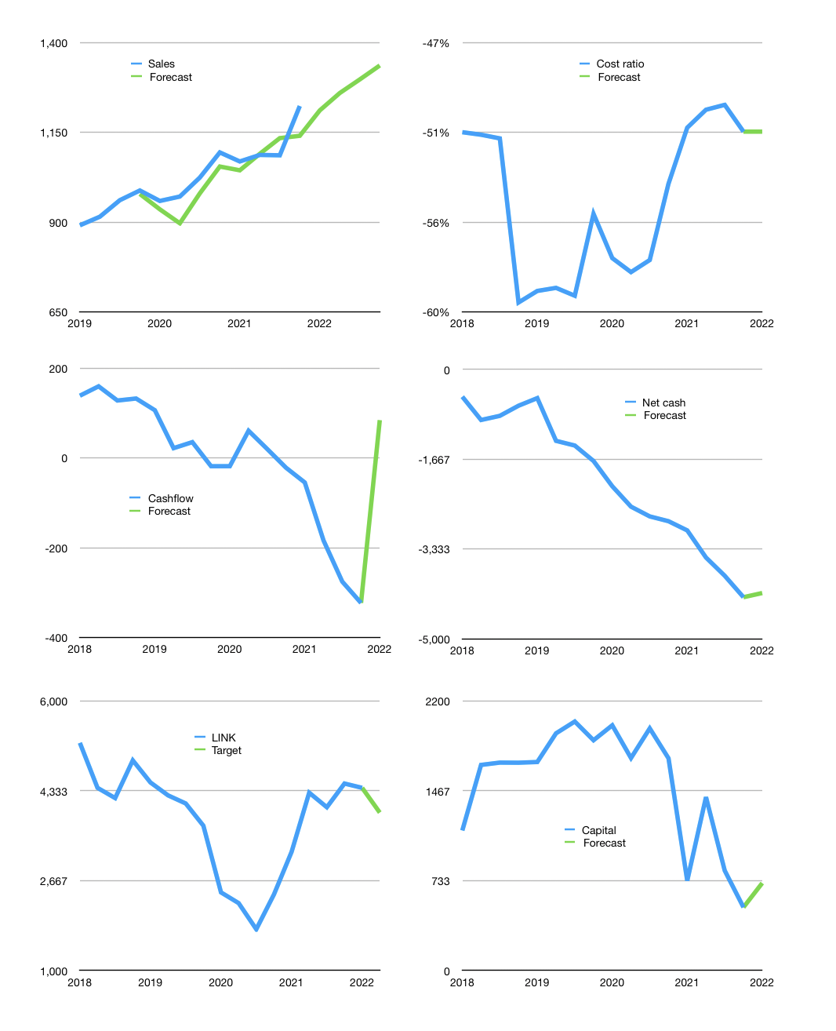
Financial model
Rpbn |  |  |  | 4Q 2022
Cashflow | 3% |  |  | 2%
Growth | -1% | 4% | 3% | 3%
Sales | 1,211 | 1,259 | 1,297 | 1,336
Cost ratio | -51% | -51% | -51% | -51%
Cash costs | -621 | -646 | -665 | -685
Operating | 590 | 613 | 632 | 651
Investment | -572 | -572 | -572 | -572
Leases | 6 | 6 | 6 | 6
Liabilities | -225 | -214 | -203 | -193
Payout | 0.1
Equity | -27 | -29 | -31 | -33
Before revolver | -234 | -202 | -174 | -147
Revolver | 234 | 202 | 174 | 147
Finance | -18 | -41 | -60 | -79
Beginning | 270 | 270 | 270 | 270
Change | 0 | 0 | 0 | 0
Ending | 270 | 270 | 270 | 270
Profit
Non cash costs | -320 | -320 | -320 | -320
Net profit | 270 | 293 | 312 | 331
Balance sheet
Other assets | 16,376 | 16,948 | 17,520 | 18,091
Depreciation | 6,647 | 6,967 | 7,287 | 7,607
Net other assets | 9,729 | 9,981 | 10,233 | 10,484
Liabilities | 4,273 | 4,059 | 3,856 | 3,664
Revolver | 234 | 436 | 610 | 757
Equity | 5,492 | 5,756 | 6,036 | 6,334
Check | 0 | 0 | 0 | 0
Net cash | -4,237 | -4,225 | -4,196 | -4,151
Valuation
Capital | 534 | 575 | 635 | 714
Current value |  |  |  | 12,079,436,136,448
Current value |  |  |  | 12,079
P/assets |  |  |  | 0.66
Yield |  |  |  | 1%
Cashflow |  |  |  | 338
Payback |  |  |  | 28
Valuation |  |  |  | 36
Forecast |  |  |  | 32
Value |  |  |  | 10,816
Shares |  |  |  | 3
Target |  |  |  | 3,931
Current |  |  |  | 4,390
V target |  |  |  | -10%
12 month growth |  |  |  | 12%
Sales forecasts |  |  |  | -3%

