Model
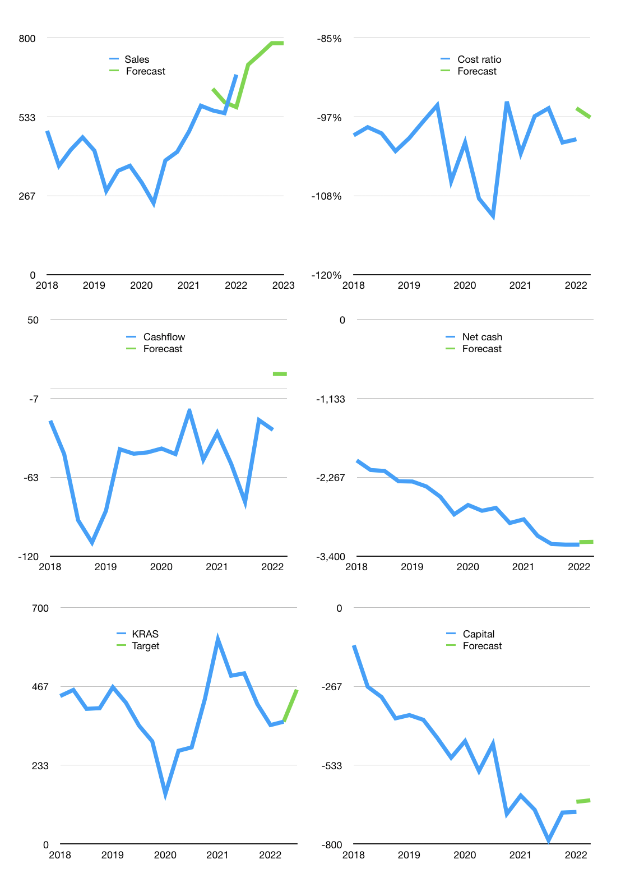
Financial model
$m |  |  | 4Q 2022
Cashflow | 9% |  |  | 4%
Growth | 5% | 5% | 5% | 0%
Sales | 710 | 745 | 783 | 783
Cost ratio | -97% | -97% | -97% | -97%
Cash costs | -687 | -721 | -757 | -757
Operating | 23 | 24 | 25 | 25
Investment | -15 | -15 | -15 | -15
Finance | -8 | -10 | -11 | -11
Liabilities | -168 | -160 | -152 | -144
Revolver | 160 | 150 | 141 | 133
Payout | 0.0
Equity | 0 | 0 | 0 | 0
Before revolver | -160 | -150 | -141 | -133
Beginning | 124 | 124 | 124 | 124
Change | 0 | 0 | 0 | 0
End | 124 | 124 | 124 | 124
Profit
Non cash costs | -17 | -17 | -17 | -17
JV | 21 | 21 | 21 | 21
Profit | 28 | 29 | 30 | 30
Balance sheet
Other assets | 5,899 | 5,934 | 5,970 | 6,006
Depreciation | 2,089 | 2,105 | 2,122 | 2,138
Net other assets | 3,810 | 3,829 | 3,849 | 3,868
Liabilities | 3,191 | 3,031 | 2,880 | 2,736
Revolver | 160 | 310 | 450 | 584
Equity | 584 | 612 | 642 | 672
Check | 0 | 0 | 0 | 0
Net cash | -3,227 | -3,217 | -3,206 | -3,196
Valuation
Rupiah |  |  |  | 14
Capital | -683 | -674 | -663 | -652
Current value |  |  |  | 7,003,396,521,984
Current value |  |  |  | 500
P/assets |  |  |  | 0.13
Yield |  |  |  | 0%
Cashflow |  |  |  | 39
Payback |  |  |  | 96
Valuation |  |  |  | 13
Forecast |  |  |  | 16
Value |  |  |  | 631
Shares |  |  |  | 19
Target |  |  |  | 457
Current |  |  |  | 362
V target |  |  |  | 26%
12 month growth |  |  |  | 40%
Sales forecasts |  |  |  | 0%

Capital
Capital
Rpbn | Liabilities | Equity | Total | Liabilities | Equity | Total
2007 | -28 | 0 | -28 | -28 | 0 | -28
2008 | 7 | -7 | 0 | -21 | -7 | -28
2009 | -4 | 9 | 5 | -24 | 2 | -23
2010 | 11 | 181 | 192 | -14 | 183 | 169
2011 | 73 | -4 | 69 | 59 | 179 | 238
2012 | 110 | -25 | 85 | 169 | 154 | 323
2013 | 24 | 0 | 24 | 193 | 154 | 347
2014 | 335 | 0 | 335 | 528 | 154 | 682
2015 | 274 | 0 | 274 | 802 | 154 | 956
2016 | 130 | 137 | 267 | 932 | 291 | 1,223
2017 | 46 | 0 | 46 | 978 | 291 | 1,269
2018 | 328 | 0 | 328 | 1,306 | 291 | 1,597
2019 | 97 | 0 | 97 | 1,403 | 291 | 1,694
2020 | 75 | 156 | 231 | 1,478 | 447 | 1,925
2021 | 1 | 0 | 1 | 1,479 | 447 | 1,926

 |  |  |  |  |  |  | Table 1
KRAS 1.9 billion dollars raised
 |  |  |  |  |  |  |  | Market value | IDR7003396521984
 |  |  |  |  |  |  |  | KRAS | capital history | 26% | of market value | raised every year since 2007
 |  |  |  |  |  |  |  | 2022-04-04
 |  |  |  |  |  |  |  | Start date | 2008
 |  |  |  |  |  |  |  | Number of quarters | 56
 |  |  |  |  |  |  |  | Market value $m | 500
 |  |  |  |  |  |  |  | Liabilities | 1,479 | billion rupiah | raised
 |  |  |  |  |  |  |  | KRAS | has | raised | liabilities | by an average | 99 | billion rupiah | every year | 20% | of market value
 |  |  |  |  |  |  |  | In the last 5 years | liabilities | were | raised | by an average | 109 | billion rupiah | every year | 22% | of market value
 |  |  |  |  |  |  |  | The peak in cumulative liabilities | was | 1,479 | billion rupiah | in | 2021
 |  |  |  |  |  |  |  | As of the latest quarter | liabilities | cumulative | are | up | to | 1,479 | billion rupiah
 |  |  |  |  |  |  |  | Equity | 447 | billion rupiah | raised
 |  |  |  |  |  |  |  | KRAS | has | raised | equity | by an average | 30 | billion rupiah | every year | 6% | of market value
 |  |  |  |  |  |  |  | In the last 5 years | equity | was | raised | by an average | 31 | billion rupiah | every year | 6% | of market value
 |  |  |  |  |  |  |  | The peak in cumulative equity | was | 447 | billion rupiah | in | 2021
 |  |  |  |  |  |  |  | As of the latest quarter | equity | cumulative | is | up | to | 447 | billion rupiah
 |  |  |  |  |  |  |  | Total capital | 1,926 | billion rupiah | raised
 |  |  |  |  |  |  |  | KRAS | has | raised | total capital | by an average | 128 | billion rupiah | every year | 26% | of market value
 |  |  |  |  |  |  |  | In the last 5 years | total capital | was | raised | by an average | 141 | billion rupiah | every year | 28% | of market value
 |  |  |  |  |  |  |  | The peak in cumulative total capital | was | 1,926 | billion rupiah | in | 2021
 |  |  |  |  |  |  |  | As of the latest quarter | total capital | cumulative | is | up | to | 1,926 | billion rupiah | 26% | of market value | raised every year since 2007

