Model
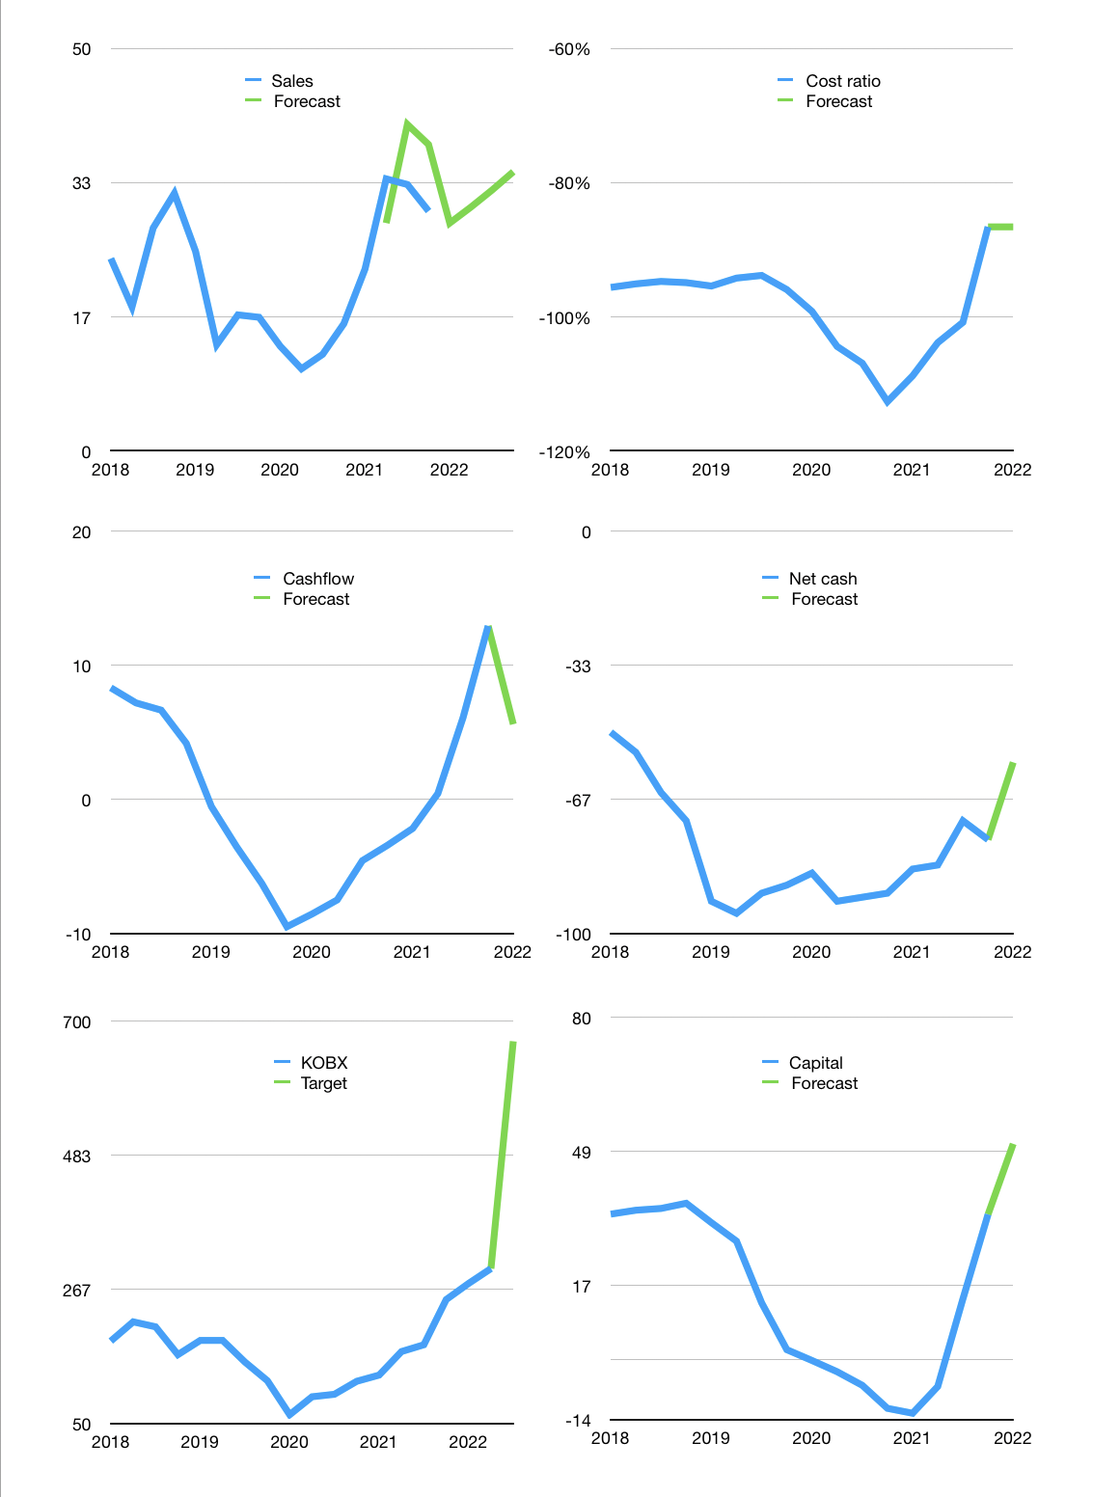
Financial model
$m |  |  |  | 4Q 2022
Cashflow | 20% |  |  | 4%
Growth | -5% | 7% | 7% | 7%
Sales | 28 | 30 | 32 | 35
Cost ratio | -87% | -87% | -87% | -87%
Cash costs | -25 | -26 | -28 | -30
Operating | 4 | 4 | 4 | 5
Investment | 1 | 1 | 1 | 1
Finance | -4 | -4 | -4 | -4
Liabilities | -4 | -4 | -4 | -3
Revolver | 0 | 0 | 0 | 0
Equity | 0 | 0 | 0 | 0
Before revolver | 0 | 1 | 1 | 2
Beginning | 4 | 5 | 6 | 7
Change | 0 | 1 | 1 | 2
Ending | 5 | 6 | 7 | 9
Profit
Non cash costs | -1 | -1 | -1 | -1
Net profit | 3 | 3 | 4 | 4
Balance sheet
Other assets | 131 | 130 | 129 | 128
Depreciation | 21 | 21 | 22 | 23
Net other assets | 111 | 109 | 107 | 106
Liabilities | 77 | 73 | 70 | 66
Revolver | 0 | 0 | 0 | 0
Equity | 38 | 41 | 45 | 48
Check | 0 | 0 | 0 | 0
Net cash | -72 | -68 | -63 | -57
Valuation
Rupiah |  |  |  | 14
Capital | 38 | 43 | 47 | 50
Current value |  |  |  | 681,749,990,400
Current value |  |  |  | 49
P/assets |  |  |  | 0.43
Yield |  |  |  | 3%
Cashflow |  |  |  | 21
Payback |  |  |  | 5
Valuation |  |  |  | 2
Forecast |  |  |  | 5
Value |  |  |  | 103
Shares |  |  |  | 2
Target |  |  |  | 667
Current |  |  |  | 300
V target |  |  |  | 122%
12 month growth |  |  |  | 89%
Sales forecasts |  |  |  | 11%

Cashflow
Cashflow
$m | Receipts | Operating | Investment | Lease | Liabilities | Equity | Finance | Free cashflow | Cashflow | Forecast | Capital | Forecast
2017 | 15 | 4 | 0 | 0 |  |  | -2 | 4 | 4 |  | 3 |  | 1
 | 14 | 10 | 0 | 0 |  |  | -11 | 10 | 7 |  | 14 |  | 2
 | 19 | -1 | 0 | 0 |  |  | 1 | -1 | 4 |  | 14 |  | 3
 | 20 | 14 | 0 | 0 |  |  | -9 | 14 | 7 |  | 24 |  | 4
2018 | 28 | 10 | 0 | 0 |  |  | -11 | 10 | 8 |  | 34 |  | 5
 | 21 | 6 | 0 | 0 |  |  | -1 | 6 | 7 |  | 35 |  | 6
 | 24 | -3 | 0 | 0 |  |  | -1 | -3 | 7 |  | 35 |  | 7
 | 31 | 3 | 1 | 0 |  |  | -2 | 4 | 4 |  | 37 |  | 8
2019 | 14 | -8 | 0 | 0 |  |  | 4 | -9 | -1 |  | 32 |  | 9
 | 22 | -6 | 0 | 0 |  |  | 4 | -6 | -4 |  | 28 |  | 10
 | 13 | -14 | 0 | 0 |  |  | 14 | -14 | -6 |  | 13 |  | 11
 | 20 | -13 | 4 | 0 |  |  | 11 | -9 | -10 |  | 2 |  | 12
2020 | 14 | -5 | 0 | -1 |  |  | 2 | -5 | -9 |  | 0 |  | 13
 | 14 | -2 | -1 | -1 |  |  | 2 | -2 | -8 |  | -3 |  | 14
 | 8 | -3 | 0 | -1 |  |  | 3 | -2 | -5 |  | -6 |  | 15
 | 13 | -5 | 1 | -1 |  |  | 5 | -4 | -3 |  | -11 |  | 16
2021 | 19 | 0 | 0 | -1 | 1 |  | 0 | 0 | -2 |  | -13 |  | 17
 | 27 | 11 | -3 | -1 | -6 |  | -7 | 8 | 0 |  | -6 |  | 18
 | 42 | 21 | -1 | -1 | -21 |  | -21 | 20 | 6 |  | 14 |  | 19
 | 28 | 16 | 7 | -1 | -20 |  | -21 | 23 | 13 | 13 | 34 | 34 | 20
2022 |  |  |  |  |  |  |  |  |  | 6 |  | 50

 | Region 1 | Region 2
April | 17 | 55
May | 26 | 43
June | 53 | 70
July | 96 | 58

