Model
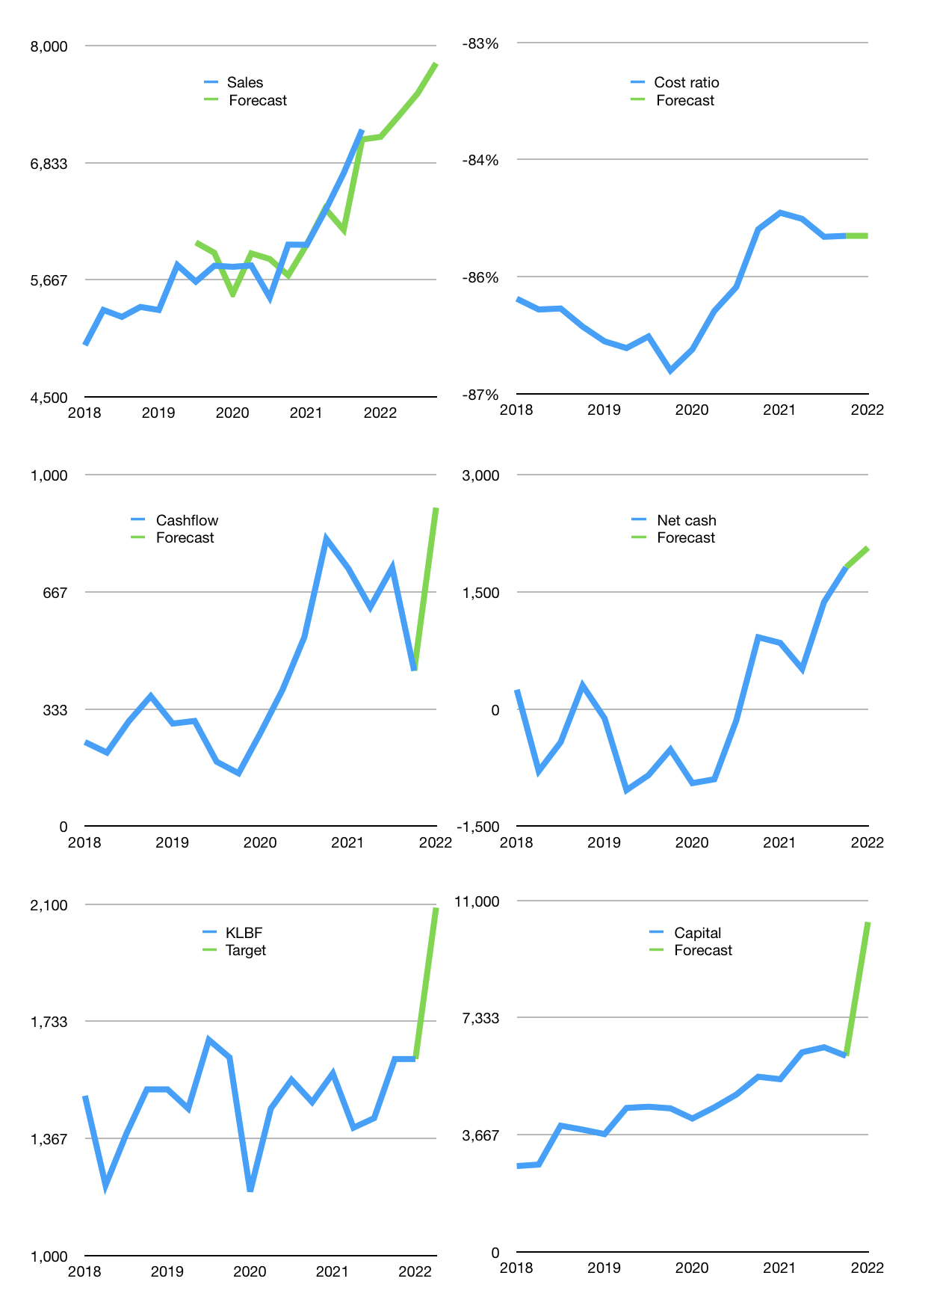
Financial model
Rpbn |  |  |  | 4Q 2022
Cashflow | 4% |  |  | 2%
Growth | -1% | 3% | 3% | 4%
Sales | 7,091 | 7,304 | 7,523 | 7,824
Cost ratio | -85% | -85% | -85% | -85%
Cash costs | -6,042 | -6,223 | -6,410 | -6,666
Operating | 1,049 | 1,081 | 1,113 | 1,158
Investment | -194 | -194 | -194 | -194
Finance | -1,018 | -1,035 | -1,054 | -1,084
Liabilities | -220 | -209 | -199 | -189
Equity | -798 | -826 | -855 | -895
Before revolver | 6,054 | 5,906 | 5,772 | 5,653
Revolver | 0 | 0 | 0 | 0
Beginning | 6,216 | 6,054 | 5,906 | 5,772
Change | -162 | -148 | -134 | -120
Ending | 6,054 | 5,906 | 5,772 | 5,653
Profit
Non cash costs | -163 | -163 | -163 | -163
Net profit | 886 | 918 | 950 | 995
Balance sheet
Other assets | 24,554 | 24,747 | 24,941 | 25,134
Depreciation | 5,072 | 5,235 | 5,398 | 5,561
Net other assets | 19,481 | 19,512 | 19,542 | 19,573
Liabilities | 4,181 | 3,972 | 3,773 | 3,585
Revolver | 0 | 0 | 0 | 0
Equity | 21,355 | 21,446 | 21,541 | 21,641
Check | 0 | 0 | 0 | 0
Net cash | 1,873 | 1,934 | 1,999 | 2,068
Valuation
Capital | 7,150 | 8,185 | 9,239 | 10,323
Current value |  |  |  | 75,699,729,727,488
Current value |  |  |  | 75,700
P/assets |  |  |  | 3
Yield |  |  |  | 4%
Cashflow |  |  |  | 3,627
Payback |  |  |  | 5
Valuation |  |  |  | 21
Forecast |  |  |  | 27
Value |  |  |  | 97,922
Shares |  |  |  | 47
Target |  |  |  | 2,089
Current |  |  |  | 1,615
V target |  |  |  | 29%
12 month growth |  |  |  | 19%
Sales forecasts |  |  |  | 0%

Capital
Capital
Rpbn | Liabilities | Equity | Total | Liabilities | Equity | Total
2001 | -60 | -14 | -74 | -60 | -14 | -74 | 4
2002 | -90 | -6 | -96 | -150 | -20 | -170 | 8
2003 | 24 | -15 | 8 | -126 | -36 | -162 | 12
2004 | -113 | -16 | -129 | -239 | -52 | -291 | 16
2005 | -295 | 60 | -234 | -533 | 8 | -525 | 20
2006 | -495 | 33 | -462 | -1,028 | 41 | -987 | 24
2007 | -66 | -345 | -410 | -1,094 | -304 | -1,398 | 28
2008 | 92 | -473 | -381 | -1,001 | -777 | -1,778 | 32
2009 | -13 | -276 | -289 | -1,015 | -1,053 | -2,068 | 36
2010 | -315 | -239 | -554 | -1,329 | -1,292 | -2,621 | 40
2011 | 116 | -508 | -392 | -1,214 | -1,800 | -3,013 | 44
2012 | 31 | -916 | -885 | -1,182 | -2,716 | -3,898 | 48
2013 | 310 | -874 | -565 | -873 | -3,590 | -4,463 | 52
2014 | -293 | -805 | -1,098 | -1,166 | -4,395 | -5,560 | 56
2015 | 99 | -906 | -808 | -1,067 | -5,301 | -6,368 | 60
2016 | -82 | -824 | -907 | -1,150 | -6,125 | -7,275 | 64
2017 | 74 | -1,013 | -939 | -1,076 | -7,138 | -8,214 | 68
2018 | 44 | -1,152 | -1,108 | -1,032 | -8,290 | -9,322 | 72
2019 | 417 | -1,083 | -666 | -615 | -9,373 | -9,988 | 76
2020 | 264 | -1,254 | -990 | -351 | -10,627 | -10,978 | 80
2021 | 449 | -1,370 | -922 | 98 | -11,997 | -11,899 | 84

KLBF HAS PAID ALMOST 12 TRILLION RUPIAH

