Model
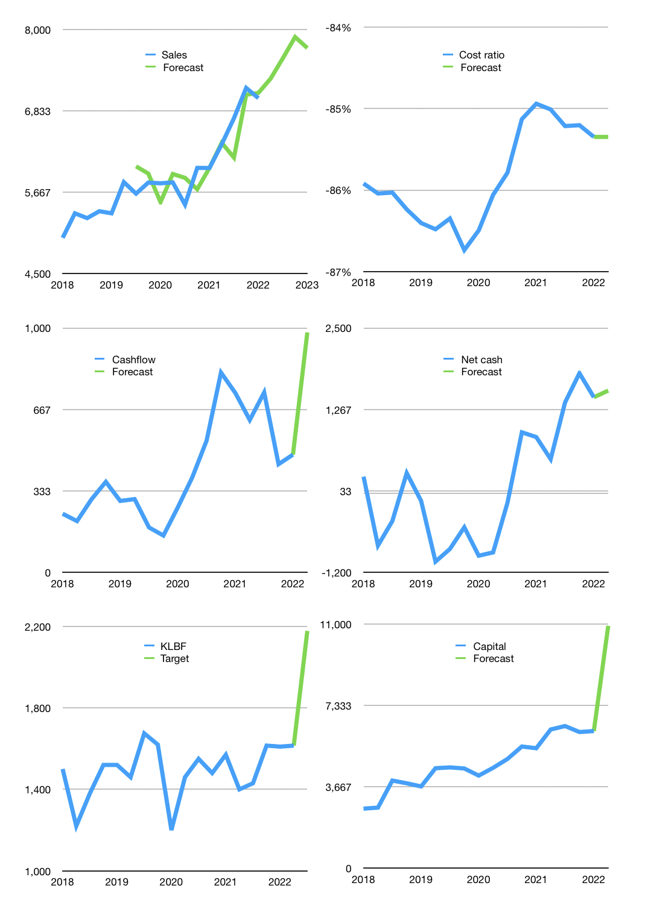
Financial model
Rpbn |  |  | 4Q 2022
Cashflow | 4% |  |  | 3%
Growth | 4% | 4% | 4% | -2%
Sales | 7,296 | 7,588 | 7,892 | 7,734
Cost ratio | -85% | -85% | -85% | -85%
Cash costs | -6,227 | -6,476 | -6,735 | -6,601
Operating | 1,069 | 1,112 | 1,156 | 1,133
Investment | -136 | -136 | -136 | -136
Finance | -1,154 | -1,184 | -1,217 | -1,183
Liabilities | -246 | -234 | -222 | -211
Revolver | 0 | 0 | 0 | 0
Payout | 1.0
Equity | -908 | -951 | -995 | -972
Before revolver | 6,146 | 5,938 | 5,741 | 5,556
Beginning | 6,367 | 6,146 | 5,938 | 5,741
Change | -221 | -208 | -197 | -186
Ending | 6,146 | 5,938 | 5,741 | 5,556
Profit
Non cash costs | -161 | -161 | -161 | -161
Net profit | 908 | 951 | 995 | 972
Balance sheet
Other assets | 25,654 | 25,790 | 25,926 | 26,062
Depreciation | 5,184 | 5,345 | 5,506 | 5,667
Net other assets | 20,470 | 20,445 | 20,420 | 20,395
Liabilities | 4,670 | 4,437 | 4,215 | 4,004
Revolver | 0 | 0 | 0 | 0
Equity | 21,946 | 21,946 | 21,946 | 21,946
Check | 0 | 0 | 0 | 0
Net cash | 1,476 | 1,501 | 1,526 | 1,551
Valuation
Capital | 7,330 | 8,514 | 9,731 | 10,914
Current value |  |  |  | 75,699,732,828,160
Current value |  |  |  | 75,700
P/assets |  |  |  | 3
Yield |  |  |  | 5%
Cashflow |  |  |  | 3,927
Payback |  |  |  | 5
Valuation |  |  |  | 19
Forecast |  |  |  | 26
Value |  |  |  | 102,103
Shares |  |  |  | 47
Target |  |  |  | 2,178
Current |  |  |  | 1,615
V target |  |  |  | 35%
12 month growth |  |  |  | 17%
Sales forecasts |  |  |  | 0%

Capital
Capital
Rpbn | Liabilities | Equity | Total | Liabilities | Equity | Total
2001 | -60 | -14 | -74 | -60 | -14 | -74
2002 | -90 | -6 | -96 | -150 | -20 | -170
2003 | 24 | -15 | 8 | -126 | -36 | -162
2004 | -113 | -16 | -129 | -239 | -52 | -291
2005 | -295 | 60 | -234 | -533 | 8 | -525
2006 | -495 | 33 | -462 | -1,028 | 41 | -987
2007 | -66 | -345 | -410 | -1,094 | -304 | -1,398
2008 | 92 | -473 | -381 | -1,001 | -777 | -1,778
2009 | -13 | -276 | -289 | -1,015 | -1,053 | -2,068
2010 | -315 | -239 | -554 | -1,329 | -1,292 | -2,621
2011 | 116 | -508 | -392 | -1,214 | -1,800 | -3,013
2012 | 31 | -916 | -885 | -1,182 | -2,716 | -3,898
2013 | 310 | -874 | -565 | -873 | -3,590 | -4,463
2014 | -293 | -805 | -1,098 | -1,166 | -4,395 | -5,560
2015 | 99 | -906 | -808 | -1,067 | -5,301 | -6,368
2016 | -82 | -824 | -907 | -1,150 | -6,125 | -7,275
2017 | 74 | -1,013 | -939 | -1,076 | -7,138 | -8,214
2018 | 44 | -1,152 | -1,108 | -1,032 | -8,290 | -9,322
2019 | 417 | -1,083 | -666 | -615 | -9,373 | -9,988 | -694.0325
2020 | 264 | -1,254 | -990 | -351 | -10,627 | -10,978 | -870.986
2021 | -507 | -145 | -652 | -857 | -10,772 | -11,630 | -773.9

KLBF HAS PAID ALMOST 12 TRILLION RUPIAH

