Model
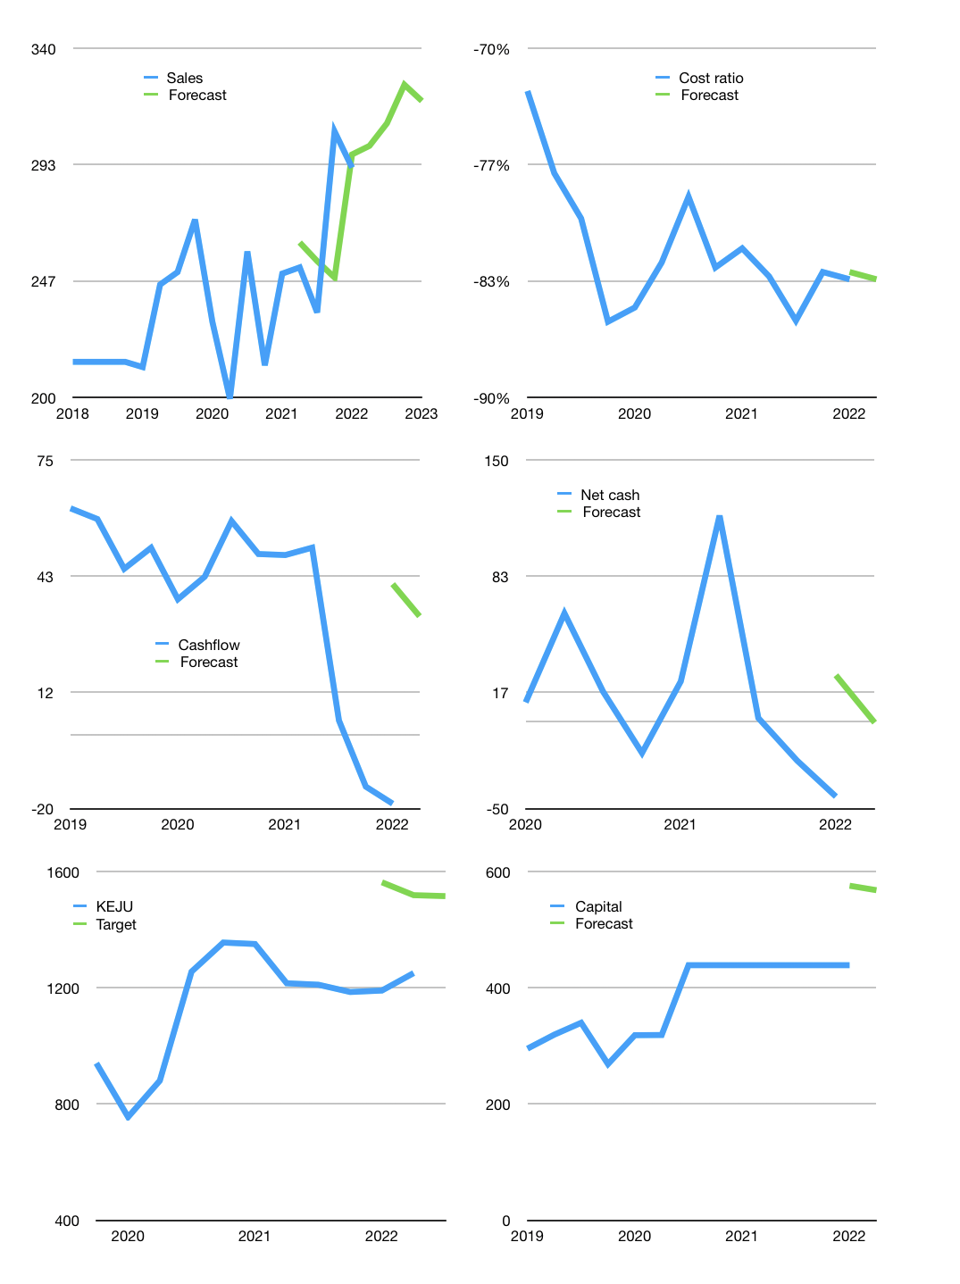
Financial model
Rpbn |  |  | 4Q 2022
Cashflow | 5% |  |  | 2%
Growth | 3% | 3% | 5% | -2%
Sales | 301 | 310 | 325 | 319
Cost ratio | -83% | -83% | -83% | -83%
Cash costs | -250 | -258 | -271 | -265
Operating | 50 | 52 | 55 | 53
Investment | -20 | -20 | -20 | -20
Leases | -1 | -1 | -1 | -1
Finance | -30 | -32 | -35 | -32
Liabilities | -11 | -10 | -10 | -9
Revolver | 2 | 0 | -2 | 0
Payout | 0.5
Equity | -21 | -22 | -23 | -22
Before revolver | -2 | 0 | 2 | 2
Beginning | 178 | 178 | 178 | 178
Change | 0 | 0 | 0 | 1
Ending | 178 | 178 | 178 | 179
Profit
Non cash costs | -9 | -9 | -9 | -9
Net profit | 42 | 43 | 46 | 45
Balance sheet
Other assets | 856 | 876 | 896 | 916
Depreciation | 176 | 184 | 193 | 201
Net other assets | 680 | 692 | 703 | 715
Liabilities | 210 | 199 | 189 | 180
Revolver | 2 | 2 | 0 | 0
Equity | 647 | 669 | 692 | 714
Check | 0 | 0 | 0 | 0
Net cash | -33 | -23 | -12 | -1
Valuation
Capital | 469 | 501 | 535 | 568
Current value |  |  |  | 1,875,000,000,000
Current value |  |  |  | 1,875
P/assets |  |  |  | 2.10
Yield |  |  |  | 5%
Cashflow |  |  |  | 126
Payback |  |  |  | 5
Valuation |  |  |  | 15
Forecast |  |  |  | 18
Value |  |  |  | 2,272
Shares |  |  |  | 2
Target |  |  |  | 1,515
Current |  |  |  | 1,250
V target |  |  |  | 21%
12 month growth |  |  |  | 17%
Sales v forecast |  |  |  | -2%

