Model
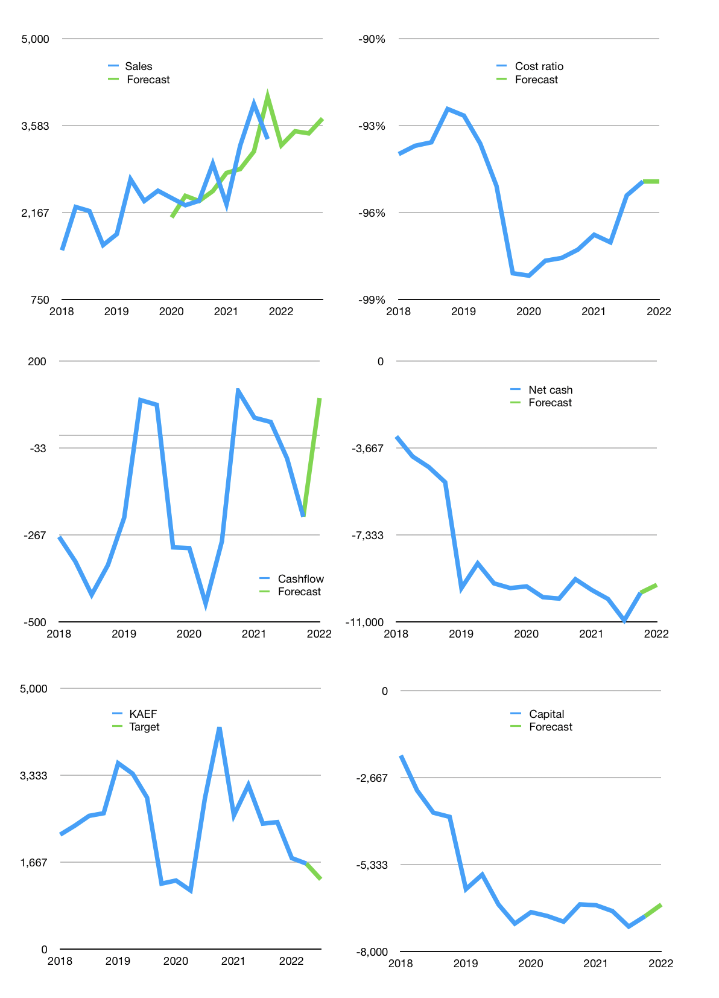
Financial model
Rpbn |  |  |  | 4Q 2022
Cashflow | 6% |  |  | 3%
Growth | -3% | 7% | -1% | 7%
Sales | 3,263 | 3,491 | 3,457 | 3,699
Cost ratio | -95% | -95% | -95% | -95%
Cash costs | -3,098 | -3,315 | -3,282 | -3,511
Operating | 165 | 177 | 175 | 187
Investment | -87 | -87 | -87 | -87
Finance | -79 | -90 | -88 | -101
Liabilities | -526 | -500 | -475 | -451
Revolver | 452 | 415 | 392 | 357
Equity | -4 | -5 | -5 | -7
Before revolver | -452 | -415 | -392 | -357
Beginning | 748 | 748 | 748 | 748
Change | 0 | 0 | 0 | 0
Ending | 748 | 748 | 748 | 748
Profit
Non cash costs | -122 | -122 | -122 | -122
Net profit | 43 | 55 | 53 | 65
Balance sheet
Other assets | 18,749 | 18,835 | 18,922 | 19,008
Depreciation | 1,772 | 1,894 | 2,016 | 2,138
Net other assets | 16,977 | 16,941 | 16,906 | 16,870
Liabilities | 10,002 | 9,502 | 9,026 | 8,575
Revolver | 452 | 867 | 1,259 | 1,616
Equity | 7,271 | 7,320 | 7,368 | 7,426
Check | 0 | 0 | 0 | 0
Net cash | -9,706 | -9,621 | -9,538 | -9,444
Valuation
Capital | -6,848 | -6,758 | -6,669 | -6,569
Current value |  |  |  | 9,080,789,790,720
Current value |  |  |  | 14,050
P/assets |  |  |  | 0.80
Yield |  |  |  | 0.2%
Cashflow |  |  |  | 358
Payback |  |  |  | 48
Valuation |  |  |  | 39
Forecast |  |  |  | 32
Value |  |  |  | 11,455
Shares |  |  |  | 9
Target |  |  |  | 1,333
Current |  |  |  | 1,635
V target |  |  |  | -18%
12 month growth |  |  |  | 14%
Sales forecasts |  |  |  | -2%

