Model
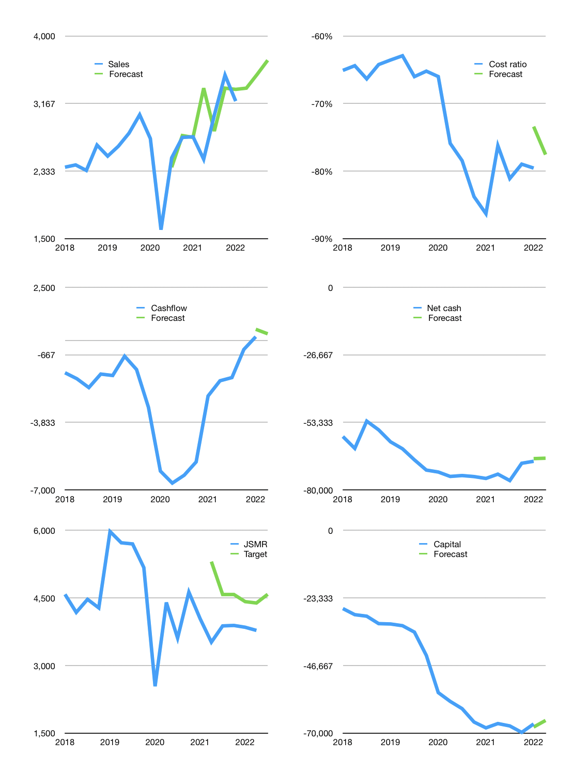
Financial model
Rpbn |  |  | 4Q 2022
Cashflow | 5% |  |  | 3%
Growth | 5% | 5% | 5% | -2%
Sales | 3,356 | 3,523 | 3,700 | 3,626
Cost ratio | -78% | -78% | -78% | -78%
Cash costs | -2602.95 | -2733.0975 | -2869.752375 | -2812.3573275
Operating | 752.745 | 790.38225 | 829.9013625 | 813.30333525
Investment | -493.6 | -493.6 | -493.6 | -493.6
Finance | -259.145 | -296.78225 | -336.3013625 | -319.70333525
Liabilities | -3657.85 | -3474.9575 | -3301.209625 | -3136.1491437
Revolver | 3398.705 | 3178.17525 | 2964.9082625 | 2816.4458085
Payout | 0.0
Equity | 0 | 0 | 0 | 0
Before revolver | -3398.705 | -3178.17525 | -2964.9082625 | -2816.4458085
Beginning | 4482 | 4482 | 4482 | 4482
Change | 0 | 0 | 0 | 0
Ending | 4482 | 4482 | 4482 | 4482
Profit
Depreciation | -483.6 | -483.6 | -483.6 | -483.6
Associates | 9.85 | 9.85 | 9.85 | 9.85
Net profit | 278.995 | 316.63225 | 356.1513625 | 339.55333525
Balance sheet
Other assets | 108172.6 | 108666.2 | 109159.8 | 109653.4
Depreciation | 13774.75 | 14248.5 | 14722.25 | 15196
Net other assets | 94397.85 | 94417.7 | 94437.55 | 94457.4
Liabilities | 69499.15 | 66024.1925 | 62722.982875 | 59586.833731
Revolver | 3398.705 | 6576.88025 | 9541.7885125 | 12358.234321
Equity | 25981.995 | 26298.62725 | 26654.778612 | 26994.331948
Check | 0 | 0 | 0 | 0
Net cash | -68415.855 | -68119.07275 | -67782.771388 | -67463.068052
Valuation
Capital | -66581.755 | -66284.97275 | -65948.671387 | -65628.968052
Current value |  |  |  | 27434747934720
Current value |  |  |  | 27434.747935
P/assets |  |  |  | 0.28
Yield |  |  |  | 0%
Cashflow |  |  |  | 1278.813341
Payback |  |  |  | 73.80123195
Valuation |  |  |  | 21.453285679
Forecast |  |  |  | 26
Value |  |  |  | 33249.146866
Shares |  |  |  | 7.257869824
Target |  |  |  | 4581.1164532
Current |  |  |  | 3780
V target |  |  |  | 21%
12 month growth |  |  |  | 16%
Sales forecasts |  |  |  | 3%

Capital
Capital
Rpbn | Liabilities | Equity | Total | Liabilities | Equity | Total
2006 | 136 | -95 | 41 | 136 | -95 | 41
2007 | -235 | 3,434 | 3,199 | -99 | 3,339 | 3,240
2008 | -413 | -54 | -467 | -512 | 3,285 | 2,773
2009 | 341 | -398 | -57 | -171 | 2,887 | 2,716
2010 | 1,536 | -591 | 945 | 1,365 | 2,296 | 3,661
2011 | 645 | -439 | 206 | 2,010 | 1,857 | 3,867
2012 | 1,520 | -109 | 1,411 | 3,530 | 1,748 | 5,278
2013 | 1,315 | 274 | 1,589 | 4,845 | 2,022 | 6,867
2014 | 1,929 | -352 | 1,577 | 6,774 | 1,670 | 8,444
2015 | 2,286 | 46 | 2,332 | 9,060 | 1,716 | 10,776
2016 | 10,185 | 2,276 | 12,461 | 19,245 | 3,992 | 23,237
2017 | 11,358 | -173 | 11,185 | 30,603 | 3,819 | 34,422
2018 | 5,458 | 756 | 6,214 | 36,061 | 4,575 | 40,636
2019 | 9,962 | 1,021 | 10,983 | 46,023 | 5,596 | 51,619
2020 | 21,368 | 1,630 | 22,998 | 67,391 | 7,226 | 74,617
2021 | 2,450 | 602 | 3,052 | 69,841 | 7,828 | 77,669 | 4,854 | 10,886 | 139.5
2022 | -2,913 | 1 | -2,912 | 66,928 | 7,829 | 74,758
JSMR HAS RAISED 77.7 TRILLION RUPIAH
 |  |  |  |  |  |  |  |  |  | Table 1

 |  |  |  |  |  |  |  |  |  |  | Market value | IDR27434747934720
 |  |  |  |  |  |  |  |  |  |  | JSMR | capital history
 |  |  |  |  |  |  |  |  |  |  | 2022-03-21
 |  |  |  |  |  |  |  |  |  |  | Start date | 2006
 |  |  |  |  |  |  |  |  |  |  | Number of quarters | 64
 |  |  |  |  |  |  |  |  |  |  | Market value | 27,435
 |  |  |  |  |  |  |  |  |  |  | Liabilities | 69,841 | billion rupiah | raised
 |  |  |  |  |  |  |  |  |  |  | JSMR | has | raised | liabilities | by an average | 4,365 | billion rupiah | every year | 16% | of market value
 |  |  |  |  |  |  |  |  |  |  | In the last 5 years | liabilities | were | raised | by an average | 10,119 | billion rupiah | every year | 37% | of market value
 |  |  |  |  |  |  |  |  |  |  | The peak in cumulative liabilities | was | 69,841 | billion rupiah | in | 2021
 |  |  |  |  |  |  |  |  |  |  | As of the latest quarter | liabilities | cumulative | are | up | to | 69,841 | billion rupiah
 |  |  |  |  |  |  |  |  |  |  | Equity | 4.0571428571 | billion rupiah | raised
 |  |  |  |  |  |  |  |  |  |  | JSMR | has | raised | equity | by an average | 489 | billion rupiah | every year | 2% | of market value
 |  |  |  |  |  |  |  |  |  |  | In the last 5 years | equity | was | raised | by an average | 767 | billion rupiah | every year | 3% | of market value
 |  |  |  |  |  |  |  |  |  |  | The peak in cumulative equity | was | 7,828 | billion rupiah | in | 2021
 |  |  |  |  |  |  |  |  |  |  | As of the latest quarter | equity | cumulative | is | down | to | 4.0571428571 | billion rupiah
 |  |  |  |  |  |  |  |  |  |  | Total capital | 77,669 | billion rupiah | raised
 |  |  |  |  |  |  |  |  |  |  | JSMR | has | raised | total capital | by an average | 4,854 | billion rupiah | every year | 18% | of market value
 |  |  |  |  |  |  |  |  |  |  | In the last 5 years | total capital | was | raised | by an average | 10,886 | billion rupiah | every year | 40% | of market value
 |  |  |  |  |  |  |  |  |  |  | The peak in cumulative total capital | was | 77,669 | billion rupiah | in | 2021
 |  |  |  |  |  |  |  |  |  |  | As of the latest quarter | total capital | cumulative | is | up | to | 77,669 | billion rupiah

