Model
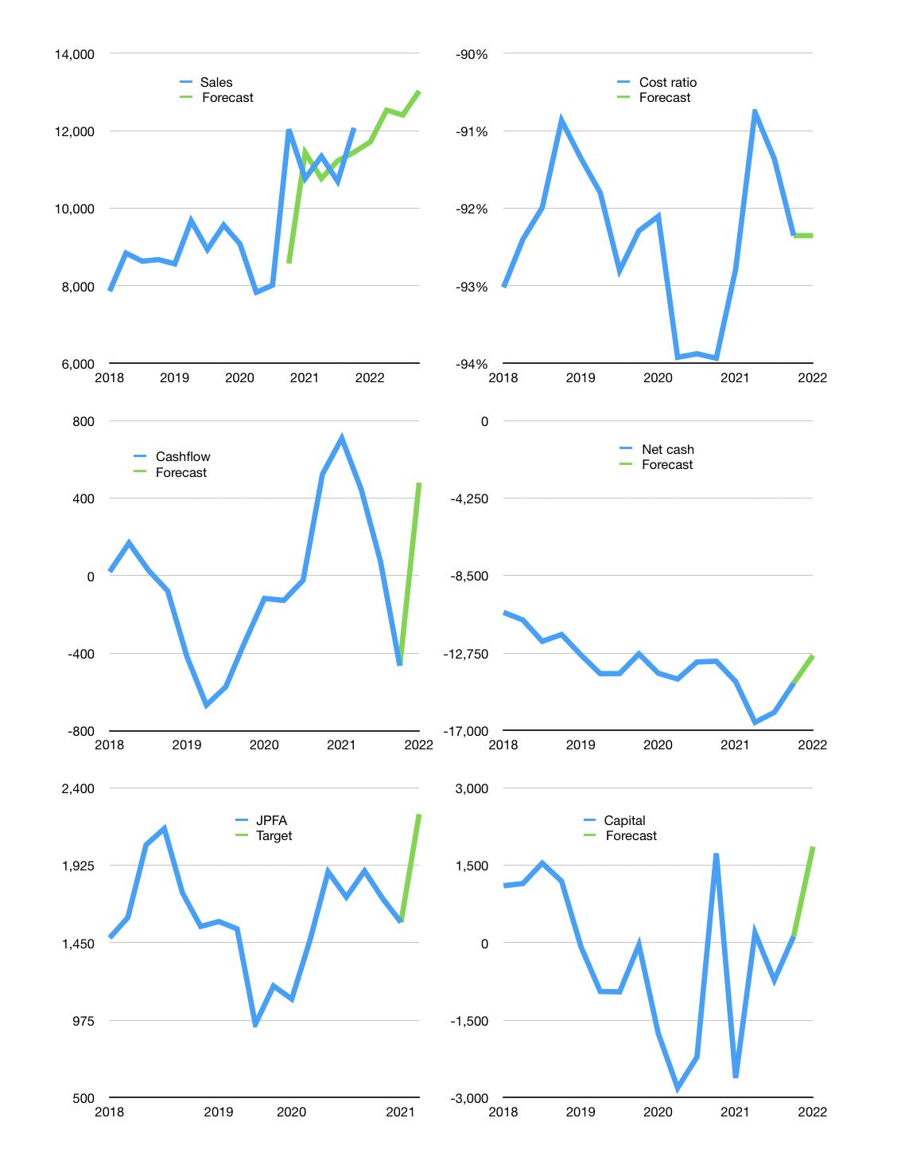
Financial model
Rp bn |  |  |  | 4Q 2022
Cashflow | 0% |  |  | 2%
Growth | -3% | 7% | -1% | 5%
Sales | 11,712 | 12,532 | 12,407 | 13,027
Cost ratio | -92% | -92% | -92% | -92%
Cash costs | -10,817 | -11,574 | -11,458 | -12,031
Operating | 896 | 958 | 949 | 996
Investment | -507 | -507 | -507 | -507
Leases | -9 | -9 | -9 | -9
Finance | -388 | -451 | -442 | -489
Liabilities | -774 | -736 | -699 | -664
Equity | -57 | -63 | -62 | -67
Before revolver | -443 | -348 | -319 | -242
Revolver | 443 | 348 | 319 | 242
Beginning | 1,085 | 1,085 | 1,085 | 1,085
Change | 0 | 0 | 0 | 0
End | 1,085 | 1,085 | 1,085 | 1,085
Profit
Non cash | -327 | -327 | -327 | -327
Profit | 569 | 632 | 622 | 669
Balance sheet
Other assets | 37,143 | 37,650 | 38,157 | 38,664
Depreciation | 9,457 | 9,784 | 10,111 | 10,438
Net other assets | 27,685 | 27,866 | 28,046 | 28,227
Liabilities | 14,712 | 13,976 | 13,277 | 12,613
Revolver | 443 | 790 | 1,110 | 1,351
Equity | 13,616 | 14,184 | 14,744 | 15,347
Check | 0 | 0 | 0 | 0
Net debt | -14,069 | -13,681 | -13,302 | -12,880
Valuation
Capital | 506 | 948 | 1,380 | 1,860
Current value |  |  |  | 14,633,387,596,800
Current value |  |  |  | 14,633
P/assets |  |  |  | 0.50
Yield |  |  |  | 2%
Cashflow |  |  |  | 1,733
Payback |  |  |  | 16
Valuation |  |  |  | 8
Forecast |  |  |  | 12
Value |  |  |  | 20,800
Shares |  |  |  | 9
Target |  |  |  | 2,239
Current |  |  |  | 1,575
V target |  |  |  | 42%
12 month growth |  |  |  | 0%
Sales forecasts |  |  |  | -6%

