Model
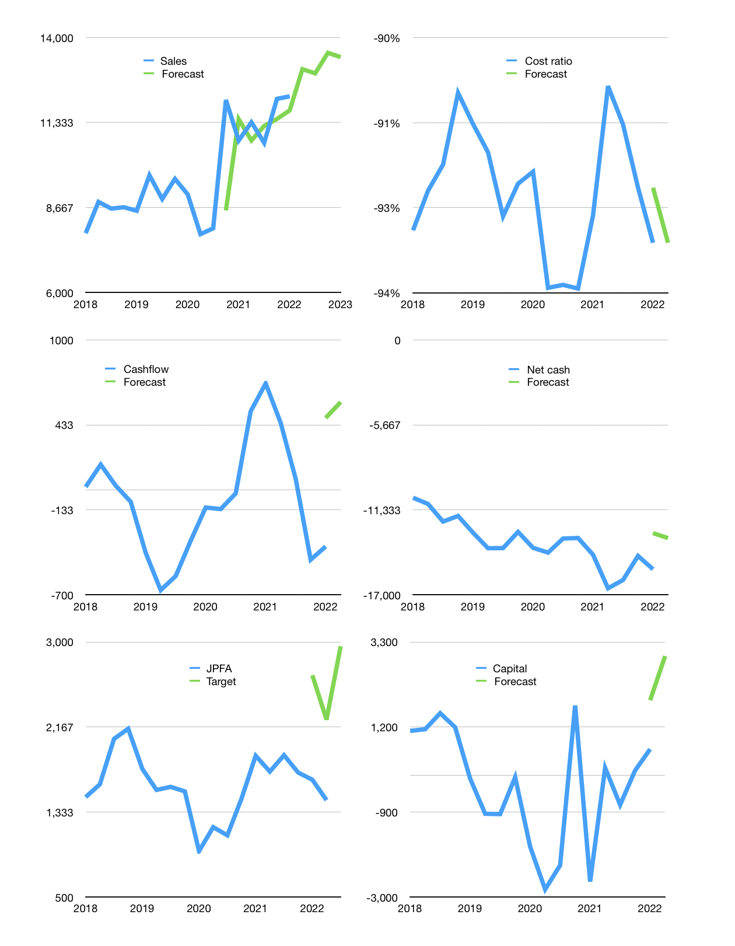
Financial model
Rp bn |  |  | 4Q 2022
Cashflow | 3% |  |  | 3%
Growth | 7% | -1% | 5% | -1%
Sales | 13,005 | 12,875 | 13,518 | 13,383
Cost ratio | -93% | -93% | -93% | -93%
Cash costs | -12,123 | -12,001 | -12,601 | -12,475
Operating | 882 | 873 | 917 | 908
Investment | -320 | -320 | -320 | -320
Leases | -2 | -2 | -2 | -2
Finance | -562 | -553 | -597 | -588
Liabilities | -821 | -780 | -741 | -704
Revolver | 314 | 281 | 203 | 174
Payout | 0.1
Equity | -55 | -54 | -58 | -57
Before revolver | -314 | -281 | -203 | -174
Beginning | 1,140 | 1,140 | 1,140 | 1,140
Change | 0 | 0 | 0 | 0
End | 1,140 | 1,140 | 1,140 | 1,140
Profit
Non cash | -333 | -333 | -333 | -333
Profit | 549 | 540 | 584 | 575
Balance sheet
Other assets | 38,778 | 39,098 | 39,419 | 39,739
Depreciation | 9,797 | 10,130 | 10,463 | 10,796
Net other assets | 28,982 | 28,969 | 28,956 | 28,943
Liabilities | 15,606 | 14,825 | 14,084 | 13,380
Revolver | 314 | 596 | 798 | 973
Equity | 14,201 | 14,687 | 15,213 | 15,730
Check | 0 | 0 | 0 | 0
Net debt | -14,780 | -14,281 | -13,743 | -13,213
Valuation
Capital | 1,215 | 1,768 | 2,365 | 2,952
Current value |  |  |  | 13,472,007,628,800
Current value |  |  |  | 13,472
P/assets |  |  |  | 0.45
Yield |  |  |  | 2%
Cashflow |  |  |  | 2,290
Payback |  |  |  | 13
Valuation |  |  |  | 6
Forecast |  |  |  | 12
Value |  |  |  | 27,485
Shares |  |  |  | 9
Target |  |  |  | 2,958
Current |  |  |  | 1,450
V target |  |  |  | 104%
12 month growth |  |  |  | 13%
Sales forecasts |  |  |  | -6%

