Model
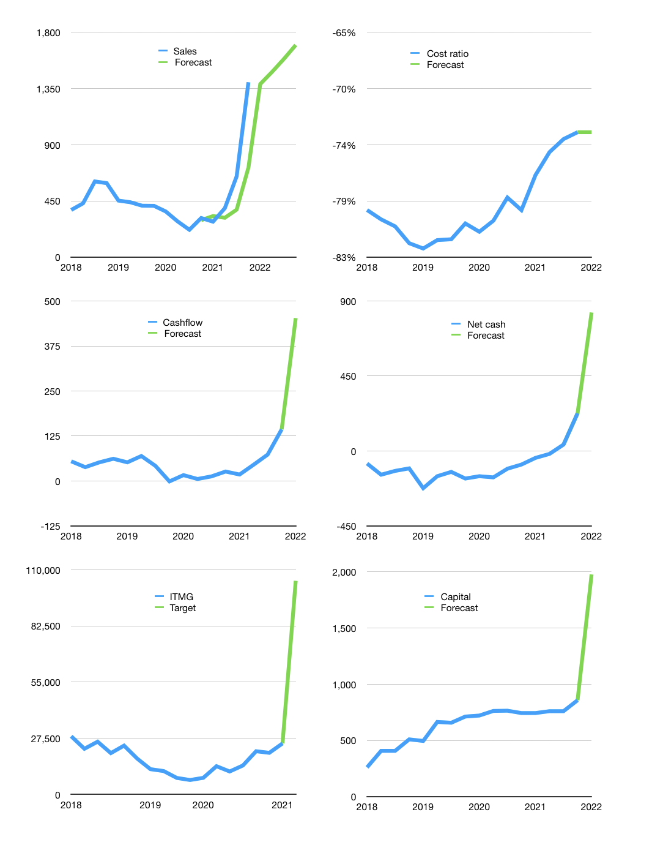
Financial model
$m |  |  |  | 4Q 2022
Cashflow | 34% |  |  | 5%
Growth | -1% | 7% | 7% | 7%
Sales | 1,386 | 1,484 | 1,587 | 1,699
Cost ratio | -73% | -73% | -73% | -73%
Cash costs | -1,012 | -1,083 | -1,159 | -1,240
Operating | 374 | 401 | 429 | 459
Investment | -6 | -6 | -6 | -6
Finance | -253 | -270 | -288 | -308
Liabilities | -23 | -22 | -21 | -20
Equity | -229 | -248 | -267 | -288
Before revolver | 116 | 125 | 134 | 144
Revolver | 0 | 0 | 0 | 0
Beginning | 691 | 807 | 931 | 1,066
Change | 116 | 125 | 134 | 144
Ending | 807 | 931 | 1,066 | 1,210
Profit
Non cash costs | -47 | -47 | -47 | -47
Profit | 328 | 354 | 382 | 412
Balance sheet
Other assets | 2,626 | 2,632 | 2,639 | 2,645
Depreciation | 1,692 | 1,739 | 1,785 | 1,832
Net other assets | 934 | 894 | 853 | 813
Liabilities | 442 | 420 | 399 | 379
Revolver | 0 | 0 | 0 | 0
Equity | 1,299 | 1,405 | 1,520 | 1,644
Check | 0 | 0 | 0 | 0
Net cash | 365 | 512 | 667 | 831
Valuation
Rupiah |  |  |  | 14
Capital | 1,110 | 1,380 | 1,668 | 1,976
Current value |  |  |  | 1,958
P/assets |  |  |  | 0.97
Yield |  |  |  | 53%
Cashflow |  |  |  | 1,638
Payback |  |  |  | 1
Valuation |  |  |  | 1
Forecast |  |  |  | 5
Value |  |  |  | 8,189
Shares |  |  |  | 1
Target |  |  |  | 104,563
Current |  |  |  | 25,000
V target |  |  |  | 318%
12 month growth |  |  |  | 347%
Sales v forecast |  |  |  | -33%

Sales
Sales
$m | Sales | Forecast | Non cash costs | Profit | Sales growth | Cost ratio | Cost ratio | Forecast | Cashflow costs | Cashflow costs
2016 | 331 |  | 25 | 23 |  | -85% |  |  |  | -90%
 | 278 |  | 25 | 13 | -16% | -86% |  |  |  | -100%
 | 349 |  | 25 | 34 | 25% | -83% |  |  |  | -97%
 | 410 |  | 25 | 61 | 18% | -79% |  |  |  | -75%
2017 | 368 |  | 25 | 57 | -10% | -78% |  |  | -87% | -75%
 | 381 |  | 25 | 48 | 3% | -81% |  |  | -83% | -85%
 | 415 |  | 25 | 67 | 9% | -78% |  |  | -79% | -81%
 | 526 |  | 25 | 81 | 27% | -80% |  |  | -80% | -80%
2018 | 378 |  | 25 | 58 | -28% | -78% | -79% |  | -83% | -84%
 | 431 |  | 25 | 45 | 14% | -84% | -80% |  | -84% | -92%
 | 606 |  | 25 | 95 | 41% | -80% | -81% |  | -84% | -79%
 | 593 |  | 25 | 62 | -2% | -85% | -82% |  | -83% | -77%
2019 | 453 |  | 53 | 39 | -24% | -80% | -82% |  | -86% | -95%
 | 440 |  | 53 | 30 | -3% | -81% | -82% |  | -83% | -79%
 | 412 |  | 53 | 30 | -6% | -80% | -82% |  | -89% | -103%
 | 411 |  | 53 | 28 | 0% | -80% | -80% |  | -95% | -103%
2020 | 366 |  | 50 | 14 | -11% | -82% | -81% |  | -90% | -75%
 | 287 |  | 50 | 14 | -22% | -78% | -80% |  | -92% | -87%
 | 219 |  | 50 | 10 | -24% | -73% | -78% |  | -89% | -89%
 | 313 | 296 | 50 | -1 | 43% | -84% | -79% |  | -87% | -96%
2021 | 284 | 329 | 40 | 42 | -9% | -71% | -76% |  | -88% | -80%
 | 392 | 315 | 41 | 76 | 38% | -70% | -75% |  | -82% | -64%
 | 647 | 380 | 51 | 154 | 65% | -68% | -74% |  | -79% | -75%
 | 1,401 | 718 | 47 | 204 | 116% | -82% | -73% | -73% | -70% | -62%
2022 |  | 1,386 |  |  |  |  |  | -73%
 |  | 1,484
 |  | 1,587
 |  | 1,699

 | Region 1 | Region 2
April | 17 | 55
May | 26 | 43
June | 53 | 70
July | 96 | 58

