Model
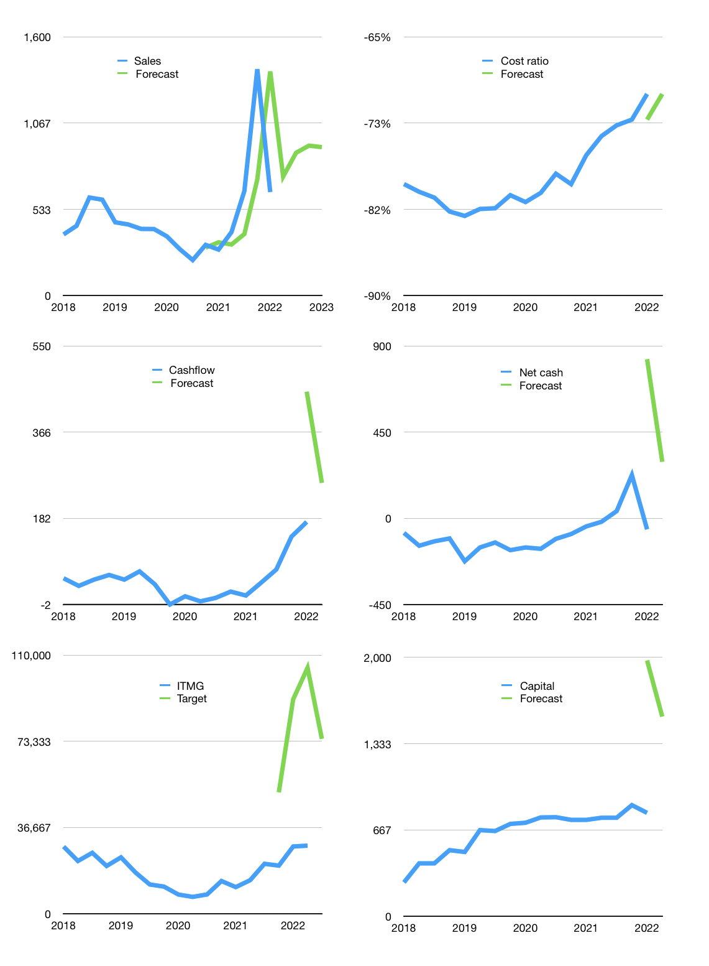
Financial model
$m |  |  | 4Q 2022
Cashflow | 41% |  |  | 10%
Growth | 15% | 20% | 5% | -1%
Sales | 736 | 883 | 927 | 918
Cost ratio | -71% | -71% | -71% | -71%
Cash costs | -519 | -623 | -654 | -647
Operating | 217 | 260 | 273 | 271
Investment | -13 | -13 | -13 | -13
Finance | -151 | -194 | -202 | -198
Liabilities | -23 | -36 | -34 | -33
Revolver | 0 | 0 | 0 | 0
Payout | 0.7
Equity | -128 | -158 | -167 | -165
Before revolver | 53 | 53 | 59 | 60
Beginning | 691 | 744 | 797 | 857
Change | 53 | 53 | 59 | 60
Ending | 744 | 797 | 857 | 917
Profit
Non cash costs | -35 | -35 | -35 | -35
Profit | 182 | 226 | 239 | 236
Balance sheet
Other assets | 2,976 | 2,989 | 3,001 | 3,014
Depreciation | 1,713 | 1,747 | 1,782 | 1,816
Net other assets | 1,263 | 1,242 | 1,220 | 1,198
Liabilities | 725 | 689 | 654 | 621
Revolver | 0 | 0 | 0 | 0
Equity | 1,283 | 1,350 | 1,422 | 1,493
Check | 0 | 0 | 0 | 0
Net cash | 19 | 109 | 202 | 295
Valuation
Rupiah |  |  |  | 14
Capital | 948 | 1,143 | 1,344 | 1,542
Current value |  |  |  | 31,690,584,000,000
Current value |  |  |  | 1,958
P/assets |  |  |  | 0.93
Yield |  |  |  | 32%
Cashflow |  |  |  | 970
Payback |  |  |  | 1
Valuation |  |  |  | 2
Forecast |  |  |  | 6
Value |  |  |  | 5,823
Shares |  |  |  | 1.1
Target |  |  |  | 74,343
Current |  |  |  | 28,900
V target |  |  |  | 157%
12 month growth |  |  |  | 125%
Sales v forecast |  |  |  | -7%

Sales
Sales
$m | Sales | Forecast | Non cash costs | Profit | Sales growth | Cost ratio | Cost ratio | Forecast
2016 | 331 |  | 25 | 23 |  | -85%
 | 278 |  | 25 | 13 | -16% | -86%
 | 349 |  | 25 | 34 | 25% | -83%
 | 410 |  | 25 | 61 | 18% | -79%
2017 | 368 |  | 25 | 57 | -10% | -78%
 | 381 |  | 25 | 48 | 3% | -81%
 | 415 |  | 25 | 67 | 9% | -78%
 | 526 |  | 25 | 81 | 27% | -80%
2018 | 378 |  | 25 | 58 | -28% | -78% | -79%
 | 431 |  | 25 | 45 | 14% | -84% | -80%
 | 606 |  | 25 | 95 | 41% | -80% | -81%
 | 593 |  | 25 | 62 | -2% | -85% | -82%
2019 | 453 |  | 53 | 39 | -24% | -80% | -82%
 | 440 |  | 53 | 30 | -3% | -81% | -82%
 | 412 |  | 53 | 30 | -6% | -80% | -82%
 | 411 |  | 53 | 28 | 0% | -80% | -80%
2020 | 366 |  | 50 | 14 | -11% | -82% | -81%
 | 287 |  | 50 | 14 | -22% | -78% | -80%
 | 219 |  | 50 | 10 | -24% | -73% | -78%
 | 313 | 296 | 50 | -1 | 43% | -84% | -79%
2021 | 284 | 329 | 40 | 42 | -9% | -71% | -76%
 | 392 | 315 | 41 | 76 | 38% | -70% | -75%
 | 647 | 380 | 51 | 154 | 65% | -68% | -74%
 | 1,401 | 718 | 47 | 204 | 116% | -82% | -73%
2022 | 640 | 1,386 | 35 | 213 | -54% | -61% | -71% | -73%
 |  | 736 |  |  |  |  |  | -71%
 |  | 883
 |  | 927 | 3,677 | 3,426
2023 |  | 918

 | Region 1 | Region 2
April | 17 | 55
May | 26 | 43
June | 53 | 70
July | 96 | 58

Capital
Capital
$m | Liabilities | Equity | Total | Liabilities | Equity | Total
2006 | 17 | -8 | 10 | 17 | -8 | 10
2007 | -102 | 282 | 180 | -85 | 275 | 190
2008 | -81 | -88 | -169 | -166 | 187 | 21
2009 | 44 | -151 | -107 | -122 | 36 | -86
2010 | -55 | -256 | -311 | -177 | -221 | -397
2011 |  | -206 | -206 | -177 | -427 | -603
2012 |  | -505 | -505 | -177 | -932 | -1,108
2013 |  | -269 | -269 | -177 | -1,201 | -1,377
2014 |  | -200 | -200 | -177 | -1,401 | -1,577
2015 |  | -115 | -115 | -177 | -1,516 | -1,692
2016 |  | -61 | -61 | -177 | -1,577 | -1,753
2017 |  | -199 | -199 | -177 | -1,776 | -1,952
2018 |  | -249 | -249 | -177 | -2,025 | -2,201
2019 | 11 | -214 | -203 | -166 | -2,239 | -2,404 | -2099.3411765
2020 | 34 | -65 | -31 | -132 | -2,304 | -2,435 | -2229.08
2021 | -8 | -106 | -114 | -139 | -2,410 | -2,549 | -1597.4
ITMG HAS PAID OUT 20% MORE THAN ITS MARKET VALUE
 |  |  |  |  |  |  |  | Table 1

 |  |  |  |  |  |  |  |  | ITMG | capital history
 |  |  |  |  |  |  |  |  | 2022-02-01 | 24 | 2022
 |  |  |  |  |  |  |  |  | Start date | 2006
 |  |  |  |  |  |  |  |  | Number of quarters | 64
 |  |  |  |  |  |  |  |  | Liabilities | -139.3 | million dollars | paid
 |  |  |  |  |  |  |  |  | ITMG | has | paid | liabilities | by an average | -8.70625 | million dollars | every year
 |  |  |  |  |  |  |  |  | In the last 5 years | liabilities | were | raised | by an average | 7.46 | million dollars | every year
 |  |  |  |  |  |  |  |  | The peak in cumulative liabilities | was | 17.1 | million dollars | in | 2006
 |  |  |  |  |  |  |  |  | As of the latest quarter | liabilities | cumulative | are | down | to | -139.3 | million dollars
 |  |  |  |  |  |  |  |  | Equity | -2409.9 | million dollars | paid
 |  |  |  |  |  |  |  |  | ITMG | has | paid | equity | by an average | -150.61875 | million dollars | every year
 |  |  |  |  |  |  |  |  | In the last 5 years | equity | was | paid | by an average | -166.68 | million dollars | every year
 |  |  |  |  |  |  |  |  | The peak in cumulative equity | was | 274.5 | million dollars | in | 2007
 |  |  |  |  |  |  |  |  | As of the latest quarter | equity | cumulative | is | down | to | -2409.9 | million dollars
 |  |  |  |  |  |  |  |  | Total capital | -2549.2 | million dollars | paid
 |  |  |  |  |  |  |  |  | ITMG | has | paid | total capital | by an average | -159.325 | million dollars | every year
 |  |  |  |  |  |  |  |  | In the last 5 years | total capital | was | paid | by an average | -159.22 | million dollars | every year
 |  |  |  |  |  |  |  |  | The peak in cumulative total capital | was | 189.8 | million dollars | in | 2007
 |  |  |  |  |  |  |  |  | As of the latest quarter | total capital | cumulative | is | down | to | -2549.2 | million dollars

