Mode
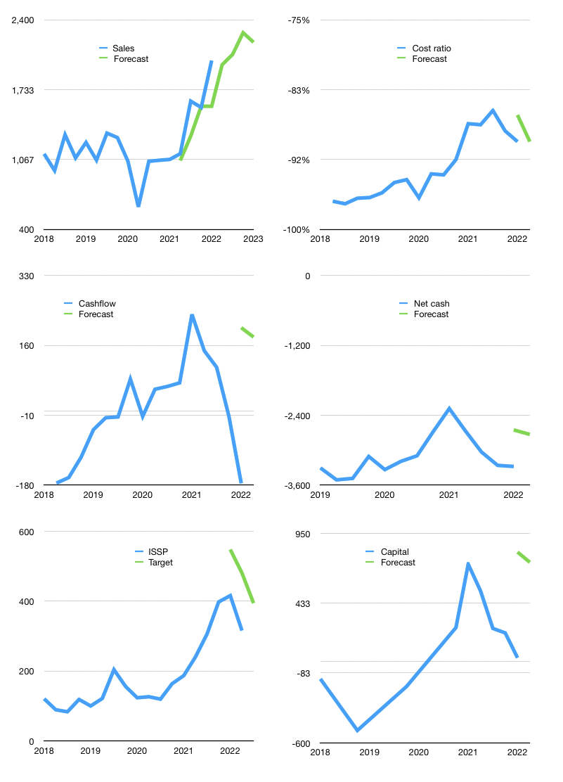
Financial model
Rpbn |  |  | 4Q 2022
Cashflow | 19% |  |  | 2%
Growth | -2% | 5% | 10% | -4%
Sales | 1,972 | 2,070 | 2,277 | 2,186
Cost ratio | -90% | -90% | -90% | -90%
Cash costs | -1765.1847735 | -1853.4440122 | -2038.7884134 | -1957.2368769
Operating | 206.47722647 | 216.80108779 | 238.48119657 | 228.94194871
Investment | -46 | -46 | -46 | -46
Leases | -2.5 | -2.5 | -2.5 | -2.5
Financial | -160.47722647 | -170.80108779 | -192.48119657 | -182.94194871
Liabilities | -165.35 | -157.0825 | -149.228375 | -141.76695625
Revolver | 40.588218826 | 24.061629767 | -1.1365822559 | -0.96660271568
Payout | 0.2
Equity | -35.715445293 | -37.780217558 | -42.116239314 | -40.208389741
Before revolver | -40.588218826 | -24.061629767 | 1.1365822559 | 0.96660271568
Beginning | 28 | 28 | 28 | 28
Change | 0 | 0 | 0 | 0
Ending | 28 | 28 | 28 | 28
Profit
Non cash costs | -27.9 | -27.9 | -27.9 | -27.9
Profit | 178.57722647 | 188.90108779 | 210.58119657 | 201.04194871
Balance sheet
Other assets | 7522 | 7568 | 7614 | 7660
Depreciation | 317.9 | 345.8 | 373.7 | 401.6
Net other assets | 7204.1 | 7222.2 | 7240.3 | 7258.4
Liabilities | 3141.65 | 2984.5675 | 2835.339125 | 2693.5721687
Revolver | 40.588218826 | 64.649848593 | 63.513266337 | 62.546663622
Equity | 4049.8617812 | 4200.9826514 | 4369.4476087 | 4530.2811676
Check | -2E-12 | 0 | -2E-12 | -2E-12
Net cash | -3154.2382188 | -3021.2173486 | -2870.8523913 | -2728.1188324
Valuation
Capital | 189.47722647 | 360.27831426 | 552.75951083 | 735.70145954
Current value |  |  |  | 2232647417856
Current value |  |  |  | 2232.6474179
P/assets |  |  |  | 0.31
Yield |  |  |  | 7%
Cashflow |  |  |  | 696.70145954
Payback |  |  |  | 10.314317419
Valuation |  |  |  | 3.2045970154
Forecast |  |  |  | 4
Value |  |  |  | 2786.8058381
Shares |  |  |  | 7.0653399299
Target |  |  |  | 394.43336991
Current |  |  |  | 316
V target |  |  |  | 25%
12 month growth |  |  |  | 88%
Sales forecasts |  |  |  | -13%

