Model
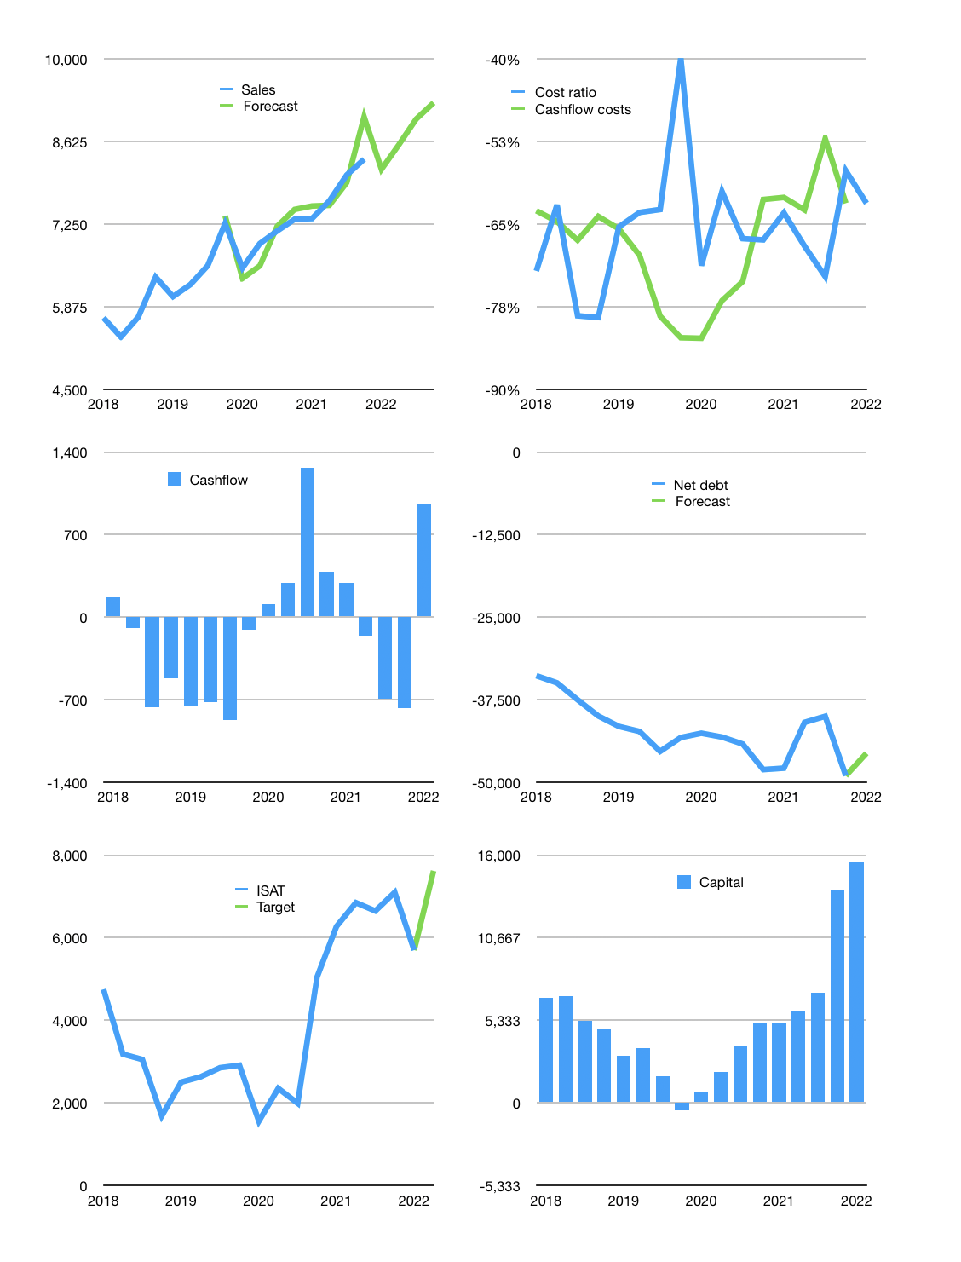
Financial model
Rpbn |  |  |  | 4Q 2022
Cashflow | 3% |  |  | 3%
Growth | -2% | 5% | 5% | 3%
Sales | 8,167 | 8,575 | 9,004 | 9,274
Cost ratio | -62% | -62% | -62% | -62%
Cash costs | -5,047 | -5,300 | -5,565 | -5,732
Operating | 3,119 | 3,275 | 3,439 | 3,542
Investment | -2,256 | -2,256 | -2,256 | -2,256
Leases | -320 | -320 | -320 | -320
Finance | -543 | -699 | -863 | -966
Liabilities | -2,655 | -2,506 | -2,365 | -2,230
Equity | -170 | -217 | -266 | -297
Before revolver | -2,282 | -2,024 | -1,768 | -1,561
Revolver | 2,282 | 2,024 | 1,768 | 1,561
Beginning | 4,087 | 4,087 | 4,087 | 4,087
Change | 0 | 0 | 0 | 0
Ending | 4,087 | 4,087 | 4,087 | 4,087
Income statement
Non cash costs | -2,551 | -2,551 | -2,551 | -2,551
Net profit | 568 | 724 | 888 | 991
Balance Sheet
Other assets | 169,046 | 171,301 | 173,557 | 175,812
Depreciation | 110,031 | 112,582 | 115,133 | 117,684
Net other assets | 59,015 | 58,719 | 58,424 | 58,128
Liabilities | 50,119 | 47,293 | 44,609 | 42,058
Revolver | 2,282 | 4,305 | 6,073 | 7,635
Equity | 10,701 | 11,207 | 11,829 | 12,523
Check | 0 | 0 | 0 | 0
Net cash | -48,314 | -47,512 | -46,595 | -45,606
Valuation
Capital | 14,013 | 14,392 | 14,936 | 15,582
Current value |  |  |  | 45,960
P/assets |  |  |  | 0.74
Yield |  |  |  | 2%
Cashflow |  |  |  | 3,072
Payback |  |  |  | 19
Valuation |  |  |  | 15
Forecast |  |  |  | 20
Value |  |  |  | 61,450
Shares |  |  |  | 8
Target |  |  |  | 7,621
Current |  |  |  | 5,700
V target |  |  |  | 34%
12 month growth |  |  |  | 14%
Sales forecasts |  |  |  | 1%

