Model
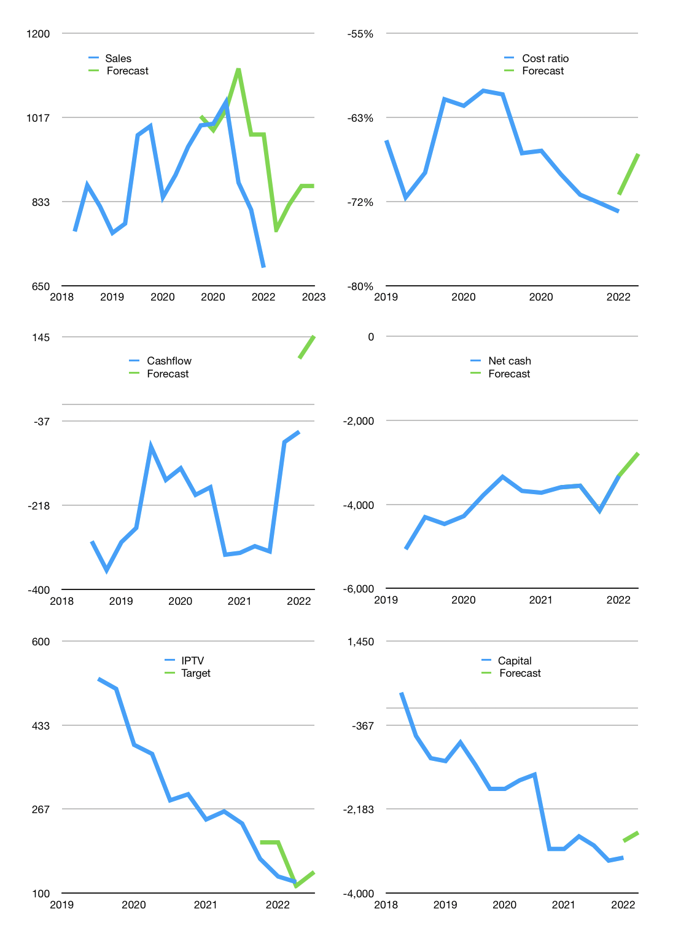
Financial model
Rpbn |  |  | 4Q 2022
Cashflow | -9% |  |  | 6%
Growth | 12% | 7% | 5% | 0%
Sales | 772 | 826 | 867 | 867
Cost ratio | -67% | -67% | -67% | -67%
Cash costs | -517 | -553 | -581 | -581
Operating | 255 | 273 | 286 | 286
Investment | -139 | -139 | -139 | -139
Finance | -116 | -134 | -147 | -147
Liabilities | -169 | -161 | -152 | -145
Revolver | 53 | 27 | 5 | -3
Payout | 0.0
Equity | 0 | 0 | 0 | 0
Before revolver | -53 | -27 | -5 | 3
Beginning | 55 | 55 | 55 | 55
Change | 0 | 0 | 0 | 0
Ending | 55 | 55 | 55 | 55
Profit
Non cash costs | -193 | -193 | -193 | -193
Net profit | 62 | 80 | 93 | 93
Balance sheet
Other assets | 18,823 | 18,962 | 19,101 | 19,240
Depreciation | 7,583 | 7,776 | 7,969 | 8,162
Net other assets | 11,240 | 11,186 | 11,132 | 11,078
Liabilities | 3,210 | 3,050 | 2,897 | 2,752
Revolver | 53 | 80 | 85 | 82
Equity | 8,032 | 8,112 | 8,205 | 8,299
Check | 0 | 0 | 0 | 0
Net cash | -3,208 | -3,074 | -2,927 | -2,780
Valuation
Capital | -3,118 | -2,984 | -2,837 | -2,689
Current value |  |  |  | 5,148,155,838,464
Current value |  |  |  | 5,148
P/assets |  |  |  | 0.46
Yield |  |  |  | 0%
Cashflow |  |  |  | 544
Payback |  |  |  | 21
Valuation |  |  |  | 9
Forecast |  |  |  | 11
Value |  |  |  | 5,988
Shares |  |  |  | 42
Target |  |  |  | 142
Current |  |  |  | 122
V target |  |  |  | 16%
12 month growth |  |  |  | -31%
Sales v forecast |  |  |  | 13%

Capital
Capital
Rpbn | Receipts | Operating | Interest | Leases | Others | Investment | Liabilities | Equity | Total |  |  |  | Cashflow | Liabilities | Equity | Total capital
2005 |  |  |  |  |  |  |  |  | 0 |  |  |  |  | 0 | 0 | 0
2006 |  |  |  |  |  |  |  |  | 0 |  |  |  |  | 0 | 0 | 0
2007 |  |  |  |  |  |  |  |  | 0 |  |  |  |  | 0 | 0 | 0
2008 |  |  |  |  |  |  |  |  | 0 |  |  |  |  | 0 | 0 | 0
2009 |  |  |  |  |  |  |  |  | 0 |  |  |  |  | 0 | 0 | 0
2010 |  |  |  |  |  |  |  |  | 0 |  |  |  |  | 0 | 0 | 0
2011 |  |  |  |  |  |  |  |  | 0 |  |  |  |  | 0 | 0 | 0
2012 |  |  |  |  |  |  |  |  | 0 |  |  |  |  | 0 | 0 | 0
2013 |  |  |  |  |  |  |  |  | 0 |  |  |  |  | 0 | 0 | 0
2014 |  |  |  |  |  |  |  |  | 0 |  |  |  |  | 0 | 0 | 0
2015 |  |  |  |  |  |  |  |  | 0 |  |  |  |  | 0 | 0 | 0
2016 | 3,062 | 725 | -175 | -6 | -102 | -944 | -894 | 1,426 | 532 | 50 | 30 | 80 | -502 | 894 | -1,426 | -532
2017 | 3,106 | 969 | -142 | -3 | -295 | -1,965 | 417 | 1,003 | 1,420 | 80 | -16 | 64 | -1,938 | 477 | -2,429 | -1,952
2018 | 3,198 | 1,070 | -159 | 5 | -21 | -1,992 | 540 | 565 | 1,105 | 64 | 8 | 72 | -3,035 | -63 | -2,994 | -3,057
2019 | 3,424 | 1,289 | -141 | -2 | 182 | -1,651 | -1,594 | 1,925 | 331 | 74 | 9 | 83 | -3,358 | 1,531 | -4,919 | -3,388
2020 | 3,663 | 1,071 | -63 | -2 | -354 | -2,308 | -194 | 1,846 | 1,652 | 85 | -4 | 81 | -5,014 | 1,725 | -6,765 | -5,040
2021 | 3,667 | 1,015 | -218 | -7 | 22 | -1,118 | -204 | 457 | 253 | 81 | -53 | 28 | -5,319 | 1,929 | -7,222 | -5,293 | 882 | 952 | 188.772
2022 | 734 | 256 | -26 | 0 | 0 | -139 | -64 | 0 | -64 | 28 | 27 | 54 | -5,229 | 1,992 | -7,222 | -5,229

