Model
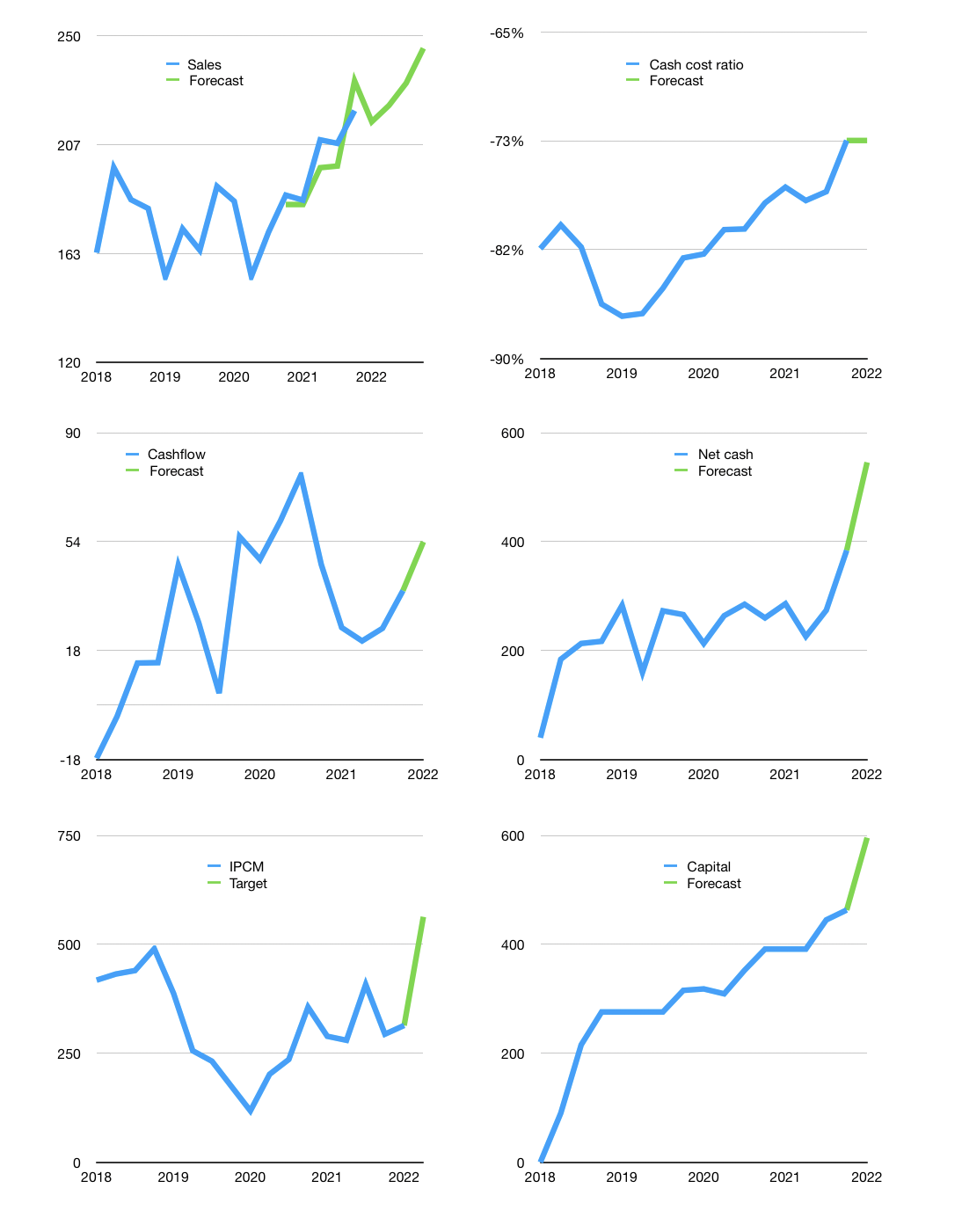
Financial model
Rpbn |  |  |  | 4Q 2022
Cashflow | 4% |  |  | 3%
Growth | -2% | 3% | 4% | 6%
Sales | 216 | 222 | 231 | 245
Cost ratio | -73% | -73% | -73% | -73%
Cash costs | -158 | -163 | -169 | -180
Operating | 58 | 59 | 62 | 65
Investment | 0 | 0 | 0 | 0
Leases | -11 | -11 | -11 | -11
Finance | -31 | -32 | -34 | -37
Liabilities | -14 | -13 | -12 | -12
Equity | -17 | -19 | -21 | -25
Before revolver | 27 | 27 | 28 | 29
Revolver | 0 | 0 | 0 | 0
Beginning | 656 | 683 | 710 | 738
Change | 27 | 27 | 28 | 29
Ending | 683 | 710 | 738 | 767
Profit
Non cash costs | -40 | -40 | -40 | -40
Profit | 17 | 19 | 21 | 25
Balance sheet
Other assets | 1,001 | 1,001 | 1,001 | 1,001
Depreciation | 269 | 310 | 350 | 391
Net other assets | 732 | 691 | 651 | 610
Liabilities | 258 | 245 | 233 | 222
Revolver | 0 | 0 | 0 | 0
Equity | 1,156 | 1,156 | 1,156 | 1,156
Check | 0 | 0 | 0 | 0
Net cash | 424 | 465 | 505 | 546
Valuation
Capital | 494 | 526 | 559 | 596
Current value |  |  |  | 1,656,905,714,688
Current value |  |  |  | 1,657
P/assets |  |  |  | 1.20
Yield |  |  |  | 5%
Cashflow |  |  |  | 198
Payback |  |  |  | 4
Valuation |  |  |  | 8
Forecast |  |  |  | 15
Value |  |  |  | 2,972
Shares |  |  |  | 5
Target |  |  |  | 563
Current |  |  |  | 314
V target |  |  |  | 79%
12 month growth |  |  |  | 18%
Sales forecasts |  |  |  | -1%

