Model
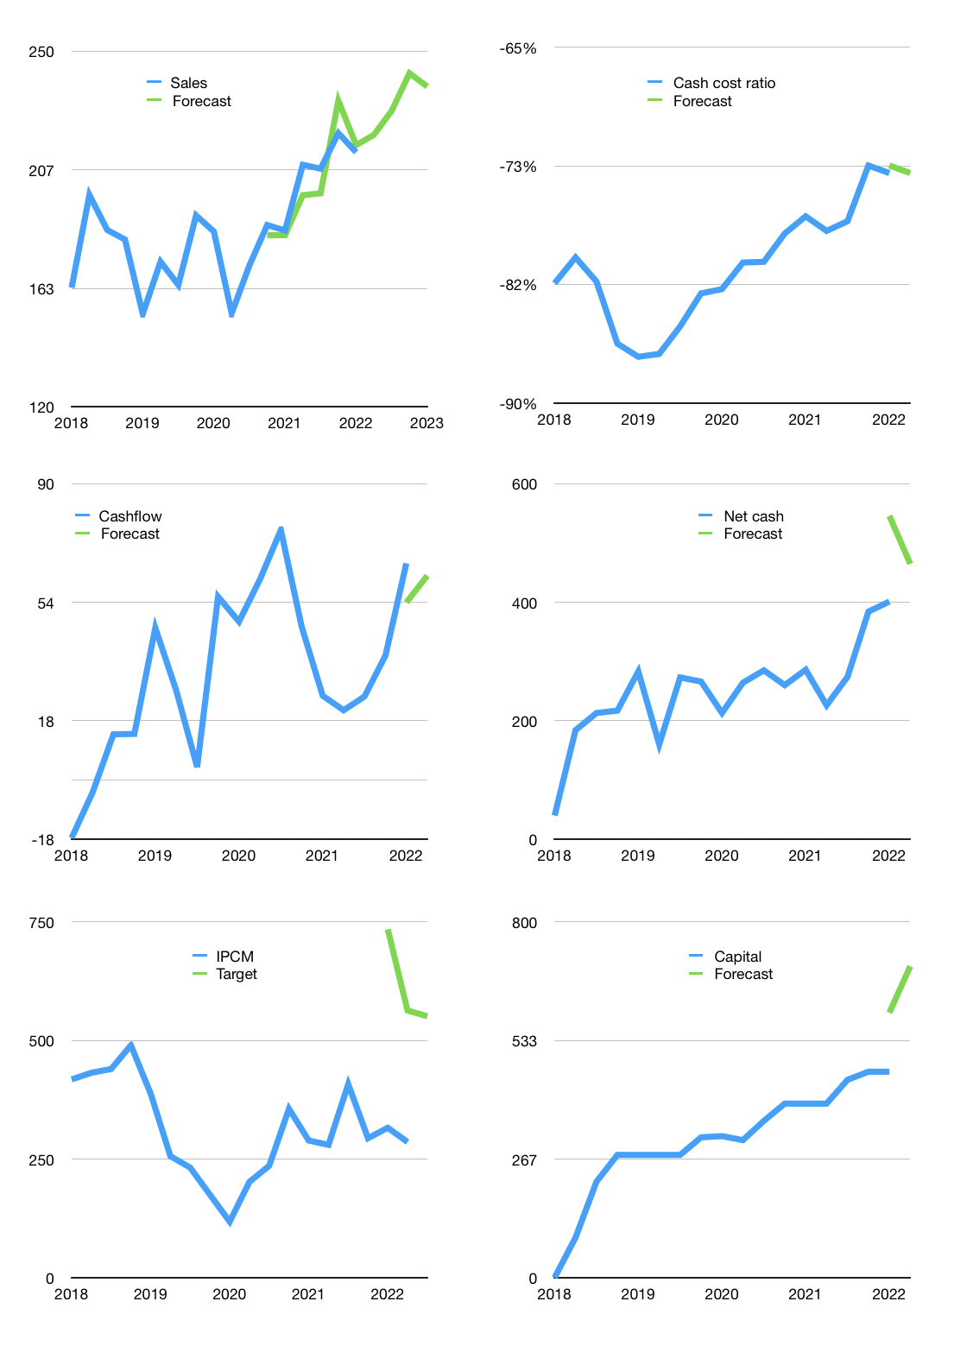
Financial model
Rpbn |  |  | 4Q 2022
Cashflow | 4% |  |  | 3%
Growth | 3% | 4% | 6% | -2%
Sales | 219 | 228 | 242 | 237
Cost ratio | -74% | -74% | -74% | -74%
Cash costs | -162 | -169 | -179 | -175
Operating | 57 | 60 | 63 | 62
Investment | 0 | 0 | 0 | 0
Leases | 0 | 0 | 0 | 0
Finance | -57 | -59 | -62 | -60
Liabilities | -16 | -15 | -14 | -14
Revolver | 0 | 0 | 0 | 0
Payout | 1.0
Equity | -42 | -44 | -47 | -46
Before revolver | 0 | 1 | 2 | 2
Beginning | 716 | 716 | 717 | 719
Change | 0 | 1 | 2 | 2
Ending | 716 | 717 | 719 | 721
Profit
Non cash costs | -16 | -16 | -16 | -16
Profit | 42 | 44 | 47 | 46
Balance sheet
Other assets | 1,036 | 1,036 | 1,036 | 1,036
Depreciation | 259 | 275 | 291 | 307
Net other assets | 777 | 761 | 745 | 729
Liabilities | 299 | 284 | 270 | 257
Revolver | 0 | 0 | 0 | 0
Equity | 1,194 | 1,194 | 1,194 | 1,194
Check | 0 | 0 | 0 | 0
Net cash | 417 | 433 | 449 | 465
Valuation
Capital | 520 | 579 | 641 | 700
Current value |  |  |  | 1,509,156,160,512
Current value |  |  |  | 1,509
P/assets |  |  |  | 1.04
Yield |  |  |  | 12%
Cashflow |  |  |  | 242
Payback |  |  |  | 3
Valuation |  |  |  | 6
Forecast |  |  |  | 12
Value |  |  |  | 2,909
Shares |  |  |  | 5
Target |  |  |  | 551
Current |  |  |  | 286
V target |  |  |  | 93%
12 month growth |  |  |  | 16%
Sales forecasts |  |  |  | -1%

