Model
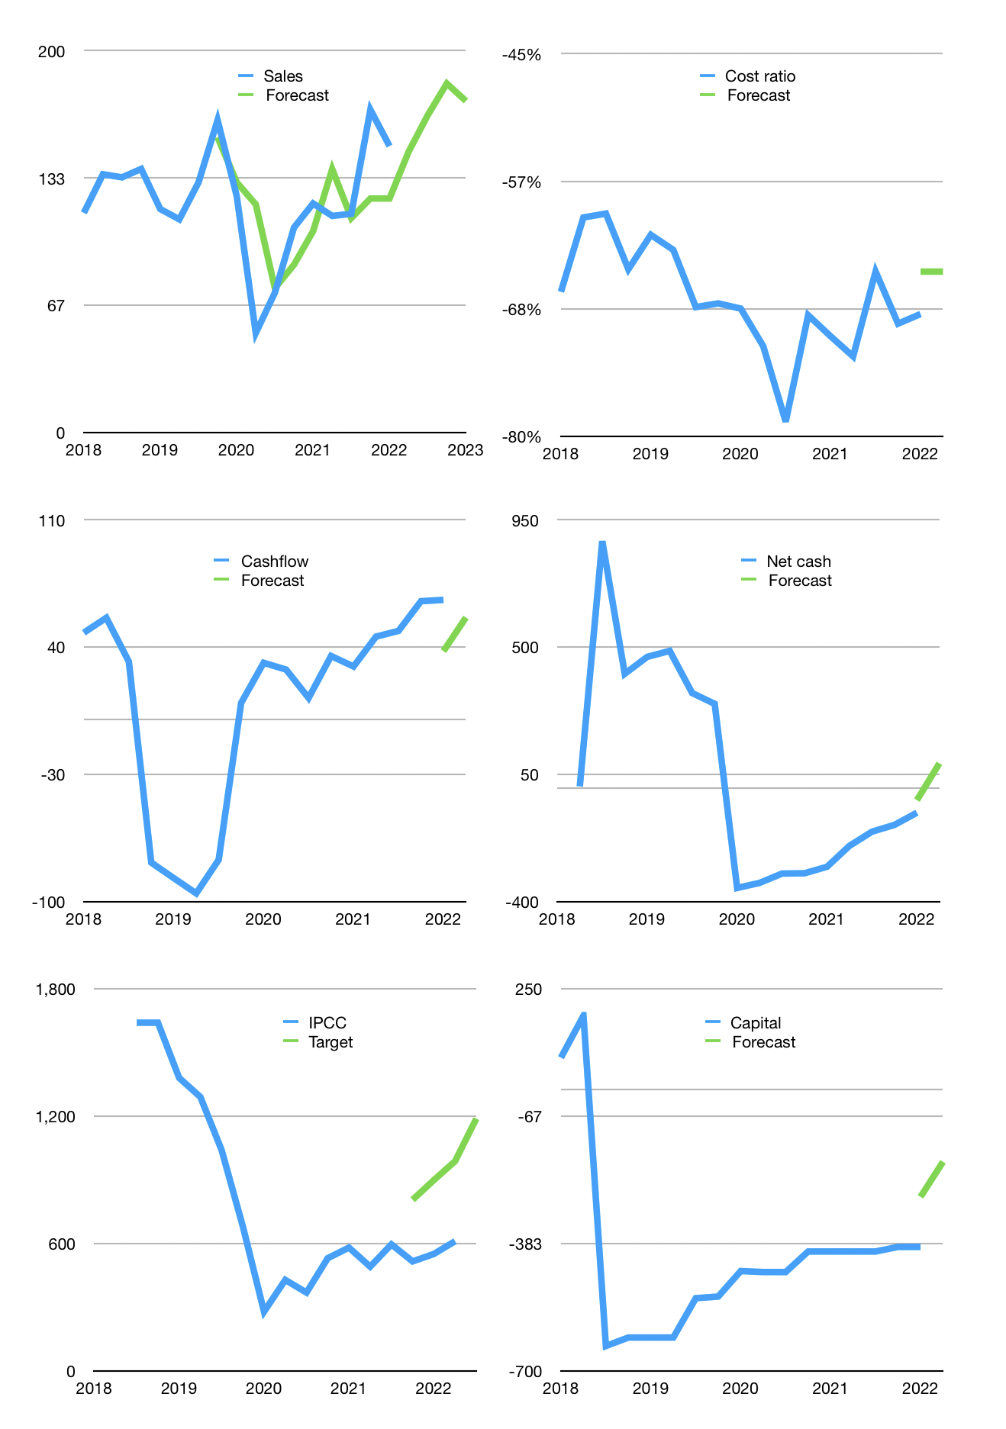
Financial model
Rpbn |  |  | 4Q 2022
Cashflow | 8% |  |  | 4%
Growth | -2% | 13% | 10% | -5%
Sales | 147 | 166 | 183 | 174
Cost ratio | -65% | -65% | -65% | -65%
Cash costs | -95 | -108 | -119 | -113
Operating | 52 | 58 | 64 | 61
Investment | -5 | -5 | -5 | -5
Finance | -47 | -54 | -59 | -52
Liabilities | -46 | -44 | -41 | -39
Revolver | 7 | 0 | -6 | -2
Payout | 0.3
Equity | -8 | -10 | -12 | -11
Before revolver | -7 | 0 | 6 | 6
Beginning | 833 | 833 | 833 | 833
Change | 0 | 0 | 0 | 4
Ending | 833 | 833 | 833 | 837
Profit
Non cash costs | -24 | -24 | -24 | -24
Net profit | 27 | 34 | 40 | 37
Balance sheet
Other assets | 1,484 | 1,488 | 1,493 | 1,498
Depreciation | 317 | 342 | 366 | 390
Net other assets | 1,166 | 1,147 | 1,127 | 1,108
Liabilities | 873 | 829 | 788 | 749
Revolver | 7 | 8 | 2 | 0
Equity | 1,119 | 1,143 | 1,171 | 1,196
Check | 0 | 0 | 0 | 0
Net cash | -47 | -4 | 43 | 89
Valuation
Capital | -345 | -292 | -232 | -180
Current value |  |  |  | 1,109,211,819,520
Current value |  |  |  | 1,109
P/assets |  |  |  | 0.57
Yield |  |  |  | 4%
Cashflow |  |  |  | 216
Payback |  |  |  | 5
Valuation |  |  |  | 5
Forecast |  |  |  | 10
Value |  |  |  | 2,159
Shares |  |  |  | 2
Target |  |  |  | 1,188
Current |  |  |  | 610
V target |  |  |  | 95%
12 month growth |  |  |  | 25%
Sales forecast |  |  |  | -2%

