Model
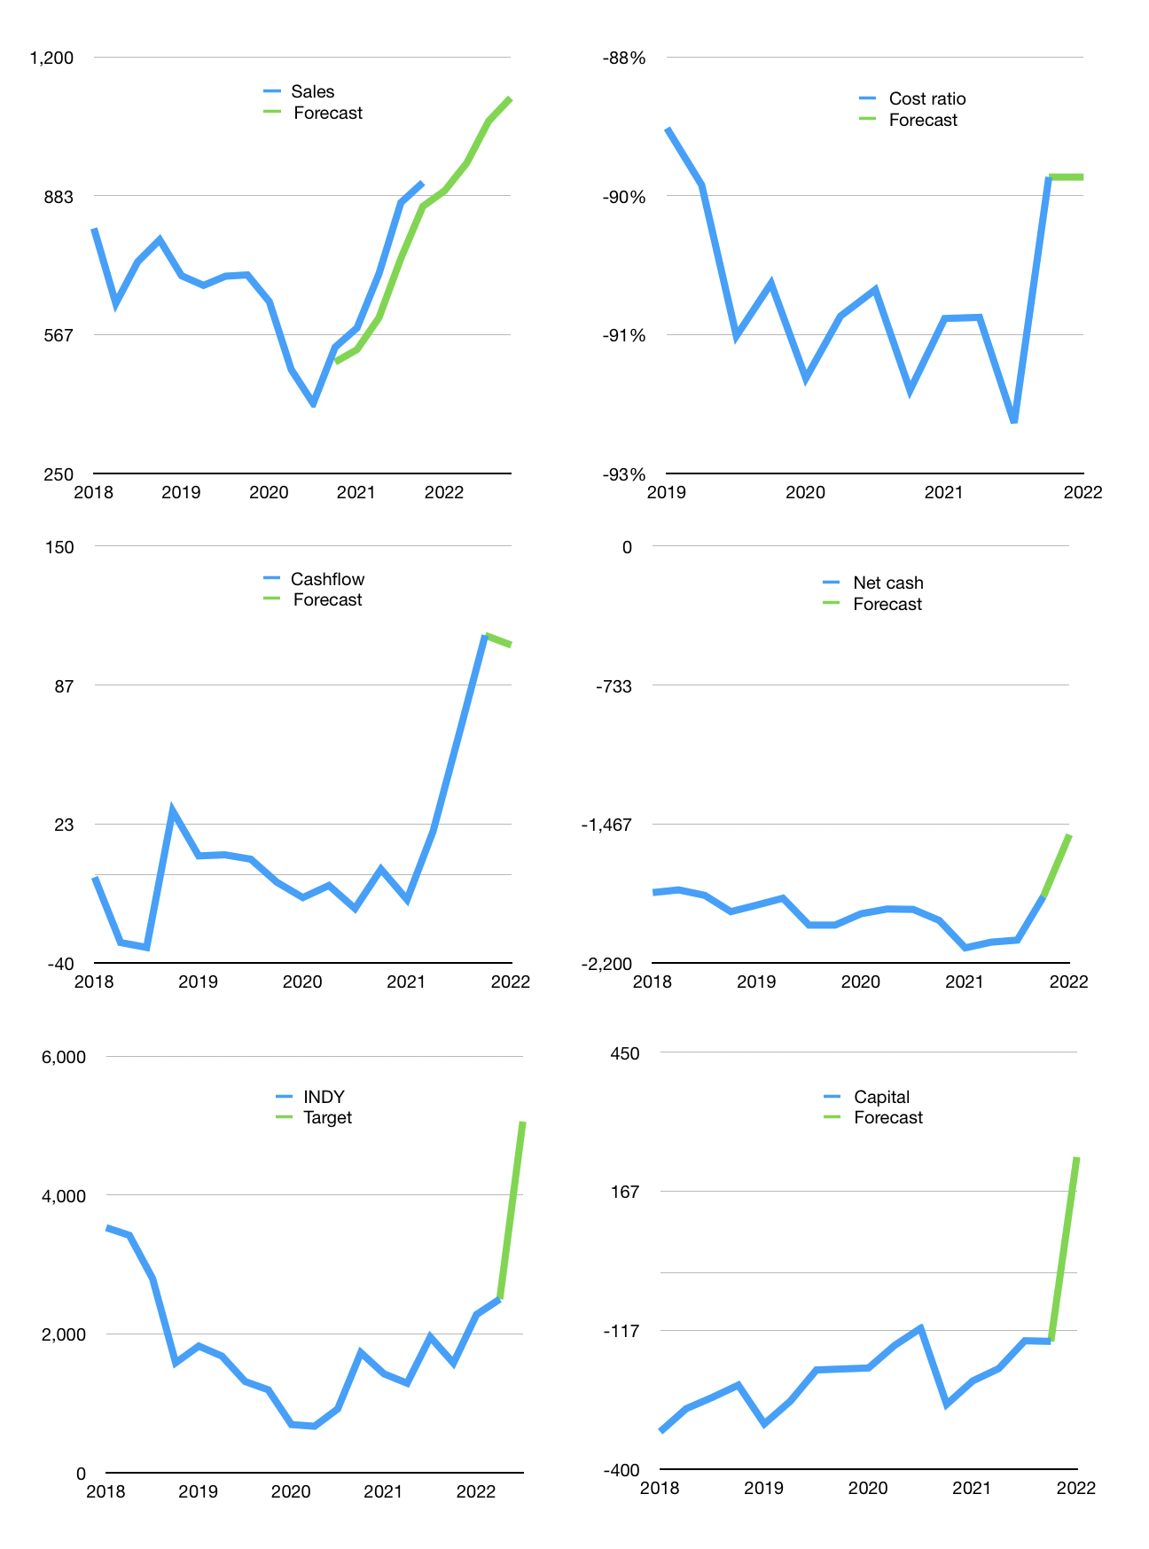
Financial model
$m |  |  |  | 4Q 2022
Cashflow | 14% |  |  | 5%
Growth | -2% | 7% | 10% | 5%
Sales | 895 | 958 | 1,054 | 1,106
Cost ratio | -89% | -89% | -89% | -89%
Cash costs | -801 | -857 | -942 | -989
Operating | 95 | 101 | 111 | 117
Investment | -12 | -12 | -12 | -12
Finance | -83 | -89 | -99 | -105
Liabilities | -140 | -133 | -127 | -120
Revolver | 67 | 55 | 41 | 31
Equity | -9 | -11 | -14 | -16
Before revolver | -67 | -55 | -41 | -31
Beginning | 958 | 958 | 958 | 958
Change | 0 | 0 | 0 | 0
Ending | 958 | 958 | 958 | 958
Profit
Non cash costs | -65 | -65 | -65 | -65
Profit | 30 | 37 | 47 | 52
Balance sheet
Other assets | 4,713 | 4,725 | 4,737 | 4,749
Depreciation | 2,033 | 2,098 | 2,162 | 2,227
Net other assets | 2,680 | 2,628 | 2,575 | 2,523
Liabilities | 2,668 | 2,534 | 2,408 | 2,287
Revolver | 67 | 122 | 163 | 195
Equity | 904 | 930 | 962 | 999
Check | 0 | 0 | 0 | 0
Net cash | -1,776 | -1,698 | -1,613 | -1,524
Valuation
Rupiah |  |  |  | 14
Capital | -57 | 32 | 131 | 236
Current value |  |  |  | 13,006,725,120,000
Current value |  |  |  | 929
P/assets |  |  |  | 0.27
Yield |  |  |  | 5%
Cashflow |  |  |  | 376
Payback |  |  |  | 7
Valuation |  |  |  | 2
Forecast |  |  |  | 5
Value |  |  |  | 1,879
Shares |  |  |  | 5
Target |  |  |  | 5,057
Current |  |  |  | 2,500
V target |  |  |  | 102%
12 month growth |  |  |  | 70%
Sales v forecast |  |  |  | -10%

