Model
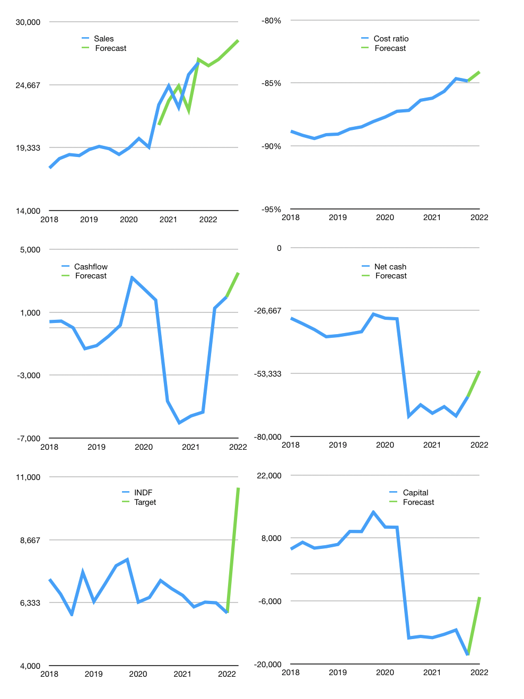
Financial model
Rpbn |  |  |  | 4Q 2022
Cash flow | 4% |  |  | 2%
Growth | -1% | 2% | 3% | 3%
Sales | 26,272 | 26,797 | 27,601 | 28,429
Cost ratio | -84% | -84% | -84% | -84%
Cash costs | -22,100 | -22,542 | -23,218 | -23,914
Operating | 4,172 | 4,256 | 4,383 | 4,515
Investment | -924 | -924 | -924 | -924
Leases | -85 | -85 | -85 | -85
Finance | -3,163 | -3,246 | -3,374 | -3,505
Liabilities | -4,636 | -4,400 | -4,176 | -3,963
Equity | -641 | -658 | -683 | -709
Before revolver | -2,114 | -1,812 | -1,485 | -1,167
Revolver | 2,114 | 1,812 | 1,485 | 1,167
Beginning | 29,478 | 29,478 | 29,478 | 29,478
Change | 0 | 0 | 0 | 0
Ending | 29,478 | 29,478 | 29,478 | 29,478
Profit
Non cash costs | -968 | -968 | -968 | -968
Net profit | 3,205 | 3,288 | 3,416 | 3,547
Balance sheet
Other assets | 185,593 | 186,517 | 187,441 | 188,365
Depreciation | 35,759 | 36,726 | 37,694 | 38,662
Net assets | 149,834 | 149,791 | 149,747 | 149,703
Liabilities | 88,002 | 83,517 | 79,255 | 75,207
Revolver | 2,114 | 3,926 | 5,411 | 6,578
Equity | 89,196 | 91,826 | 94,559 | 97,396
Check | 0 | 0 | 0 | 0
Net cash | -60,639 | -57,965 | -55,188 | -52,307
Valuation
Capital | -15,022 | -11,861 | -8,573 | -5,153
Current value |  |  |  | 52,243,560,499,200
Current value |  |  |  | 52,244
P/assets |  |  |  | 0.29
Yield |  |  |  | 5%
Cashflow |  |  |  | 13,288
Payback |  |  |  | 11
Valuation |  |  |  | 4
Forecast |  |  |  | 7
Value |  |  |  | 93,017
Shares |  |  |  | 9
Target |  |  |  | 10,594
Current |  |  |  | 5,950
V target |  |  |  | 78%
12 month growth |  |  |  | 16%
Sales forecasts |  |  |  | -3%

