Model
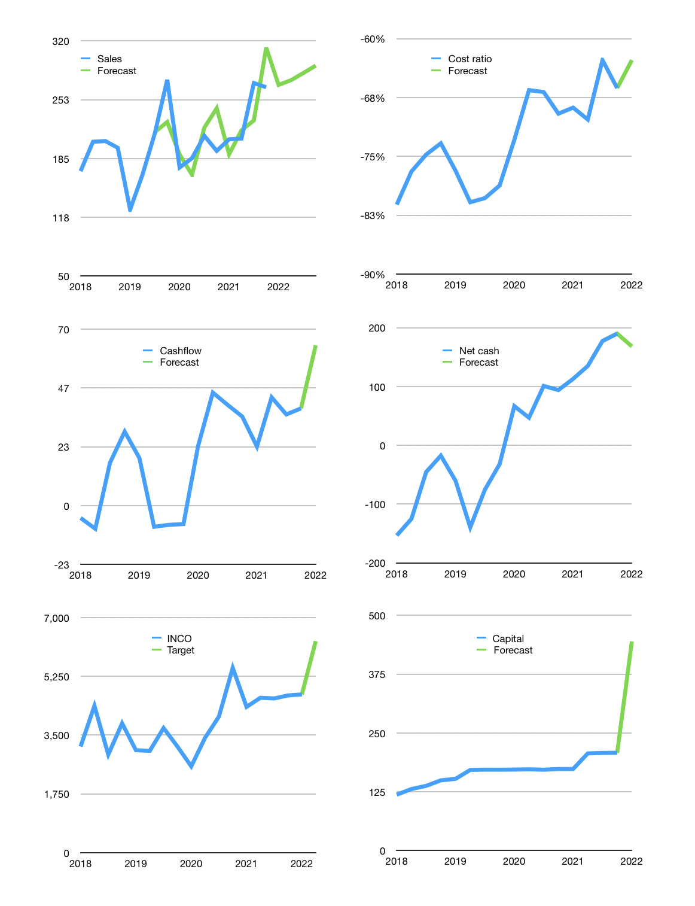
Financial model
$m |  |  |  | 4Q 2022
Cashflow | 9% |  |  | 2%
Growth | 1% | 2% | 3% | 3%
Sales | 269 | 275 | 283 | 292
Cash cost ratio | -63% | -63% | -63% | -63%
Cash costs | -169 | -172 | -178 | -183
Operating | 100 | 102 | 106 | 109
Investment | -45 | -45 | -45 | -45
Finance | -55 | -57 | -60 | -64
Liabilities | -16 | -15 | -14 | -14
Equity | -61 | -63 | -66 | -69
Before revolver | -21 | -21 | -20 | -19
Revolver | 21 | 21 | 20 | 19
Beginning | 508 | 508 | 508 | 508
Change | 0 | 0 | 0 | 0
Ending | 508 | 508 | 508 | 508
Profit
Non cash costs | -40 | -40 | -40 | -40
Net profit | 61 | 63 | 66 | 69
Balance sheet
Other assets | 4,493 | 4,538 | 4,583 | 4,628
Depreciation | 2,523 | 2,562 | 2,602 | 2,641
Net other assets | 1,970 | 1,976 | 1,981 | 1,987
Liabilities | 302 | 287 | 273 | 259
Revolver | 21 | 42 | 62 | 81
Equity | 2,155 | 2,155 | 2,155 | 2,155
Check | 0 | 0 | 0 | 0
Net cash | 185 | 179 | 174 | 168
Valuation
Rupiah |  |  |  | 14
Capital | 263 | 320 | 381 | 445
Current value |  |  |  | 3,538
P/assets |  |  |  | 1.4
Yield |  |  |  | 7%
Cashflow |  |  |  | 237
Payback |  |  |  | 8
Valuation |  |  |  | 15
Forecast |  |  |  | 20
Value |  |  |  | 4,736
Shares |  |  |  | 11
Target |  |  |  | 6,295
Current |  |  |  | 4,710
V target |  |  |  | 34%
12 month growth |  |  |  | 38%
Sales forecasts |  |  |  | 0%

Capital
Capital
$m | Liabilities | Equity | Total | Liabilities | Equity | Total | Quarters
2003 |  |  | 0 | 0 | 0 | 0
2004 | -77 | -49 | -126 | -77 | -49 | -126 | 4
2005 | -77 | -121 | -198 | -154 | -171 | -324 | 8
2006 | -38 | -110 | -148 | -192 | -280 | -473 | 12
2007 |  | -1,468 | -1,468 | -192 | -1,749 | -1,941 | 16
2008 |  | -225 | -225 | -192 | -1,974 | -2,166 | 20
2009 | 150 | -107 | 43 | -42 | -2,081 | -2,123 | 24
2010 |  | -338 | -338 | -42 | -2,419 | -2,461 | 28
2011 | 150 | -243 | -93 | 108 | -2,662 | -2,554 | 32
2012 | -38 | -110 | -148 | 70 | -2,772 | -2,702 | 36
2013 | -38 | -49 | -87 | 33 | -2,822 | -2,789 | 40
2014 | -38 | -100 | -137 | -5 | -2,921 | -2,926 | 44
2015 | -38 | 0 | -38 | -42 | -2,921 | -2,963 | 48
2016 | -38 | 0 | -38 | -80 | -2,921 | -3,001 | 52
2017 | -38 |  | -38 | -117 | -2,921 | -3,038 | 56
2018 | -38 |  | -38 | -155 | -2,921 | -3,076 | 60
2019 | -38 |  | -38 | -192 | -2,921 | -3,113 | 64
2020 | 0 |  | 0 | -192 | -2,921 | -3,113 | 68
2021 |  | -33 | -33 | -192 | -2,954 | -3,147 | 71

INCO TOTAL PAID EQUALS MARKET CAP

