Model
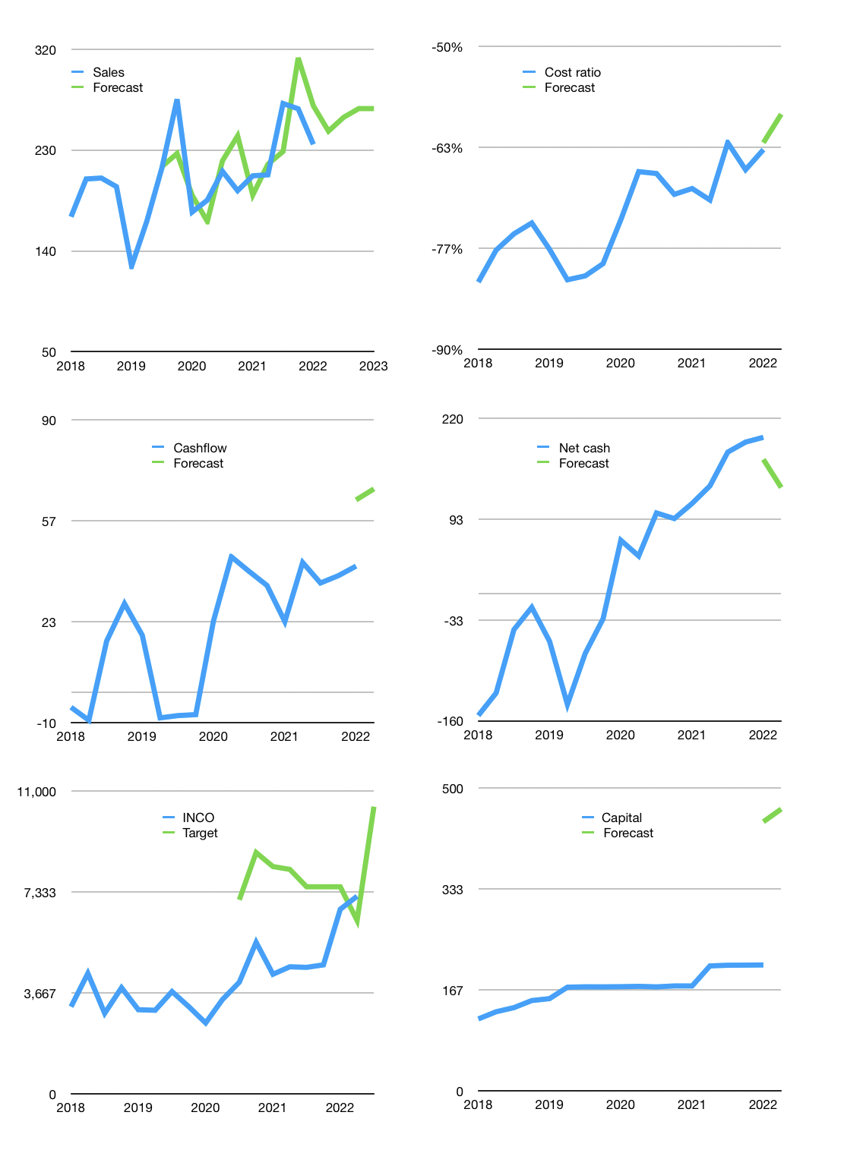
Financial model
$m |  |  | 4Q 2022
Cashflow | 4% |  |  | 3%
Growth | 5% | 5% | 3% | 0%
Sales | 247 | 259 | 267 | 267
Cash cost ratio | -59% | -59% | -59% | -59%
Cash costs | -146 | -153 | -157 | -157
Operating | 101 | 106 | 110 | 110
Investment | -42 | -42 | -42 | -42
Finance | -59 | -64 | -67 | -67
Liabilities | -16 | -15 | -15 | -14
Revolver | 31 | 31 | 31 | 30
Payout | 1.2
Equity | -74 | -80 | -84 | -84
Before revolver | -31 | -31 | -31 | -30
Beginning | 518 | 518 | 518 | 518
Change | 0 | 0 | 0 | 0
Ending | 518 | 518 | 518 | 518
Profit
Non cash costs | -40 | -40 | -40 | -40
Net profit | 61 | 66 | 70 | 70
Balance sheet
Other assets | 4,597 | 4,640 | 4,682 | 4,724
Depreciation | 2,569 | 2,609 | 2,649 | 2,689
Net other assets | 2,028 | 2,031 | 2,033 | 2,036
Liabilities | 306 | 291 | 276 | 262
Revolver | 31 | 62 | 93 | 123
Equity | 2,210 | 2,196 | 2,182 | 2,169
Check | 0 | 0 | 0 | 0
Net cash | 181 | 166 | 149 | 133
Valuation
Rupiah |  |  |  | 14
Capital | 267 | 331 | 398 | 466
Current value |  |  |  | 71,293,239,270,400
Current value |  |  |  | 4,986
P/assets |  |  |  | 2.0
Yield |  |  |  | 6%
Cashflow |  |  |  | 258
Payback |  |  |  | 8
Valuation |  |  |  | 19
Forecast |  |  |  | 20
Value |  |  |  | 5,152
Shares |  |  |  | 7
Target |  |  |  | 10,430
Current |  |  |  | 7,175
V target |  |  |  | 45%
12 month growth |  |  |  | 14%
Sales forecasts |  |  |  | 1%

Capital
Capital
$m | Liabilities | Equity | Total | Liabilities | Equity | Total
2003 |  |  | 0 | 0 | 0 | 0
2004 | -77 | -49 | -126 | -77 | -49 | -126
2005 | -77 | -121 | -198 | -154 | -171 | -324
2006 | -38 | -110 | -148 | -192 | -280 | -473
2007 |  | -1,468 | -1,468 | -192 | -1,749 | -1,941
2008 |  | -225 | -225 | -192 | -1,974 | -2,166
2009 | 150 | -107 | 43 | -42 | -2,081 | -2,123
2010 |  | -338 | -338 | -42 | -2,419 | -2,461
2011 | 150 | -243 | -93 | 108 | -2,662 | -2,554
2012 | -38 | -110 | -148 | 70 | -2,772 | -2,702
2013 | -38 | -49 | -87 | 33 | -2,822 | -2,789
2014 | -38 | -100 | -137 | -5 | -2,921 | -2,926
2015 | -38 | 0 | -38 | -42 | -2,921 | -2,963
2016 | -38 | 0 | -38 | -80 | -2,921 | -3,001
2017 | -38 |  | -38 | -117 | -2,921 | -3,038
2018 | -38 |  | -38 | -155 | -2,921 | -3,076
2019 | -38 |  | -38 | -192 | -2,921 | -3,113 | -2447.2855556
2020 | 0 |  | 0 | -192 | -2,921 | -3,113 | -407.68
2021 | 0 | -33 | -33 | -192 | -2,954 | -3,147 | -463.4

INCO TOTAL PAID EQUALS MARKET CAP

