Model
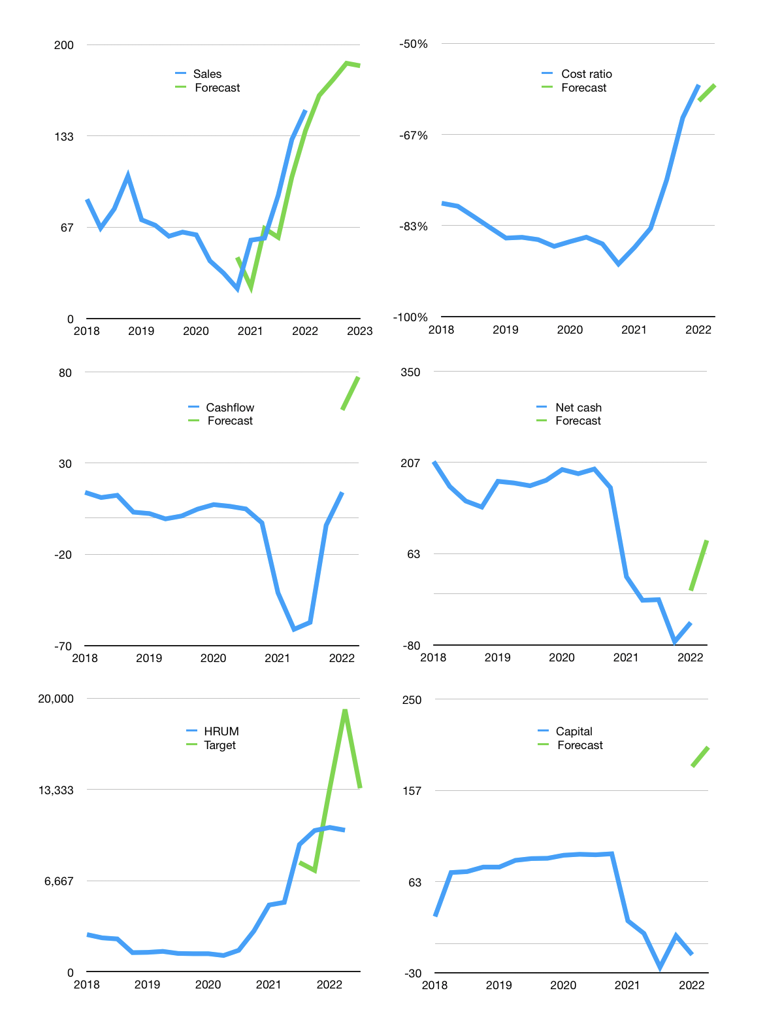
Financial model
$m |  |  | 4Q 2022
Cashflow | 29% |  |  | 5%
Growth | 7% | 7% | 7% | -1%
Sales | 163 | 174 | 186 | 185
Cost ratio | -58% | -58% | -58% | -58%
Cash costs | -94 | -100 | -107 | -106
Operating | 69 | 74 | 79 | 78
Investment | -1 | -1 | -1 | -1
Finance | -50 | -53 | -55 | -54
Liabilities | -12 | -12 | -11 | -11
Revolver | 0 | 0 | 0 | 0
Payout | 0.6
Equity | -38 | -41 | -44 | -44
Before revolver | 18 | 20 | 23 | 23
Beginning | 200 | 218 | 238 | 261
Change | 18 | 20 | 23 | 23
Ending | 218 | 238 | 261 | 284
Profit
Non cash costs | -6 | -6 | -6 | -6
Profit | 64 | 68 | 74 | 73
Balance sheet
Other assets | 965 | 966 | 967 | 968
Depreciation | 180 | 185 | 191 | 196
Net other assets | 786 | 781 | 777 | 772
Liabilities | 233 | 221 | 210 | 200
Revolver | 0 | 0 | 0 | 0
Equity | 770 | 798 | 827 | 856
Check | 0 | 0 | 0 | 0
Net cash | -15 | 17 | 51 | 84
Valuation
Rupiah |  |  |  | 14
Capital | 39 | 92 | 147 | 201
Current value |  |  |  | 26,146,894,003,200
Current value |  |  |  | 1,828
P/assets |  |  |  | 1.7
Yield |  |  |  | 9%
Cashflow |  |  |  | 296
Payback |  |  |  | 3
Valuation |  |  |  | 6
Forecast |  |  |  | 8
Value |  |  |  | 2,370
Shares |  |  |  | 3
Target |  |  |  | 13,418
Current |  |  |  | 10,350
V target |  |  |  | 30%
12 month growth |  |  |  | 167%
Sales v forecast |  |  |  | -15%

Capital
Capital
 | Liabilities | Equity | Total | Liabilities | Equity | Total
2007 | 3 | 1 | 4 | 3 | 1 | 4
2008 | 34 | -1 | 33 | 37 | 0 | 36
2009 | -8 | -14 | -22 | 29 | -15 | 14
2010 | -1 | -7 | -8 | 28 | -22 | 6
2011 | -5 | -83 | -88 | 23 | -104 | -82
2012 | 0 | -114 | -114 | 23 | -218 | -196
2013 | 0 | -77 | -77 | 23 | -295 | -272
2014 | 0 | -32 | -32 | 23 | -326 | -304
2015 | 0 | -5 | -5 | 23 | -331 | -309
2016 | 0 | -5 | -5 | 23 | -336 | -314
2017 | 0 | -11 | -11 | 23 | -347 | -324
2018 | -10 | -52 | -63 | 12 | -399 | -387
2019 | 0 | -9 | -9 | 12 | -408 | -396 | -294.51273939
2020 | 0 | -3 | -3 | 12 | -412 | -399 | -4.9952
2021 | 69 | 15 | 84 | 81 | -397 | -316 | 1174.6
2022 | 3 | 17 | 20 | 84 | -379 | -296

HRUM SUDDENLY RAISED CAPITAL IN 2021

