Model
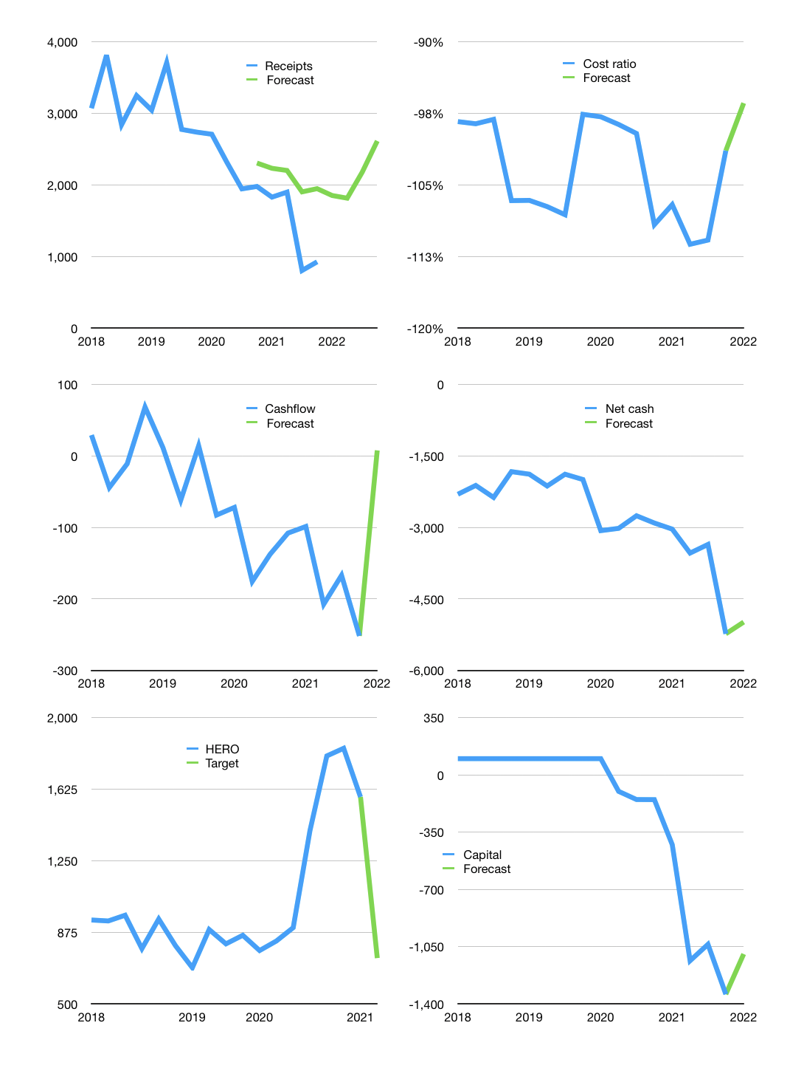
Financial model
Rp bn |  |  |  | 4Q 2022
Cashflow | -12% |  |  | 35%
Growth | 100% | -2% | 20% | 20%
Sales | 1,854 | 1,817 | 2,180 | 2,616
Cost ratio | -96% | -96% | -96% | -96%
Cash costs | -1,787 | -1,752 | -2,102 | -2,522
Operating | 67 | 65 | 78 | 94
Investment | -15 | -15 | -15 | -15
Leases | -72 | -72 | -72 | -72
Finance | -52 | -51 | -64 | -79
Liabilities | -270 | -256 | -244 | -231
Equity | 0 | 0 | 0 | 0
Before revolver | -218 | -206 | -180 | -152
Revolver | 218 | 206 | 180 | 152
Beginning | 169 | 169 | 169 | 169
Change | 0 | 0 | 0 | 0
Ending | 169 | 169 | 169 | 169
Profit
Non cash costs | -195 | -195 | -195 | -195
Profit | -128 | -130 | -117 | -101
Balance sheet
Other assets | 11,019 | 11,034 | 11,048 | 11,063
Depreciation | 5,095 | 5,290 | 5,485 | 5,680
Net other assets | 5,924 | 5,744 | 5,563 | 5,383
Liabilities | 5,130 | 4,873 | 4,629 | 4,398
Revolver | 218 | 424 | 604 | 756
Equity | 745 | 616 | 499 | 398
Check | 0 | 0 | 0 | 0
Net cash | -5,179 | -5,128 | -5,064 | -4,985
Valuation
Capital | -1,289 | -1,238 | -1,174 | -1,095
Current value |  |  |  | 6,631,053,676,800
Current value |  |  |  | 6,631
P/assets |  |  |  | 1.19
Yield |  |  |  | 0%
Cashflow |  |  |  | 89
Payback |  |  |  | 69
Valuation |  |  |  | 75
Forecast |  |  |  | 35
Value |  |  |  | 3,098
Shares |  |  |  | 4
Target |  |  |  | 740
Current |  |  |  | 1,585
V target |  |  |  | -53%
12 month growth |  |  |  | -53%
Sales forecasts |  |  |  | 92%

