Model
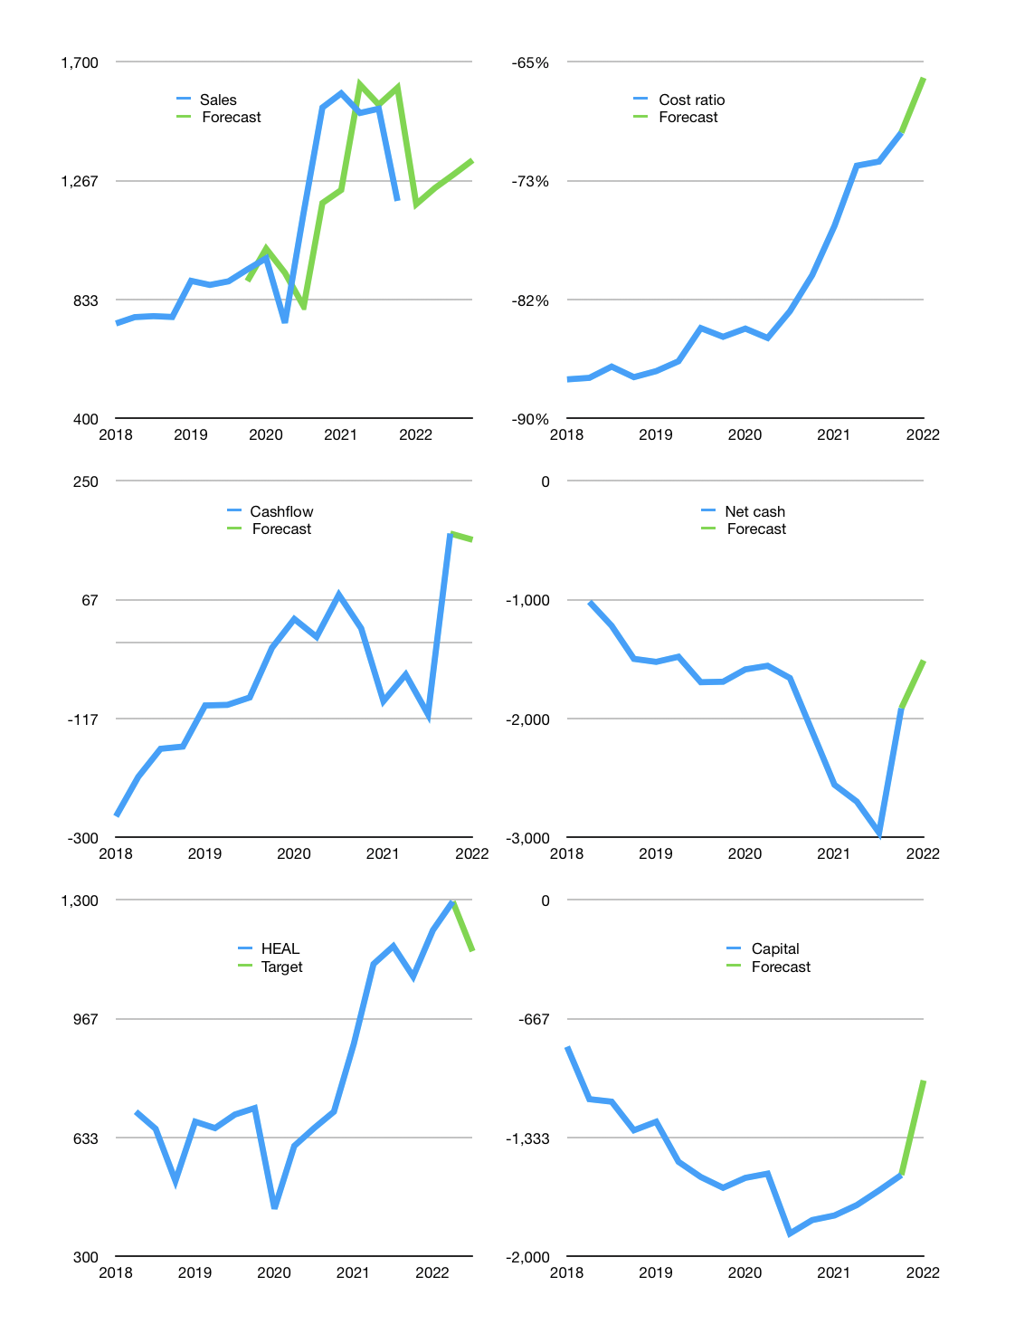
Financial model
Rpbn |  |  |  | 4Q 2022
Cash flow | -6% |  |  | 3%
Growth | -1% | 5% | 4% | 4%
Sales | 1,181 | 1,240 | 1,290 | 1,341
Cost ratio | -66% | -66% | -66% | -66%
Cash costs | -781 | -820 | -853 | -887
Operating | 400 | 420 | 437 | 454
Investment | -295 | -295 | -295 | -295
Finance | -105 | -125 | -142 | -159
Liabilities | -160 | -152 | -144 | -137
Revolver | 84 | 58 | 36 | 13
Equity | -29 | -31 | -33 | -35
Before revolver | -84 | -58 | -36 | -13
Beginning | 1,287 | 1,287 | 1,287 | 1,287
Change | 0 | 0 | 0 | 0
Ending | 1,287 | 1,287 | 1,287 | 1,287
Profit
Non cash costs | -109 | -109 | -109 | -109
Net profit | 291 | 311 | 328 | 346
Balance sheet
Other assets | 8,334 | 8,629 | 8,925 | 9,220
Depreciation | 1,848 | 1,957 | 2,065 | 2,174
Net other assets | 6,486 | 6,673 | 6,859 | 7,046
Liabilities | 3,040 | 2,888 | 2,744 | 2,606
Revolver | 84 | 143 | 178 | 191
Equity | 4,648 | 4,929 | 5,224 | 5,535
Check | 0 | 0 | 0 | 0
Net cash | -1,838 | -1,744 | -1,635 | -1,511
Valuation
Capital | -1,438 | -1,313 | -1,172 | -1,013
Current value |  |  |  | 19,002,829,834,240
Current value |  |  |  | 19,003
P/assets |  |  |  | 2.28
Yield |  |  |  | 0.7%
Cashflow |  |  |  | 530
Payback |  |  |  | 12
Valuation |  |  |  | 36
Forecast |  |  |  | 32
Value |  |  |  | 16,961
Shares |  |  |  | 15
Target |  |  |  | 1,156
Current |  |  |  | 1,295
V target |  |  |  | -11%
12 month growth |  |  |  | -22%
Sales forecast |  |  |  | -3%

