Model
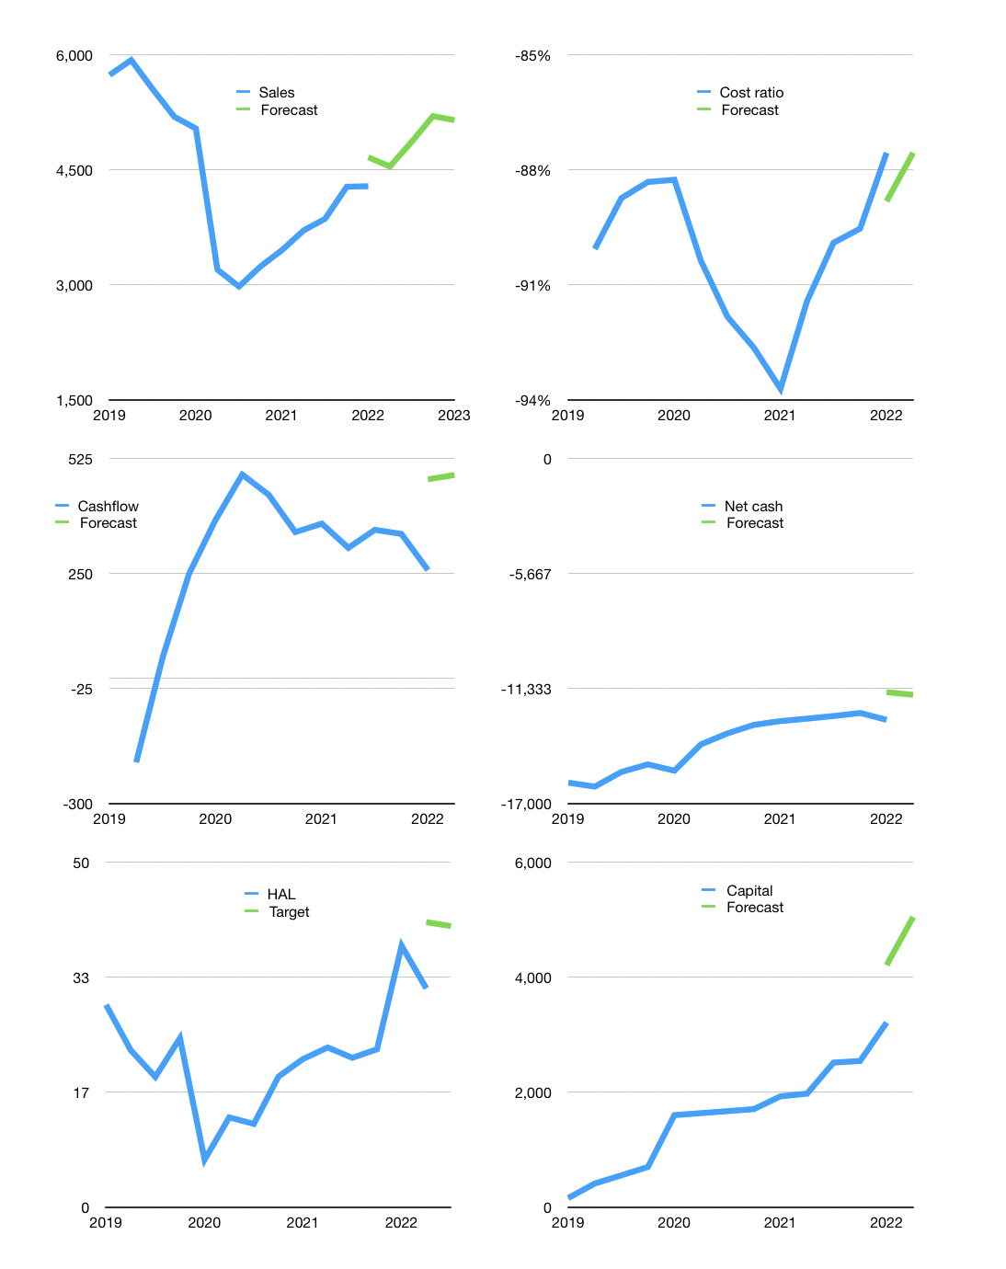
Financial model
$m |  |  | 4Q 2022
Cashflow | 6% |  |  | 5%
Growth | 6% | 7% | 7% | -1%
Sales | 4,541 | 4,859 | 5,199 | 5,147
Cost ratio | -88% | -88% | -88% | -88%
Cash costs | -3,976 | -4,254 | -4,552 | -4,507
Operating | 565 | 605 | 647 | 640
Investment | -155 | -155 | -155 | -155
Liabilities | -752 | -714 | -679 | -645
Revolver | 479 | 413 | 348 | 319
Payout | 0.3
Equity | -137 | -148 | -161 | -159
Before revolver | -479 | -413 | -348 | -319
Finance | -410 | -450 | -492 | -485
Beginning | 2,154 | 2,154 | 2,154 | 2,154
Change | 0 | 0 | 0 | 0
Ending | 2,154 | 2,154 | 2,154 | 2,154
Profit
Non cash costs | -110 | -110 | -110 | -110
Profit | 455 | 495 | 537 | 531
Balance sheet
Other assets | 28,244 | 28,399 | 28,554 | 28,709
Depreciation | 8,280 | 8,390 | 8,499 | 8,609
Net other assets | 19,964 | 20,010 | 20,055 | 20,100
Liabilities | 14,288 | 13,574 | 12,895 | 12,250
Revolver | 479 | 892 | 1,240 | 1,558
Equity | 7,352 | 7,698 | 8,074 | 8,445
Check | 0 | 0 | 0 | 0
Net cash | -12,613 | -12,311 | -11,981 | -11,655
Valuation
Capital | 3,618 | 4,068 | 4,559 | 5,045
Current value |  |  |  | 28,583,620,608
Current value |  |  |  | 28,584
P/assets |  |  |  | 1.28
Yield |  |  |  | 2%
Cashflow |  |  |  | 1,837
Payback |  |  |  | 11
Valuation |  |  |  | 16
Forecast |  |  |  | 20
Value |  |  |  | 36,735
Shares |  |  |  | 901.97603686
Target |  |  |  | 41
Current |  |  |  | 31.69
V target |  |  |  | 29%
12 month growth |  |  |  | 24%
Sales forecasts |  |  |  | 9%

