Model
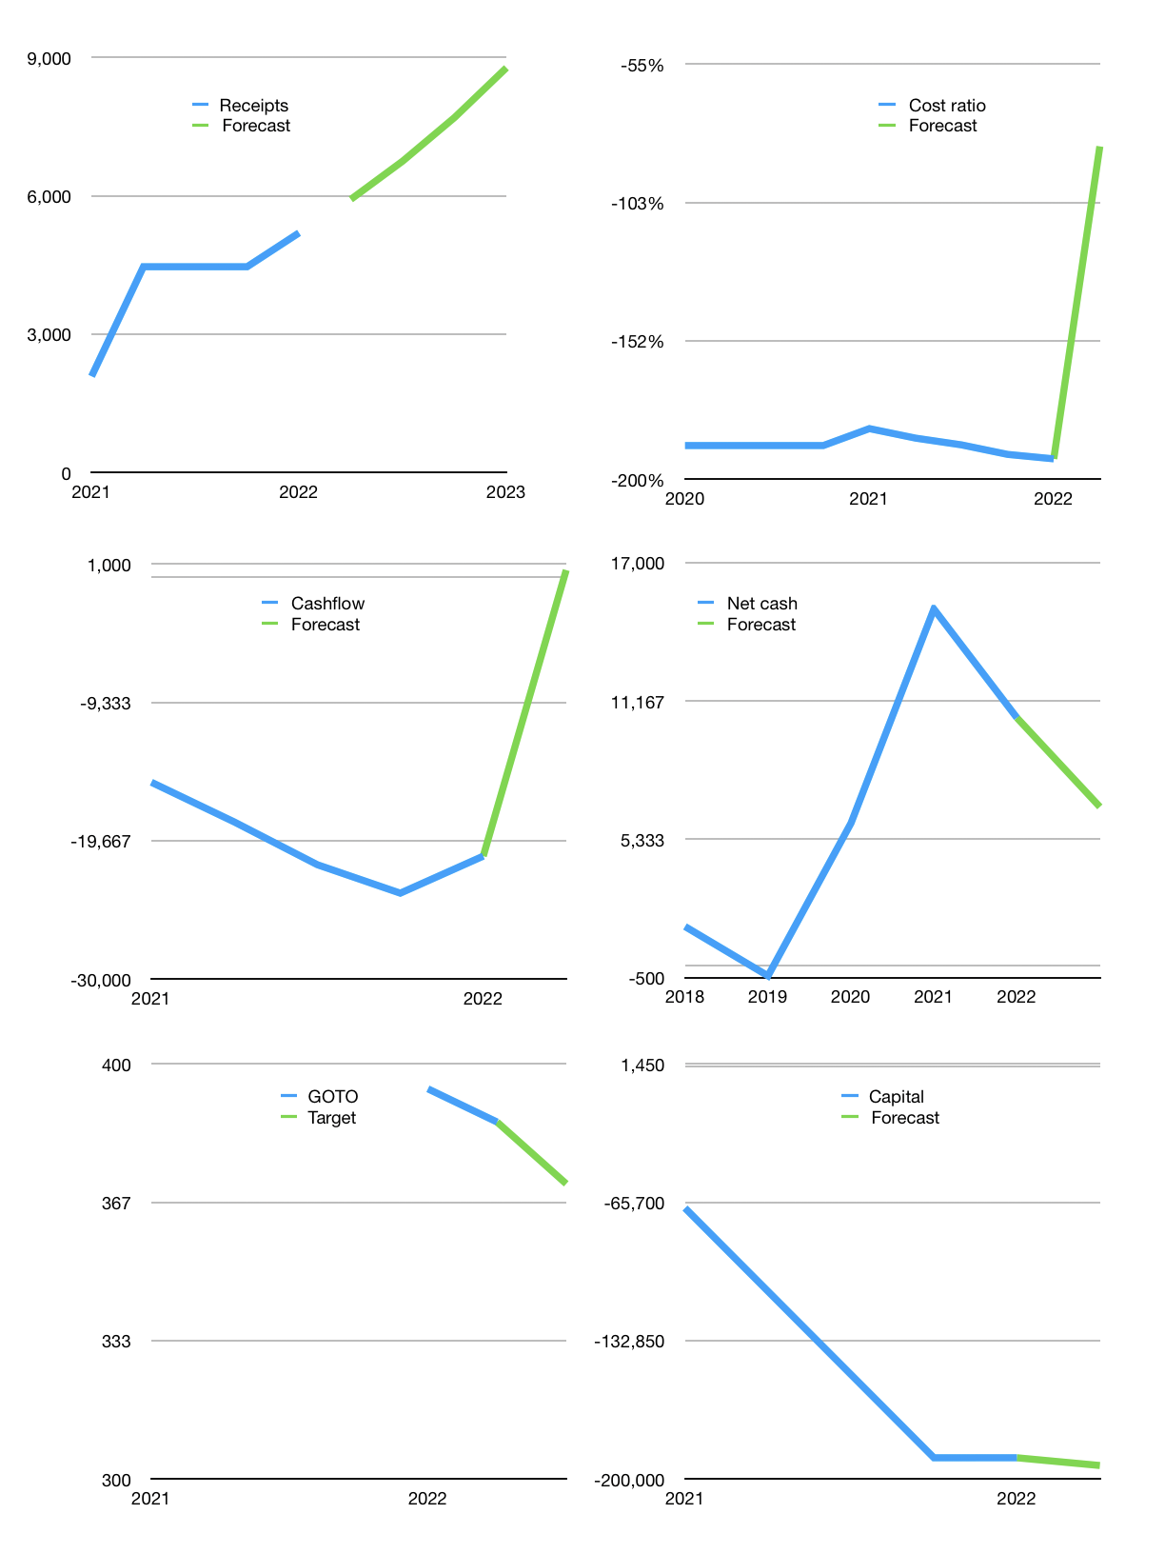
Financial model
Rpbn |  |  | 4Q 2022
Cashflow | 37% |  |  | 14%
Growth | 14% | 14% | 14% | 14%
Sales | 5,925 | 6,754 | 7,700 | 8,778
Cost ratio | -124% | -109% | -95% | -84%
Cash costs | -7,350 | -7,350 | -7,350 | -7,350
Operating | -1,425 | -595 | 350 | 1,428
Investment | -879 | -879 | -879 | -879
Finance | 2,304 | 1,474 | 529 | -549
Liabilities | -831 | -789 | -750 | -712
Revolver | 3,134 | 2,263 | 1,278 | 163
Payout | 0.0
Equity | 0 | 0 | 0 | 0
Before revolver | -3,134 | -2,263 | -1,278 | -163
Beginning | 27,073 | 27,073 | 27,073 | 27,073
Change | 0 | 0 | 0 | 0
Ending | 27,073 | 27,073 | 27,073 | 27,073
Profit
Non cash costs | -762 | -762 | -762 | -762
Net profit | -2,186 | -1,357 | -411 | 667
Balance sheet
Other assets | 129,369 | 130,248 | 131,126 | 132,005
Depreciation | 5,187 | 5,949 | 6,710 | 7,472
Net other assets | 124,182 | 124,299 | 124,416 | 124,533
Liabilities | 15,784 | 14,995 | 14,245 | 13,533
Revolver | 3,134 | 5,398 | 6,676 | 6,839
Equity | 132,337 | 130,980 | 130,568 | 131,235
Check | 0 | 0 | 0 | 0
Net cash | 8,154 | 6,680 | 6,152 | 6,701
Valuation
Capital | -192,010 | -193,484 | -194,012 | -193,463
Current value |  |  |  | 457,162,962,763,776
Current value |  |  |  | 457,163
P/assets |  |  |  | 3.02
Yield |  |  |  | 0%
Sales |  |  |  | 2,198
Payback |  |  |  | 56
Valuation |  |  |  | 208
Forecast |  |  |  | 200
Value |  |  |  | 439,541
Shares |  |  |  | 1,184
Target |  |  |  | 371
Current |  |  |  | 386
V target |  |  |  | -4%
12 month growth |  |  |  | 149%

