Model
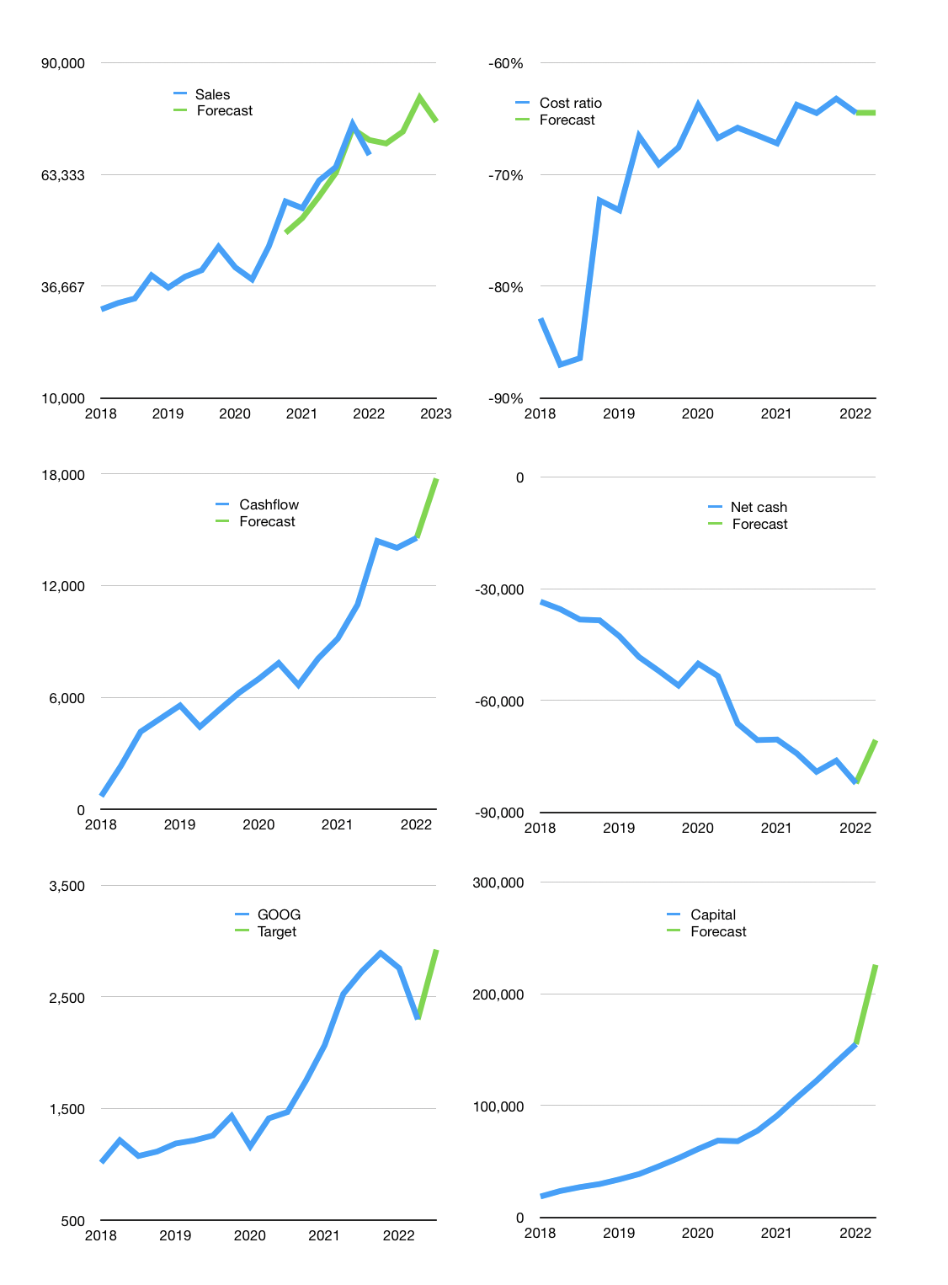
Financial model
$m |  |  | 4Q 2022
Cashflow | 6% |  |  | 3%
Growth | 4% | 4% | 11% | -7%
Sales | 70,731 | 73,561 | 81,652 | 75,937
Cost ratio | -64% | -64% | -64% | -64%
Cash costs | -45,608 | -47,432 | -52,650 | -48,964
Operating | 25,123 | 26,128 | 29,002 | 26,972
Investment | -9,051 | -9,051 | -9,051 | -9,051
Finance | -16,072 | -17,077 | -19,951 | -17,921
Liabilities | -5,155 | -4,897 | -4,652 | -4,419
Revolver | 2,762 | 2,203 | 1,096 | 1,472
Payout | 0.7
Equity | -13,680 | -14,383 | -16,395 | -14,974
Before revolver | -2,762 | -2,203 | -1,096 | -1,472
Beginning | 20,886 | 20,886 | 20,886 | 20,886
Change | 0 | 0 | 0 | 0
Ending | 20,886 | 20,886 | 20,886 | 20,886
Profit
Non cash costs | -5,581 | -5,581 | -5,581 | -5,581
Profit | 19,543 | 20,548 | 23,422 | 21,392
Balance sheet
Other assets | 453,331 | 462,382 | 471,433 | 480,484
Depreciation | 113,651 | 119,232 | 124,812 | 130,393
Net other assets | 339,680 | 343,151 | 346,621 | 350,091
Liabilities | 97,937 | 93,041 | 88,389 | 83,969
Revolver | 2,762 | 4,965 | 6,061 | 7,533
Equity | 259,867 | 266,031 | 273,058 | 279,475
Check | 0 | 0 | 0 | 0
Net cash | -79,813 | -77,119 | -73,563 | -70,616
Valuation
Capital | 171,074 | 188,152 | 208,103 | 226,025
Current value |  |  |  | 1,508,199,497,728
Current value |  |  |  | 1,508,199
P/assets |  |  |  | 4.1
Yield |  |  |  | 4%
Cashflow |  |  |  | 71,023
Payback |  |  |  | 5
Valuation |  |  |  | 21
Forecast |  |  |  | 27
Value |  |  |  | 1,917,610
Shares |  |  |  | 656
Target |  |  |  | 2,923
Current |  |  |  | 2,299
V target |  |  |  | 27%
12 month growth |  |  |  | 23%
Sales forecasts |  |  |  | -3%

Cashflow
Cashflow
$m | Profit | Non cash costs | Working capital | Operating | Investment | Liabilities | Equity | Finance | Free cashflow | Cashflow | Forecast | Capital | Forecast
2016 | 4,207 | 3,623 | -172 | 7,658 | -6,245 |  |  | -2,911 | 1,413 |  |  | 2,911 |  | 1
 | 4,877 | 2,984 | 1,259 | 9,120 | -7,173 |  |  | -3,440 | 1,947 |  |  | 6,351 |  | 2
 | 5,061 | 3,147 | 1,637 | 9,845 | -13,045 |  |  | -1,089 | -3,200 |  |  | 7,440 |  | 3
 | 5,333 | 3,504 | 576 | 9,413 | -4,702 |  |  | -892 | 4,711 |  |  | 8,332 |  | 4
2017 | 5,426 | 4,202 | -80 | 9,548 | -2,851 |  |  | -1,674 | 6,697 | 2,539 |  | 10,006 |  | 5
 | 3,524 | 3,595 | 284 | 7,403 | -7,172 |  |  | -2,740 | 231 | 2,110 |  | 12,746 |  | 6
 | 6,732 | 3,426 | -286 | 9,872 | -14,404 |  |  | -706 | -4,532 | 1,777 |  | 13,452 |  | 7
 | -3,020 | 3,961 | 9,327 | 10,268 | -6,974 |  |  | -3,178 | 3,294 | 1,423 |  | 16,630 |  | 8
2018 | 9,401 | 1,176 | 1,065 | 11,642 | -7,846 |  |  | -2,018 | 3,796 | 697 |  | 18,648 |  | 9
 | 3,195 | 3,457 | 3,480 | 10,132 | -3,374 |  |  | -4,937 | 6,758 | 2,329 |  | 23,585 |  | 10
 | 9,192 | 4,150 | -132 | 13,210 | -10,408 |  |  | -3,478 | 2,802 | 4,163 |  | 27,063 |  | 11
 | 8,948 | 3,544 | 495 | 12,987 | -6,876 |  |  | -2,746 | 6,111 | 4,867 |  | 29,809 |  | 12
2019 | 6,657 | 4,250 | 1,093 | 12,000 | -5,388 |  |  | -4,183 | 6,612 | 5,571 |  | 33,992 |  | 13
 | 9,947 | 3,417 | -737 | 12,627 | -10,455 |  |  | -4,746 | 2,172 | 4,424 |  | 38,738 |  | 14
 | 7,068 | 6,713 | 1,685 | 15,466 | -8,945 |  |  | -6,954 | 6,521 | 5,354 |  | 45,692 |  | 15
 | 10,671 | 4,978 | -1,222 | 14,427 | -4,703 |  |  | -7,326 | 9,724 | 6,257 |  | 53,018 |  | 16
2020 | 6,836 | 7,573 | -2,958 | 11,451 | -1,847 |  |  | -8,186 | 9,604 | 7,005 |  | 61,204 |  | 17
 | 6,959 | 4,707 | 2,327 | 13,993 | -8,448 |  |  | -7,498 | 5,545 | 7,849 |  | 68,702 |  | 18
 | 11,247 | 5,000 | 756 | 17,003 | -15,197 |  |  | 546 | 1,806 | 6,670 |  | 68,156 |  | 19
 | 15,227 | 5,748 | 1,702 | 22,677 | -7,281 |  |  | -9,270 | 15,396 | 8,088 |  | 77,426 |  | 20
2021 | 17,930 | 2,592 | -1,233 | 19,289 | -5,383 |  |  | -13,606 | 13,906 | 9,163 |  | 91,032 |  | 21
 | 18,525 | 4,236 | -871 | 21,890 | -9,074 |  |  | -15,991 | 12,816 | 10,981 |  | 107,023 |  | 22
 | 18,936 | 3,797 | 2,806 | 25,539 | -10,050 |  |  | -15,254 | 15,489 | 14,402 |  | 122,277 |  | 23
 | 20,642 | 6,517 | -2,225 | 24,934 | -11,016 | -115 | -16,396 | -16,511 | 13,918 | 14,032 |  | 138,788 |  | 24
2022 | 16,436 | 7,773 | 897 | 25,106 | -9,051 | 0 | -16,216 | -16,214 | 16,055 | 14,570 | 14,570 | 155,002 | 155,002 | 25
 |  |  |  |  |  |  |  |  |  |  | 17,756 |  | 226,025

Cumulative working capital
 | Region 1 | Region 2
April | 17 | 55
May | 26 | 43
June | 53 | 70
July | 96 | 58

