Model
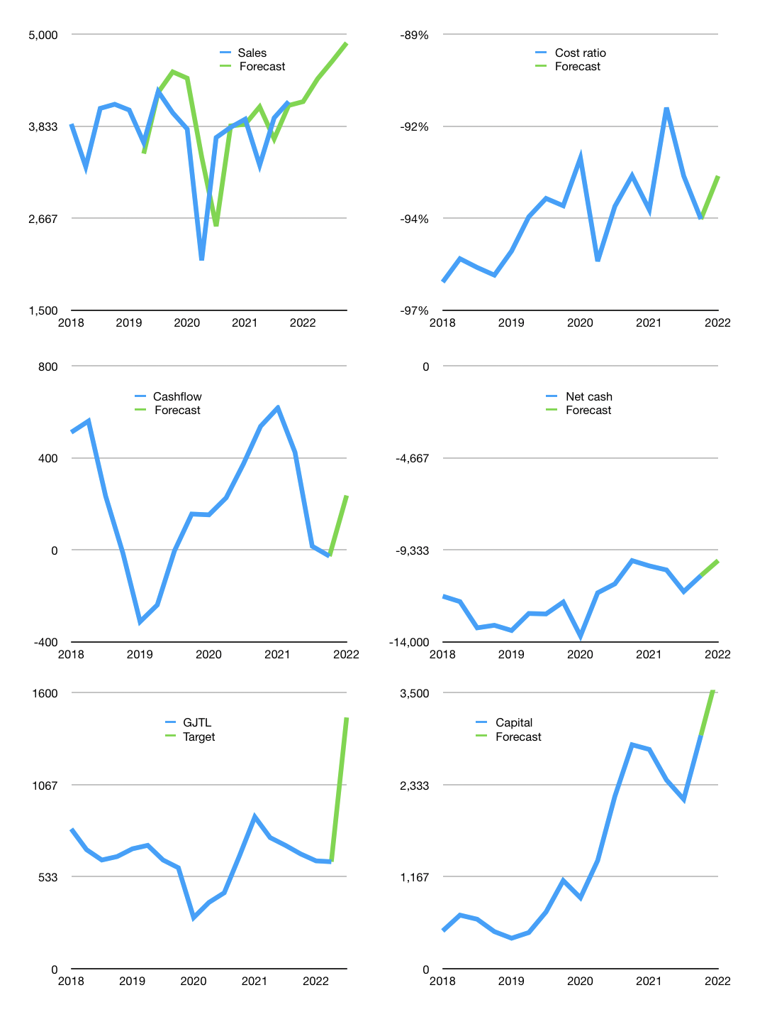
Financial model
Rpbn |  |  |  | 4Q 2022
Cash Flow | 3% |  |  | 4%
Growth | 0% | 7% | 5% | 5%
Sales | 4,145 | 4,435 | 4,657 | 4,890
Cost ratio | -93% | -93% | -93% | -93%
Cash costs | -3,859 | -4,129 | -4,336 | -4,553
Operating | 286 | 306 | 321 | 337
Investment | -95 | -95 | -95 | -95
Leases | -6 | -6 | -6 | -6
Finance | -185 | -205 | -220 | -236
Liabilities | -574 | -545 | -518 | -491
Revolver | 410 | 365 | 325 | 286
Payout | 0.2
Equity | -21 | -25 | -28 | -31
Before revolver | -410 | -365 | -325 | -286
Beginning | 839 | 839 | 839 | 839
Change | 0 | 0 | 0 | 0
Ending | 839 | 839 | 839 | 839
Income statement
Non cash costs | -181 | -181 | -181 | -181
Net profit | 104 | 124 | 140 | 156
Balance Sheet
Other assets | 30,129 | 30,224 | 30,320 | 30,415
Depreciation | 12,605 | 12,786 | 12,967 | 13,148
Net other assets | 17,524 | 17,438 | 17,352 | 17,267
Liabilities | 10,901 | 10,351 | 9,828 | 9,331
Revolver | 410 | 775 | 1,101 | 1,387
Equity | 7,052 | 7,151 | 7,263 | 7,388
Check | 0 | 0 | 0 | 0
Net cash | -10,473 | -10,287 | -10,089 | -9,879
Valuation
Capital | 3,139 | 3,339 | 3,553 | 3,784
Current value |  |  |  | 2,160,334,209,024
Current value |  |  |  | 2,160
P/assets |  |  |  | 0.12
Yield |  |  |  | 5%
Cashflow |  |  |  | 846
Payback |  |  |  | 21
Valuation |  |  |  | 3
Forecast |  |  |  | 6
Value |  |  |  | 5,075
Shares |  |  |  | 3
Target |  |  |  | 1,457
Current |  |  |  | 620
V target |  |  |  | 135%
12 month growth |  |  |  | 9%
Sales forecasts |  |  |  | 4%

Capital
Capital-1
Rpbn | Liabilities | Equity | Total | Liabilities | Equity | Total
2005 |  |  | 0 | 0 | 0 | 0
2006 | -145 | -16 | -161 | -145 | -16 | -161
2007 | 694 | 145 | 839 | 549 | 129 | 678
2008 | -496 | -17 | -513 | 53 | 112 | 165
2009 | -50 | 0 | -50 | 3 | 112 | 115
2010 | 0 | -59 | -59 | 3 | 53 | 56
2011 | 13 | -45 | -32 | 16 | 8 | 24
2012 | -13 | -35 | -48 | 3 | -27 | -24
2013 | 767 | -94 | 673 | 770 | -121 | 649
2014 | 233 | -35 | 198 | 1,003 | -156 | 847
2015 | 311 | -35 | 276 | 1,314 | -191 | 1,123
2016 | -45 | 0 | -45 | 1,269 | -191 | 1,078
2017 | -79 | -49 | -128 | 1,190 | -240 | 950
2018 | 49 | 0 | 49 | 1,239 | -240 | 999
2019 | -678 | 0 | -678 | 561 | -240 | 321
2020 | -1,723 | 0 | -1,723 | -1,162 | -240 | -1,402
2021 | -85 | -35 | -120 | -1,247 | -275 | -1,522

 |  |  |  |  |  |  | Table 1-1

 |  |  |  |  |  |  |  | Market value | IDR41716224622592
 |  |  |  |  |  |  |  | INKP | capital history | -28% | of market value | paid every year since 2019
 |  |  |  |  |  |  |  | 2022-04-14
 |  |  |  |  |  |  |  | Start date | 2009
 |  |  |  |  |  |  |  | Number of quarters | 52
 |  |  |  |  |  |  |  | Market value $m | 2,980
 |  |  |  |  |  |  |  | Liabilities | -1,247 | million dollars | paid
 |  |  |  |  |  |  |  | INKP | has | paid | liabilities | by an average | -104 | million dollars | every year | -3% | of market value
 |  |  |  |  |  |  |  | In the last 5 years | liabilities | were | paid | by an average | -503 | million dollars | every year | -17% | of market value
 |  |  |  |  |  |  |  | The peak in cumulative liabilities | was | 1,314 | million dollars | in | 2018
 |  |  |  |  |  |  |  | As of the latest quarter | liabilities | cumulative | are | down | to | -1,247 | million dollars
 |  |  |  |  |  |  |  | Equity | -275 | million dollars | paid
 |  |  |  |  |  |  |  | INKP | has | paid | equity | by an average | -32 | million dollars | every year | -1% | of market value
 |  |  |  |  |  |  |  | In the last 5 years | equity | was | paid | by an average | -17 | million dollars | every year | -1% | of market value
 |  |  |  |  |  |  |  | The peak in cumulative equity | was | 53 | million dollars | in | 2011
 |  |  |  |  |  |  |  | As of the latest quarter | equity | cumulative | is | down | to | -275 | million dollars
 |  |  |  |  |  |  |  | Total capital | -1,522 | million dollars | paid
 |  |  |  |  |  |  |  | INKP | has | paid | total capital | by an average | -136 | million dollars | every year | -5% | of market value
 |  |  |  |  |  |  |  | In the last 5 years | total capital | was | paid | by an average | -520 | million dollars | every year | -17% | of market value
 |  |  |  |  |  |  |  | The peak in cumulative total capital | was | 1,123 | million dollars | in | 2018
 |  |  |  |  |  |  |  | As of the latest quarter | total capital | cumulative | is | down | to | -1522 | million dollars | -28% | of market value | paid every year since 2019

