Model
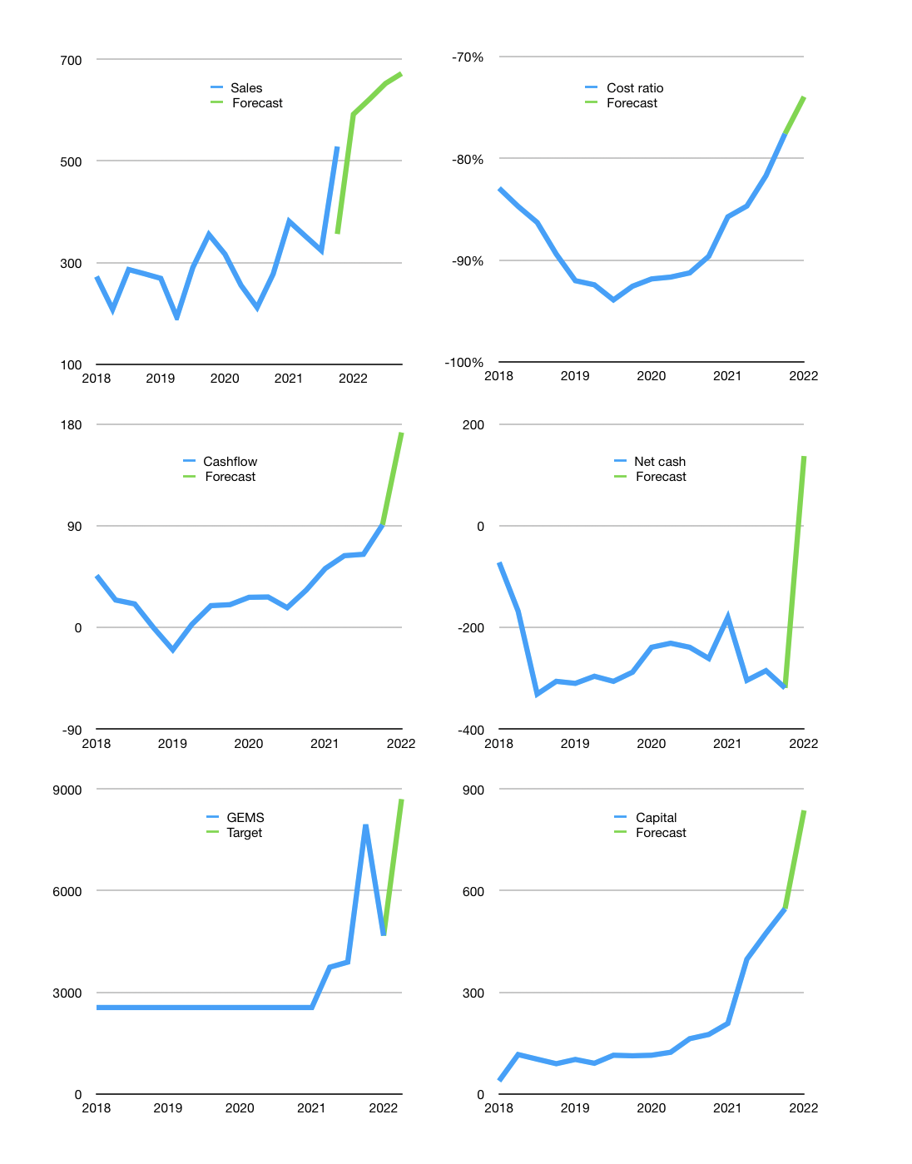
Financial model
$m |  |  |  | 4Q 2022
Cashflow | 21% |  |  | 6%
Growth | 12% | 5% | 5% | 3%
Sales | 592 | 621 | 652 | 672
Cost ratio | -74% | -74% | -74% | -74%
Cash costs | -438 | -459 | -482 | -497
Operating | 154 | 162 | 170 | 175
Investment | -3 | -3 | -3 | -3
Finance | -71 | -72 | -73 | -74
Liabilities | -26 | -24 | -23 | -22
Equity | -45 | -48 | -50 | -52
Before revolver | 81 | 87 | 94 | 99
Revolver | 0 | 0 | 0 | 0
Beginning | 194 | 275 | 362 | 456
Change | 81 | 87 | 94 | 99
Ending | 275 | 362 | 456 | 555
Profit
Non cash costs | -3 | -3 | -3 | -3
Net profit | 151 | 159 | 167 | 172
Balance sheet
Other assets | 812 | 814 | 817 | 819
Depreciation | 177 | 180 | 182 | 185
Net other assets | 635 | 634 | 634 | 634
Liabilities | 487 | 463 | 440 | 418
Revolver | 0 | 0 | 0 | 0
Equity | 422 | 533 | 650 | 771
Check | 0 | 0 | 0 | 0
Net cash | -213 | -101 | 16 | 137
Valuation
Rupiah |  |  |  | 14
Capital | 618 | 690 | 763 | 837
Current value |  |  |  | 27,470,574,873,600
Current value |  |  |  | 1,962
P/assets |  |  |  | 1.65
Yield |  |  |  | 8%
Cashflow |  |  |  | 651
Payback |  |  |  | 1
Valuation |  |  |  | 3
Forecast |  |  |  | 7
Value |  |  |  | 4,559
Shares |  |  |  | 7
Target |  |  |  | 8,700
Current |  |  |  | 4,670
V target |  |  |  | 86%
12 month growth |  |  |  | 90%
Sales v forecast |  |  |  | -33%

