Model
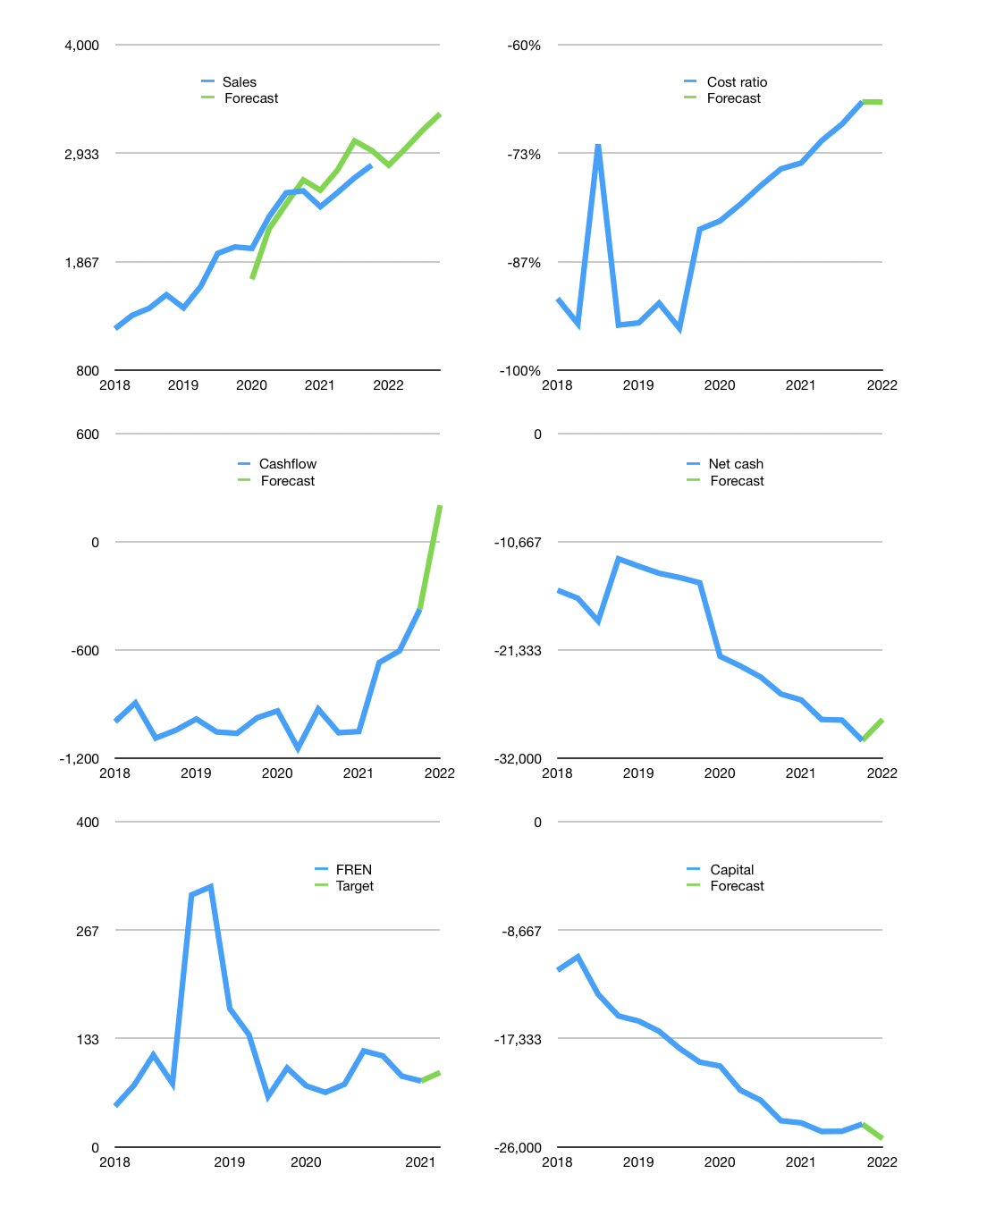
Financial model
Rpbn |  |  |  | 4Q 2022
Cashflow | 3% |  |  | 4%
Growth | 0% | 6% | 6% | 5%
Sales | 2,815 | 2,984 | 3,163 | 3,321
Cost ratio | -67% | -67% | -67% | -67%
Cash costs | -1,888 | -2,001 | -2,121 | -2,227
Operating | 927 | 983 | 1,042 | 1,094
Investment | -483 | -483 | -483 | -483
Leases | -411 | -411 | -411 | -411
Finance | -34 | -90 | -149 | -201
Liabilities | -1,535 | -1,438 | -1,345 | -1,258
Equity | 0 | -4 | -16 | -26
Before revolver | -1,501 | -1,352 | -1,212 | -1,083
Revolver | 1,501 | 1,352 | 1,212 | 1,083
Beginning | 463 | 463 | 463 | 463
Change | 0 | 0 | 0 | 0
Ending | 463 | 463 | 463 | 463
Profit
Non cash costs | -963 | -963 | -963 | -963
Net profit | -36 | 20 | 79 | 131
Balance Sheet
Other assets | 67,634 | 68,116 | 68,599 | 69,081
Depreciation | 25,220 | 26,183 | 27,146 | 28,109
Net other assets | 42,414 | 41,934 | 41,453 | 40,972
Liabilities | 28,758 | 26,910 | 25,154 | 23,486
Revolver | 1,501 | 2,853 | 4,065 | 5,147
Equity | 12,618 | 12,634 | 12,697 | 12,802
Check | 0 | 0 | 0 | 0
Net cash | -29,796 | -29,299 | -28,756 | -28,170
Valuation
Capital | -24,556 | -24,877 | -25,138 | -25,347
Current value |  |  |  | 24,954,399,129,600
Current value |  |  |  | 24,954
P/assets |  |  |  | 0.60
Yield |  |  |  | 0%
Cashflow |  |  |  | 805
Payback |  |  |  | 53
Valuation |  |  |  | 31
Forecast |  |  |  | 35
Value |  |  |  | 28,166
Shares |  |  |  | 308
Target |  |  |  | 91
Current |  |  |  | 81
V target |  |  |  | 13%
12 month growth |  |  |  | 10%
Sales v forecast |  |  |  | 2%

