Model
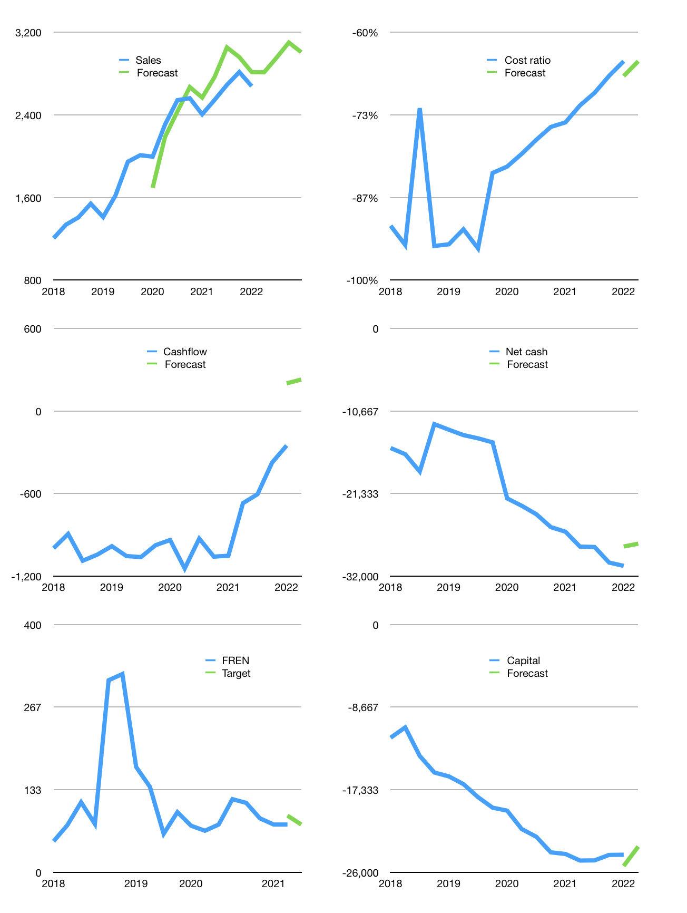
Financial model
Rpbn |  |  | 4Q 2022
Cashflow | 3% |  |  | 3%
Growth | 5% | 5% | 5% | -3%
Sales | 2,813 | 2,953 | 3,101 | 3,008
Cost ratio | -65% | -65% | -65% | -65%
Cash costs | -1,819 | -1,910 | -2,005 | -1,945
Operating | 994 | 1,044 | 1,096 | 1,063
Investment | -334 | -334 | -334 | -334
Leases | -501 | -501 | -501 | -501
Finance | -159 | -209 | -261 | -228
Liabilities | -1,565 | -1,462 | -1,363 | -1,270
Revolver | 1,406 | 1,253 | 1,102 | 1,042
Payout | 0.0
Equity | 0 | 0 | 0 | 0
Before revolver | -1,406 | -1,253 | -1,102 | -1,042
Beginning | 630 | 630 | 630 | 630
Change | 0 | 0 | 0 | 0
Ending | 630 | 630 | 630 | 630
Profit
Non cash costs | -1,049 | -1,049 | -1,049 | -1,049
Net profit | -55 | -6 | 47 | 14
Balance Sheet
Other assets | 68,635 | 68,968 | 69,302 | 69,635
Depreciation | 26,004 | 27,053 | 28,102 | 29,151
Net other assets | 42,631 | 41,915 | 41,200 | 40,484
Liabilities | 29,231 | 27,269 | 25,404 | 23,633
Revolver | 1,406 | 2,658 | 3,760 | 4,802
Equity | 12,624 | 12,618 | 12,665 | 12,679
Check | 0 | 0 | 0 | 0
Net cash | -30,007 | -29,297 | -28,535 | -27,805
Valuation
Capital | -24,005 | -23,796 | -23,534 | -23,306
Current value |  |  |  | 23,724,237,520,896
Current value |  |  |  | 23,724
P/assets |  |  |  | 0.58
Yield |  |  |  | 0%
Cashflow |  |  |  | 913
Payback |  |  |  | 47
Valuation |  |  |  | 26
Forecast |  |  |  | 26
Value |  |  |  | 23,748
Shares |  |  |  | 308
Target |  |  |  | 77
Current |  |  |  | 77
V target |  |  |  | 0%
12 month growth |  |  |  | 11%
Sales v forecast |  |  |  | 3%

Capital
Capital
Rpbn | Liabilities | Equity | Total | Liabilities | Equity | Total
2010 | 948 | 0 | 948 | 948 | 0 | 948
2011 | 2,684 | 10 | 2,694 | 3,632 | 10 | 3,642
2012 | -911 | 2,882 | 1,971 | 2,721 | 2,892 | 5,613
2013 | 2,536 | 0 | 2,536 | 5,257 | 2,892 | 8,149
2014 | -211 | 2,200 | 1,989 | 5,046 | 5,092 | 10,138
2015 | -1,060 | 4,400 | 3,340 | 3,986 | 9,492 | 13,478
2016 | 2,558 | 1,000 | 3,558 | 6,544 | 10,492 | 17,036
2017 | -1,296 | 6,400 | 5,104 | 5,248 | 16,892 | 22,140
2018 | -2,606 | 6,740 | 4,134 | 2,642 | 23,632 | 26,274
2019 | 1,207 | 2,485 | 3,692 | 3,849 | 26,117 | 29,966
2020 | 3,558 | 1,130 | 4,688 | 7,407 | 27,247 | 34,654
2021 | -429 | 697 | 268 | 6,978 | 27,944 | 34,922 | 2,910 | 3,577 | 80.813
2022 | -16 | 0 | -16 | 6,962 | 27,944 | 34,906

 |  |  |  |  |  |  |  |  |  | Table 1
FREN 34.9 TRILLION RUPIAH OF CAPITAL RAISED!
 |  |  |  |  |  |  |  |  |  |  | FREN | capital history
 |  |  |  |  |  |  |  |  |  |  | 2022-03-01 | 14 | 2022
 |  |  |  |  |  |  |  |  |  |  | Start date | 2010
 |  |  |  |  |  |  |  |  |  |  | Number of quarters | 48
 |  |  |  |  |  |  |  |  |  |  | Liabilities | 6,978 | billion rupiah | raised
 |  |  |  |  |  |  |  |  |  |  | FREN | has | raised | liabilities | by an average | 582 | billion rupiah | every year
 |  |  |  |  |  |  |  |  |  |  | In the last 5 years | liabilities | were | raised | by an average | 87 | billion rupiah | every year
 |  |  |  |  |  |  |  |  |  |  | The peak in cumulative liabilities | was | 7,407 | billion rupiah | in | 2020
 |  |  |  |  |  |  |  |  |  |  | As of the latest quarter | liabilities | cumulative | are | down | to | 6,978 | billion rupiah
 |  |  |  |  |  |  |  |  |  |  | Equity | 27,944 | billion rupiah | raised
 |  |  |  |  |  |  |  |  |  |  | FREN | has | raised | equity | by an average | 2,329 | billion rupiah | every year
 |  |  |  |  |  |  |  |  |  |  | In the last 5 years | equity | was | raised | by an average | 3,490 | billion rupiah | every year
 |  |  |  |  |  |  |  |  |  |  | The peak in cumulative equity | was | 27,944 | billion rupiah | in | 2021
 |  |  |  |  |  |  |  |  |  |  | As of the latest quarter | equity | cumulative | is | up | to | 27,944 | billion rupiah
 |  |  |  |  |  |  |  |  |  |  | Total capital | 34,922 | billion rupiah | raised
 |  |  |  |  |  |  |  |  |  |  | FREN | has | raised | total capital | by an average | 2,910 | billion rupiah | every year
 |  |  |  |  |  |  |  |  |  |  | In the last 5 years | total capital | was | raised | by an average | 3,577 | billion rupiah | every year
 |  |  |  |  |  |  |  |  |  |  | The peak in cumulative total capital | was | 34,922 | billion rupiah | in | 2021
 |  |  |  |  |  |  |  |  |  |  | As of the latest quarter | total capital | cumulative | is | up | to | 34,922 | billion rupiah

