Model
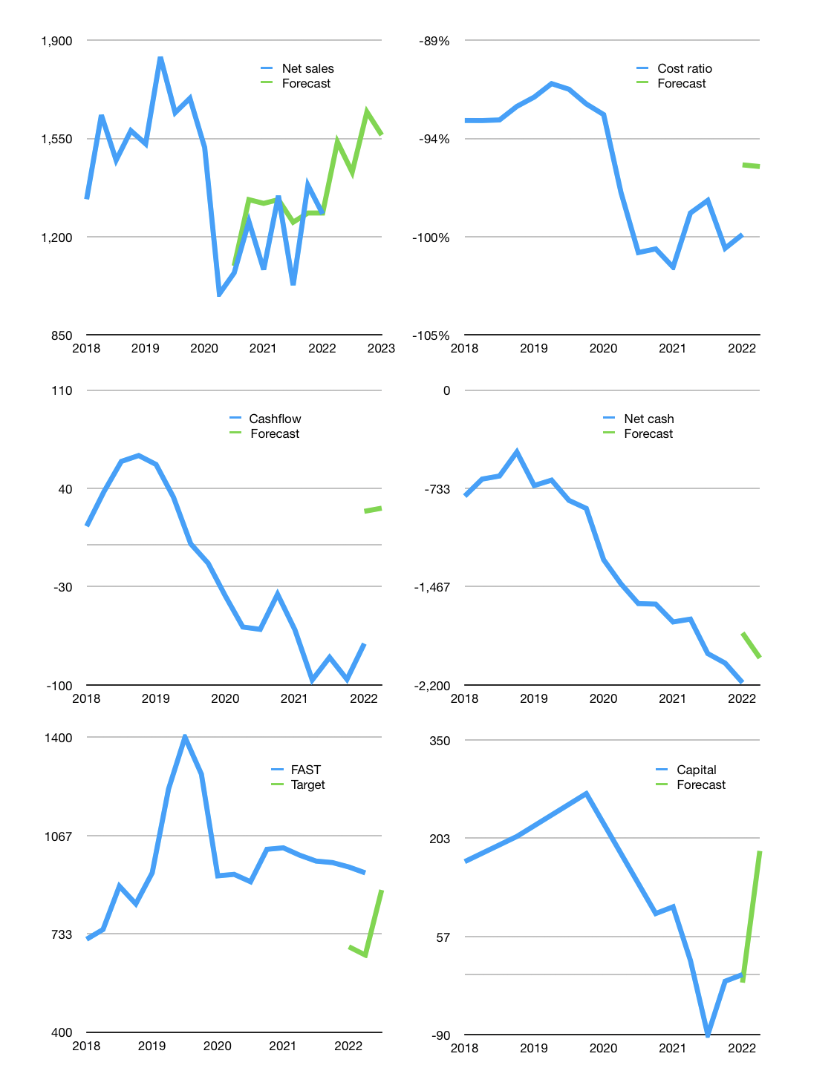
Financial model
Rp bn |  |  | 4Q 2023
Cashflow | 7% |  |  | 6%
Growth | 20% | -7% | 15% | -5%
Sales | 1,538 | 1,430 | 1,645 | 1,562
Cost ratio | -96% | -96% | -96% | -96%
Cash costs | -1,474 | -1,371 | -1,576 | -1,498
Operating | 64 | 59 | 68 | 65
Investment | -18 | -18 | -18 | -18
Leases | -21 | -21 | -21 | -21
Finance | -46 | -41 | -50 | -47
Liabilities | -129 | -613 | -460 | -345
Revolver | 83 | 571 | 409 | 298
Payout | 0.0
Equity | 0 | 0 | 0 | 0
Before revolver | -83 | -571 | -409 | -298
Beginning | 397 | 397 | 397 | 397
Change | 0 | 0 | 0 | 0
Ending | 397 | 397 | 397 | 397
Profit
Non cash costs | -73 | -73 | -73 | -73
Net profit | -9 | -14 | -5 | -8
Balance sheet
Other ST assets | 4,441 | 4,459 | 4,477 | 4,494
Depreciation | 1,399 | 1,472 | 1,544 | 1,617
Net LT assets | 3,042 | 2,987 | 2,932 | 2,877
Liabilities | 2,451 | 1,838 | 1,379 | 1,034
Revolver | 83 | 654 | 1,064 | 1,362
Equity | 905 | 891 | 887 | 879
Check | 0 | 0 | 0 | 0
Net cash | -2,137 | -2,096 | -2,045 | -1,999
Valuation
Capital | 46 | 87 | 137 | 184
Current value |  |  |  | 3,747,845,754,880
Current value |  |  |  | 3,748
P/assets |  |  |  | 1.14
Yield |  |  |  | 0%
Cashflow |  |  |  | 100
Payback |  |  |  | 31
Valuation |  |  |  | 37
Forecast |  |  |  | 35
Value |  |  |  | 3,516
Shares |  |  |  | 4
Target |  |  |  | 882
FAST.JK |  |  |  | 940
V target |  |  |  | -6%
12 month growth |  |  |  | 18%
Sales forecasts |  |  |  | 5%

