Model
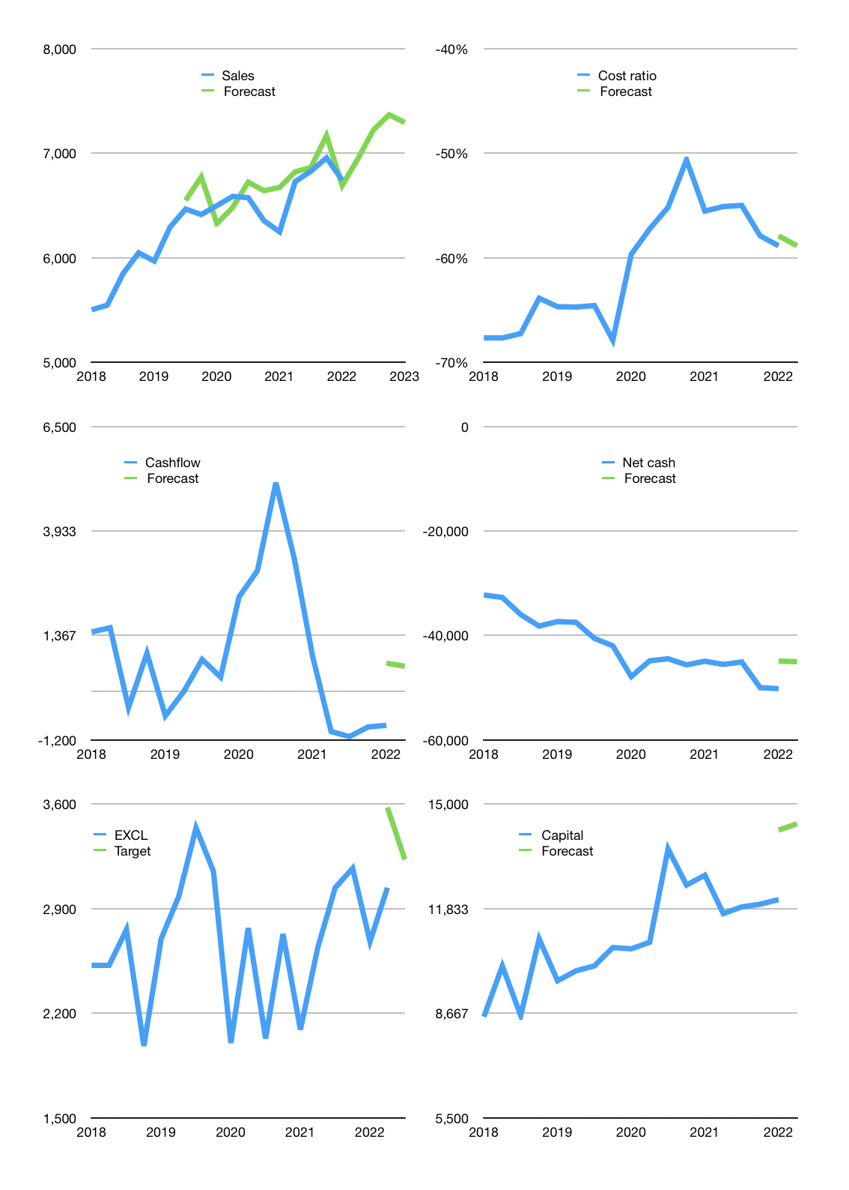
Financial model
Rpbn |  |  | 4Q 2022
Cashflow | 2% |  |  | 2%
Sales growth | 3% | 4% | 2% | -1%
Sales | 6,944 | 7,222 | 7,366 | 7,293
Cost ratio | -59% | -59% | -59% | -59%
Cash costs | -4,088 | -4,252 | -4,337 | -4,293
Operating | 2,856 | 2,971 | 3,030 | 3,000
Investment | -1,556 | -1,556 | -1,556 | -1,556
Leasea | -834 | -834 | -834 | -834
Finance | -1,300 | -1,415 | -1,474 | -1,444
Liabilities | -2,580 | -2,043 | -1,958 | -1,876
Revolver | 1,368 | 751 | 624 | 564
Payout | 0.3
Equity | -89 | -123 | -141 | -132
Before revolver | -1,368 | -751 | -624 | -564
Beginning | 1,414 | 1,414 | 1,414 | 1,414
Change | 0 | 0 | 0 | 0
Ending | 1,414 | 1,414 | 1,414 | 1,414
Profit
Non cash costs | -2,561 | -2,561 | -2,561 | -2,561
Net profit | 295 | 410 | 469 | 439
Balance Sheet
Other assets | 168,498 | 170,054 | 171,610 | 173,166
Depreciation | 99,075 | 101,636 | 104,197 | 106,758
Net other assets | 69,422 | 68,417 | 67,412 | 66,407
Liabilities | 49,023 | 46,980 | 45,023 | 43,147
Revolver | 1,368 | 2,119 | 2,744 | 3,308
Equity | 20,445 | 20,731 | 21,060 | 21,367
Check | 0 | 0 | 0 | 0
Net cash | -48,977 | -47,686 | -46,353 | -45,040
Valuation
Capital | 12,575 | 13,155 | 13,795 | 14,405
Current value |  |  |  | 32,431,327,805,440
Current value |  |  |  | 32,431
P/assets |  |  |  | 0.48
Yield |  |  |  | 1%
Cashflow |  |  |  | 2,297
Payback |  |  |  | 31
Valuation |  |  |  | 14
Forecast |  |  |  | 15
Value |  |  |  | 34,450
Shares |  |  |  | 11
Target |  |  |  | 3,229
Current |  |  |  | 3,040
V target |  |  |  | 6%
12 month growth |  |  |  | 8%
Sales forecasts |  |  |  | 2%

Capital
Capital
Rpbn | Liabilities | Equity | Total | Liabilities | Equity | Total
2004 | 429 |  | 429 | 429 | 0 | 429
2005 | -637 | 2,823 | 2,186 | -208 | 2,823 | 2,615
2006 | 1,753 |  | 1,753 | 1,545 | 2,823 | 4,368
2007 | 4,004 | -67 | 3,937 | 5,549 | 2,756 | 8,305
2008 | 8,564 | -142 | 8,422 | 14,113 | 2,614 | 16,727
2009 | -4,500 | 2,786 | -1,714 | 9,613 | 5,400 | 15,013
2010 | -3,229 |  | -3,229 | 6,384 | 5,400 | 11,784
2011 | 422 | -912 | -490 | 6,806 | 4,488 | 11,294
2012 | 2,604 | -1,107 | 1,497 | 9,410 | 3,381 | 12,791
2013 | 3,336 | -1,152 | 2,184 | 12,746 | 2,229 | 14,975
2014 | 10,771 | -445 | 10,326 | 23,517 | 1,784 | 25,301
2015 | -5,288 |  | -5,288 | 18,229 | 1,784 | 20,013
2016 | -7,219 | 2,265 | -4,954 | 11,010 | 4,049 | 15,059
2017 | 28 |  | 28 | 11,038 | 4,049 | 15,087
2018 | -2,349 |  | -2,349 | 8,689 | 4,049 | 12,738
2019 | 238 |  | 238 | 8,927 | 4,049 | 12,976 | 541.08333333
2020 | -3,469 | -348 | -3,817 | 5,458 | 3,701 | 9,159 | -1063.9
2021 | 919 | -338 | 581 | 6,377 | 3,363 | 9,740 | 580.5

 |  |  |  |  |  |  |  | Table 1

EXCL 9.7 TRILLION RUPIAH STILL TO PAY
 |  |  |  |  |  |  |  |  | EXCL | capital history
 |  |  |  |  |  |  |  |  | 2022-02-01 | 21 | 2022
 |  |  |  |  |  |  |  |  | Start date | 2004
 |  |  |  |  |  |  |  |  | Number of quarters | 68
 |  |  |  |  |  |  |  |  | Liabilities | 6,377 | billion rupiah | raised
 |  |  |  |  |  |  |  |  | EXCL | has | raised | liabilities | by an average | 354 | billion rupiah | every year
 |  |  |  |  |  |  |  |  | In the last 5 years | liabilities | were | paid | by an average | -927 | billion rupiah | every year
 |  |  |  |  |  |  |  |  | The peak in cumulative liabilities | was | 23,517 | billion rupiah | in | 2014
 |  |  |  |  |  |  |  |  | As of the latest quarter | liabilities | cumulative | are | down | to | 6,377 | billion rupiah
 |  |  |  |  |  |  |  |  | Equity | 3,363 | billion rupiah | raised
 |  |  |  |  |  |  |  |  | EXCL | has | raised | equity | by an average | 306 | billion rupiah | every year
 |  |  |  |  |  |  |  |  | In the last 5 years | equity | was | paid | by an average | -137 | billion rupiah | every year
 |  |  |  |  |  |  |  |  | The peak in cumulative equity | was | 5,400 | billion rupiah | in | 2010
 |  |  |  |  |  |  |  |  | As of the latest quarter | equity | cumulative | is | down | to | 3,363 | billion rupiah
 |  |  |  |  |  |  |  |  | Total capital | 9,740 | billion rupiah | raised
 |  |  |  |  |  |  |  |  | EXCL | has | raised | total capital | by an average | 541 | billion rupiah | every year
 |  |  |  |  |  |  |  |  | In the last 5 years | total capital | was | paid | by an average | -1,064 | billion rupiah | every year
 |  |  |  |  |  |  |  |  | The peak in cumulative total capital | was | 25,301 | billion rupiah | in | 2014
 |  |  |  |  |  |  |  |  | As of the latest quarter | total capital | cumulative | is | down | to | 9,740 | billion rupiah

